ABCA2 _multivariate
Reported by Tex Li-Hsing Chi. tex@gate.sinica.edu.tw 2019-08-22

Table 2. The clinicopathological features of HNSCC cohort and ABCA2 expression. (Chi square test)
Cutoff at -0.349 (49.8%)
 |  | ABCA2 expression |  | ABCA2 expression |  | (Optimised)
 | Features | Low | (%) | High | (%) | Case no | P-value | Remark | Matthews
Gender | Female | 149 | 35.9 | 157 | 37.8 | 415 | 0.4848 | 0 | 0
2 | Male | 58 | 14 | 51 | 12.3
Age at diagnosis | <=65y | 137 | 33 | 137 | 33 | 415 | 1 | 0 | 0
4 | >65y | 70 | 16.9 | 71 | 17.1
Clinical T Status | T1+T2 | 75 | 18.1 | 74 | 17.8 | 415 | 0.9707 | 0 | 0
6 | T3+T4 | 132 | 31.8 | 134 | 32.3
Clinical N Status | N0 | 108 | 26 | 108 | 26 | 415 | 1 | 0 | 0
8 | N1-3 | 99 | 23.9 | 100 | 24.1
Clinical M Status | M0 | 204 | 49.2 | 208 | 50.1 | 415 | 0.1232 | 0 | 0
10 | M1 | 3 | 0.7 | 0 | 0
Clinical Stage | Stage I+II | 57 | 13.7 | 45 | 10.8 | 415 | 0.1998 | 0 | 0
12 | Stage III+IV | 150 | 36.1 | 163 | 39.3
Surgical Margin status | Negative | 161 | 38.8 | 157 | 37.8 | 415 | 0.6429 | 0 | 0
14 | Positive | 46 | 11.1 | 51 | 12.3
Tobacco Exposure | Low | 89 | 21.4 | 72 | 17.3 | 415 | 0.0872 | 0 | 0
16 | High | 118 | 28.4 | 136 | 32.8

Table 3. Univariate/Multivariate Cox's proportional hazards regression analyses on OS time of ABCA2 gene expression in HNSCC

 |  | Univariate |  |  |  | Multivariate
 | Features | HR | CI95%(L) | CI95%(H) | P-value | HR | CI95%(L) | CI95%(H) | P-value
1 | Female | 1 |  |  |  | 1
Gender | Male | 1.157 | 0.843 | 1.587 | 0.367 | 1.193 | 0.853 | 1.67 | 0.302
11 | <=65y | 1 |  |  |  | 1
Age at diagnosis | >65y | 1.329 | 0.99 | 1.784 | 0.058 | 1.397 | 1.027 | 1.9 | 0.033
12 | T1+T2 | 1 |  |  |  | 1
Clinical T Status | T3+T4 | 1.409 | 1.028 | 1.931 | 0.033 | 2.178 | 1.15 | 4.126 | 0.017
13 | N0 | 1 |  |  |  | 1
Clinical N Status | N1-3 | 1.185 | 0.89 | 1.577 | 0.246 | 1.236 | 0.866 | 1.764 | 0.243
14 | M0 | 1 |  |  |  | 1
Clinical M Status | M1 | 4.097 | 1.009 | 16.644 | 0.049 | 8.996 | 1.939 | 41.739 | 0.005
15 | Stage I+II | 1 |  |  |  | 1
Clinical Stage | Stage III+IV | 1.245 | 0.882 | 1.759 | 0.213 | 0.513 | 0.238 | 1.105 | 0.088
16 | Negative | 1 |  |  |  | 1
Surgical Margin status | Positive | 1.591 | 1.155 | 2.191 | 0.004 | 1.68 | 1.215 | 2.323 | 0.002
17 | Low | 1 |  |  |  | 1
Tobacco Exposure | High | 1.364 | 1.008 | 1.844 | 0.044 | 1.46 | 1.059 | 2.014 | 0.021
18 | Low | 1 |  |  |  | 1
RNAseq(z-score) | High | 0.93 | 0.697 | 1.24 | 0.622 | 0.934 | 0.695 | 1.257 | 0.654

Table 4. Univariate/Multivariate Cox's proportional hazards regression analyses on RFS time of ABCA2 gene expression in HNSCC

 |  | Univariate |  |  |  | Multivariate
 | Features | HR | CI95%(L) | CI95%(H) | P-value | HR | CI95%(L) | CI95%(H) | P-value
1 | Female | 1 |  |  |  | 1
Gender | Male | 1.157 | 0.843 | 1.587 | 0.367 | 1.193 | 0.853 | 1.67 | 0.302
11 | <=65y | 1 |  |  |  | 1
Age at diagnosis | >65y | 1.329 | 0.99 | 1.784 | 0.058 | 1.397 | 1.027 | 1.9 | 0.033
12 | T1+T2 | 1 |  |  |  | 1
Clinical T Status | T3+T4 | 1.409 | 1.028 | 1.931 | 0.033 | 2.178 | 1.15 | 4.126 | 0.017
13 | N0 | 1 |  |  |  | 1
Clinical N Status | N1-3 | 1.185 | 0.89 | 1.577 | 0.246 | 1.236 | 0.866 | 1.764 | 0.243
14 | M0 | 1 |  |  |  | 1
Clinical M Status | M1 | 4.097 | 1.009 | 16.644 | 0.049 | 8.996 | 1.939 | 41.739 | 0.005
15 | Stage I+II | 1 |  |  |  | 1
Clinical Stage | Stage III+IV | 1.245 | 0.882 | 1.759 | 0.213 | 0.513 | 0.238 | 1.105 | 0.088
16 | Negative | 1 |  |  |  | 1
Surgical Margin status | Positive | 1.591 | 1.155 | 2.191 | 0.004 | 1.68 | 1.215 | 2.323 | 0.002
17 | Low | 1 |  |  |  | 1
Tobacco Exposure | High | 1.364 | 1.008 | 1.844 | 0.044 | 1.46 | 1.059 | 2.014 | 0.021
18 | Low | 1 |  |  |  | 1
RNAseq(z-score) | High | 0.93 | 0.697 | 1.24 | 0.622 | 0.934 | 0.695 | 1.257 | 0.654

Kaplan-Meier survival estimate: Cutoff at -0.349 (49.8%)



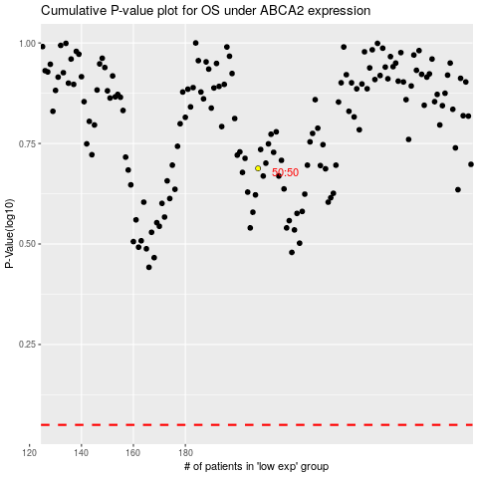

 |  |  |  |  |  | cases_OS | p_OS | rank | exp
 |  |  |  |  |  |  | cases_RFS | p_RFS | rank | exp

