ABCA8 _multivariate
Reported by Tex Li-Hsing Chi. tex@gate.sinica.edu.tw 2019-08-22

Table 2. The clinicopathological features of HNSCC cohort and ABCA8 expression. (Chi square test)
Cutoff at -0.332 (37.0%)
 |  | ABCA8 expression |  | ABCA8 expression |  | (Optimised)
 | Features | Low | (%) | High | (%) | Case no | P-value | Remark | Matthews
Gender | Female | 113 | 27.2 | 193 | 46.5 | 415 | 1 | 0 | 0
2 | Male | 40 | 9.6 | 69 | 16.6
Age at diagnosis | <=65y | 96 | 23.1 | 178 | 42.9 | 415 | 0.3319 | 0 | 0
4 | >65y | 57 | 13.7 | 84 | 20.2
Clinical T Status | T1+T2 | 47 | 11.3 | 102 | 24.6 | 415 | 0.1149 | 0 | 0
6 | T3+T4 | 106 | 25.5 | 160 | 38.6
Clinical N Status | N0 | 80 | 19.3 | 136 | 32.8 | 415 | 1 | 0 | 0
8 | N1-3 | 73 | 17.6 | 126 | 30.4
Clinical M Status | M0 | 150 | 36.1 | 262 | 63.1 | 415 | 0.0495 | 1 | 0
10 | M1 | 3 | 0.7 | 0 | 0
Clinical Stage | Stage I+II | 30 | 7.2 | 72 | 17.3 | 415 | 0.0931 | 0 | 0
12 | Stage III+IV | 123 | 29.6 | 190 | 45.8
Surgical Margin status | Negative | 113 | 27.2 | 205 | 49.4 | 415 | 0.3368 | 0 | 0
14 | Positive | 40 | 9.6 | 57 | 13.7
Tobacco Exposure | Low | 68 | 16.4 | 93 | 22.4 | 415 | 0.0765 | 0 | 0
16 | High | 85 | 20.5 | 169 | 40.7

Table 3. Univariate/Multivariate Cox's proportional hazards regression analyses on OS time of ABCA8 gene expression in HNSCC

 |  | Univariate |  |  |  | Multivariate
 | Features | HR | CI95%(L) | CI95%(H) | P-value | HR | CI95%(L) | CI95%(H) | P-value
1 | Female | 1 |  |  |  | 1
Gender | Male | 1.157 | 0.843 | 1.587 | 0.367 | 1.189 | 0.85 | 1.664 | 0.312
11 | <=65y | 1 |  |  |  | 1
Age at diagnosis | >65y | 1.329 | 0.99 | 1.784 | 0.058 | 1.373 | 1.011 | 1.865 | 0.043
12 | T1+T2 | 1 |  |  |  | 1
Clinical T Status | T3+T4 | 1.409 | 1.028 | 1.931 | 0.033 | 2.229 | 1.179 | 4.213 | 0.014
13 | N0 | 1 |  |  |  | 1
Clinical N Status | N1-3 | 1.185 | 0.89 | 1.577 | 0.246 | 1.258 | 0.882 | 1.795 | 0.205
14 | M0 | 1 |  |  |  | 1
Clinical M Status | M1 | 4.097 | 1.009 | 16.644 | 0.049 | 7.964 | 1.723 | 36.818 | 0.008
15 | Stage I+II | 1 |  |  |  | 1
Clinical Stage | Stage III+IV | 1.245 | 0.882 | 1.759 | 0.213 | 0.481 | 0.224 | 1.034 | 0.061
16 | Negative | 1 |  |  |  | 1
Surgical Margin status | Positive | 1.591 | 1.155 | 2.191 | 0.004 | 1.674 | 1.211 | 2.314 | 0.002
17 | Low | 1 |  |  |  | 1
Tobacco Exposure | High | 1.364 | 1.008 | 1.844 | 0.044 | 1.497 | 1.084 | 2.067 | 0.014
18 | Low | 1 |  |  |  | 1
RNAseq(z-score) | High | 0.747 | 0.558 | 1 | 0.05 | 0.746 | 0.554 | 1.005 | 0.054

Table 4. Univariate/Multivariate Cox's proportional hazards regression analyses on RFS time of ABCA8 gene expression in HNSCC

 |  | Univariate |  |  |  | Multivariate
 | Features | HR | CI95%(L) | CI95%(H) | P-value | HR | CI95%(L) | CI95%(H) | P-value
1 | Female | 1 |  |  |  | 1
Gender | Male | 1.157 | 0.843 | 1.587 | 0.367 | 1.189 | 0.85 | 1.664 | 0.312
11 | <=65y | 1 |  |  |  | 1
Age at diagnosis | >65y | 1.329 | 0.99 | 1.784 | 0.058 | 1.373 | 1.011 | 1.865 | 0.043
12 | T1+T2 | 1 |  |  |  | 1
Clinical T Status | T3+T4 | 1.409 | 1.028 | 1.931 | 0.033 | 2.229 | 1.179 | 4.213 | 0.014
13 | N0 | 1 |  |  |  | 1
Clinical N Status | N1-3 | 1.185 | 0.89 | 1.577 | 0.246 | 1.258 | 0.882 | 1.795 | 0.205
14 | M0 | 1 |  |  |  | 1
Clinical M Status | M1 | 4.097 | 1.009 | 16.644 | 0.049 | 7.964 | 1.723 | 36.818 | 0.008
15 | Stage I+II | 1 |  |  |  | 1
Clinical Stage | Stage III+IV | 1.245 | 0.882 | 1.759 | 0.213 | 0.481 | 0.224 | 1.034 | 0.061
16 | Negative | 1 |  |  |  | 1
Surgical Margin status | Positive | 1.591 | 1.155 | 2.191 | 0.004 | 1.674 | 1.211 | 2.314 | 0.002
17 | Low | 1 |  |  |  | 1
Tobacco Exposure | High | 1.364 | 1.008 | 1.844 | 0.044 | 1.497 | 1.084 | 2.067 | 0.014
18 | Low | 1 |  |  |  | 1
RNAseq(z-score) | High | 0.747 | 0.558 | 1 | 0.05 | 0.746 | 0.554 | 1.005 | 0.054

Kaplan-Meier survival estimate: Cutoff at -0.332 (37.0%)



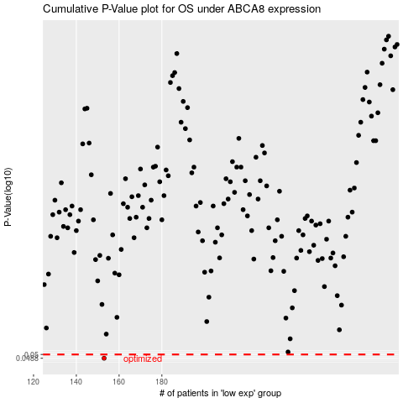

 |  |  |  |  |  | cases_OS | p_OS | rank | exp
 |  |  |  |  |  | 153 | 0.0488 | 320 | -0.33244310394
 |  |  |  |  |  |  | cases_RFS | p_RFS | rank | exp
 |  |  |  |  |  |  | 152 | 0.0488 | 274 | -0.3341247294

