ABCB10 _multivariate
Reported by Tex Li-Hsing Chi. tex@gate.sinica.edu.tw 2019-08-22

Table 2. The clinicopathological features of HNSCC cohort and ABCB10 expression. (Chi square test)
Cutoff at -0.048 (56.3%)
 |  | ABCB10 expression |  | ABCB10 expression |  | (Optimised)
 | Features | Low | (%) | High | (%) | Case no | P-value | Remark | Matthews
Gender | Female | 175 | 42.2 | 131 | 31.6 | 415 | 0.6593 | 0 | 0
2 | Male | 59 | 14.2 | 50 | 12
Age at diagnosis | <=65y | 158 | 38.1 | 116 | 28 | 415 | 0.5302 | 0 | 0
4 | >65y | 76 | 18.3 | 65 | 15.7
Clinical T Status | T1+T2 | 88 | 21.2 | 61 | 14.7 | 415 | 0.472 | 0 | 0
6 | T3+T4 | 146 | 35.2 | 120 | 28.9
Clinical N Status | N0 | 119 | 28.7 | 97 | 23.4 | 415 | 0.6496 | 0 | 0
8 | N1-3 | 115 | 27.7 | 84 | 20.2
Clinical M Status | M0 | 231 | 55.7 | 181 | 43.6 | 415 | 0.2605 | 0 | 0
10 | M1 | 3 | 0.7 | 0 | 0
Clinical Stage | Stage I+II | 60 | 14.5 | 42 | 10.1 | 415 | 0.6478 | 0 | 0
12 | Stage III+IV | 174 | 41.9 | 139 | 33.5
Surgical Margin status | Negative | 181 | 43.6 | 137 | 33 | 415 | 0.7264 | 0 | 0
14 | Positive | 53 | 12.8 | 44 | 10.6
Tobacco Exposure | Low | 96 | 23.1 | 65 | 15.7 | 415 | 0.3106 | 0 | 0
16 | High | 138 | 33.3 | 116 | 28

Table 3. Univariate/Multivariate Cox's proportional hazards regression analyses on OS time of ABCB10 gene expression in HNSCC

 |  | Univariate |  |  |  | Multivariate
 | Features | HR | CI95%(L) | CI95%(H) | P-value | HR | CI95%(L) | CI95%(H) | P-value
1 | Female | 1 |  |  |  | 1
Gender | Male | 1.157 | 0.843 | 1.587 | 0.367 | 1.218 | 0.869 | 1.706 | 0.252
11 | <=65y | 1 |  |  |  | 1
Age at diagnosis | >65y | 1.329 | 0.99 | 1.784 | 0.058 | 1.385 | 1.019 | 1.882 | 0.037
12 | T1+T2 | 1 |  |  |  | 1
Clinical T Status | T3+T4 | 1.409 | 1.028 | 1.931 | 0.033 | 2.225 | 1.177 | 4.207 | 0.014
13 | N0 | 1 |  |  |  | 1
Clinical N Status | N1-3 | 1.185 | 0.89 | 1.577 | 0.246 | 1.225 | 0.859 | 1.745 | 0.262
14 | M0 | 1 |  |  |  | 1
Clinical M Status | M1 | 4.097 | 1.009 | 16.644 | 0.049 | 8.342 | 1.814 | 38.357 | 0.006
15 | Stage I+II | 1 |  |  |  | 1
Clinical Stage | Stage III+IV | 1.245 | 0.882 | 1.759 | 0.213 | 0.505 | 0.236 | 1.083 | 0.079
16 | Negative | 1 |  |  |  | 1
Surgical Margin status | Positive | 1.591 | 1.155 | 2.191 | 0.004 | 1.717 | 1.241 | 2.376 | 0.001
17 | Low | 1 |  |  |  | 1
Tobacco Exposure | High | 1.364 | 1.008 | 1.844 | 0.044 | 1.484 | 1.074 | 2.051 | 0.017
18 | Low | 1 |  |  |  | 1
RNAseq(z-score) | High | 0.731 | 0.544 | 0.983 | 0.038 | 0.71 | 0.527 | 0.955 | 0.024

Table 4. Univariate/Multivariate Cox's proportional hazards regression analyses on RFS time of ABCB10 gene expression in HNSCC

 |  | Univariate |  |  |  | Multivariate
 | Features | HR | CI95%(L) | CI95%(H) | P-value | HR | CI95%(L) | CI95%(H) | P-value
1 | Female | 1 |  |  |  | 1
Gender | Male | 1.157 | 0.843 | 1.587 | 0.367 | 1.218 | 0.869 | 1.706 | 0.252
11 | <=65y | 1 |  |  |  | 1
Age at diagnosis | >65y | 1.329 | 0.99 | 1.784 | 0.058 | 1.385 | 1.019 | 1.882 | 0.037
12 | T1+T2 | 1 |  |  |  | 1
Clinical T Status | T3+T4 | 1.409 | 1.028 | 1.931 | 0.033 | 2.225 | 1.177 | 4.207 | 0.014
13 | N0 | 1 |  |  |  | 1
Clinical N Status | N1-3 | 1.185 | 0.89 | 1.577 | 0.246 | 1.225 | 0.859 | 1.745 | 0.262
14 | M0 | 1 |  |  |  | 1
Clinical M Status | M1 | 4.097 | 1.009 | 16.644 | 0.049 | 8.342 | 1.814 | 38.357 | 0.006
15 | Stage I+II | 1 |  |  |  | 1
Clinical Stage | Stage III+IV | 1.245 | 0.882 | 1.759 | 0.213 | 0.505 | 0.236 | 1.083 | 0.079
16 | Negative | 1 |  |  |  | 1
Surgical Margin status | Positive | 1.591 | 1.155 | 2.191 | 0.004 | 1.717 | 1.241 | 2.376 | 0.001
17 | Low | 1 |  |  |  | 1
Tobacco Exposure | High | 1.364 | 1.008 | 1.844 | 0.044 | 1.484 | 1.074 | 2.051 | 0.017
18 | Low | 1 |  |  |  | 1
RNAseq(z-score) | High | 0.731 | 0.544 | 0.983 | 0.038 | 0.71 | 0.527 | 0.955 | 0.024

Kaplan-Meier survival estimate: Cutoff at -0.048 (56.3%)



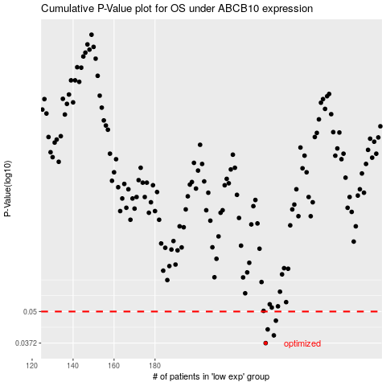

 |  |  |  |  |  | cases_OS | p_OS | rank | exp
 |  |  |  |  |  | 234 | 0.0372 | 104 | -0.048165942425
 |  |  |  |  |  | 238 | 0.04 | 292 | -0.0039317803106
 |  |  |  |  |  | 235 | 0.0423 | 106 | -0.042320788014
 |  |  |  |  |  | 239 | 0.0459 | 382 | 0.0094001548965
 |  |  |  |  |  |  | cases_RFS | p_RFS | rank | exp
 |  |  |  |  |  |  | 233 | 0.0372 | 296 | -0.054891185399
 |  |  |  |  |  |  | 237 | 0.04 | 253 | -0.026107466961
 |  |  |  |  |  |  | 234 | 0.0423 | 104 | -0.048165942425
 |  |  |  |  |  |  | 238 | 0.0459 | 292 | -0.0039317803106

