ABCB11 _multivariate
Reported by Tex Li-Hsing Chi. tex@gate.sinica.edu.tw 2019-08-22

Table 2. The clinicopathological features of HNSCC cohort and ABCB11 expression. (Chi square test)
Cutoff at -0.259 (50.0%)
 |  | ABCB11 expression |  | ABCB11 expression |  | (Optimised)
 | Features | Low | (%) | High | (%) | Case no | P-value | Remark | Matthews
Gender | Female | 161 | 38.8 | 145 | 34.9 | 415 | 0.0792 | 0 | 0
2 | Male | 46 | 11.1 | 63 | 15.2
Age at diagnosis | <=65y | 139 | 33.5 | 135 | 32.5 | 415 | 0.7044 | 0 | 0
4 | >65y | 68 | 16.4 | 73 | 17.6
Clinical T Status | T1+T2 | 77 | 18.6 | 72 | 17.3 | 415 | 0.6556 | 0 | 0
6 | T3+T4 | 130 | 31.3 | 136 | 32.8
Clinical N Status | N0 | 92 | 22.2 | 124 | 29.9 | 415 | 0.0027 | 1 | 0
8 | N1-3 | 115 | 27.7 | 84 | 20.2
Clinical M Status | M0 | 205 | 49.4 | 207 | 49.9 | 415 | 0.6232 | 0 | 0
10 | M1 | 2 | 0.5 | 1 | 0.2
Clinical Stage | Stage I+II | 44 | 10.6 | 58 | 14 | 415 | 0.1459 | 0 | 0
12 | Stage III+IV | 163 | 39.3 | 150 | 36.1
Surgical Margin status | Negative | 158 | 38.1 | 160 | 38.6 | 415 | 0.9081 | 0 | 0
14 | Positive | 49 | 11.8 | 48 | 11.6
Tobacco Exposure | Low | 70 | 16.9 | 91 | 21.9 | 415 | 0.0439 | 1 | 0
16 | High | 137 | 33 | 117 | 28.2

Table 3. Univariate/Multivariate Cox's proportional hazards regression analyses on OS time of ABCB11 gene expression in HNSCC

 |  | Univariate |  |  |  | Multivariate
 | Features | HR | CI95%(L) | CI95%(H) | P-value | HR | CI95%(L) | CI95%(H) | P-value
1 | Female | 1 |  |  |  | 1
Gender | Male | 1.157 | 0.843 | 1.587 | 0.367 | 1.209 | 0.866 | 1.69 | 0.265
11 | <=65y | 1 |  |  |  | 1
Age at diagnosis | >65y | 1.329 | 0.99 | 1.784 | 0.058 | 1.391 | 1.024 | 1.891 | 0.035
12 | T1+T2 | 1 |  |  |  | 1
Clinical T Status | T3+T4 | 1.409 | 1.028 | 1.931 | 0.033 | 2.256 | 1.192 | 4.272 | 0.012
13 | N0 | 1 |  |  |  | 1
Clinical N Status | N1-3 | 1.185 | 0.89 | 1.577 | 0.246 | 1.219 | 0.853 | 1.743 | 0.278
14 | M0 | 1 |  |  |  | 1
Clinical M Status | M1 | 4.097 | 1.009 | 16.644 | 0.049 | 9.301 | 2.028 | 42.651 | 0.004
15 | Stage I+II | 1 |  |  |  | 1
Clinical Stage | Stage III+IV | 1.245 | 0.882 | 1.759 | 0.213 | 0.496 | 0.231 | 1.065 | 0.072
16 | Negative | 1 |  |  |  | 1
Surgical Margin status | Positive | 1.591 | 1.155 | 2.191 | 0.004 | 1.671 | 1.21 | 2.309 | 0.002
17 | Low | 1 |  |  |  | 1
Tobacco Exposure | High | 1.364 | 1.008 | 1.844 | 0.044 | 1.433 | 1.04 | 1.976 | 0.028
18 | Low | 1 |  |  |  | 1
RNAseq(z-score) | High | 0.858 | 0.643 | 1.143 | 0.295 | 0.867 | 0.647 | 1.163 | 0.341

Table 4. Univariate/Multivariate Cox's proportional hazards regression analyses on RFS time of ABCB11 gene expression in HNSCC

 |  | Univariate |  |  |  | Multivariate
 | Features | HR | CI95%(L) | CI95%(H) | P-value | HR | CI95%(L) | CI95%(H) | P-value
1 | Female | 1 |  |  |  | 1
Gender | Male | 1.157 | 0.843 | 1.587 | 0.367 | 1.209 | 0.866 | 1.69 | 0.265
11 | <=65y | 1 |  |  |  | 1
Age at diagnosis | >65y | 1.329 | 0.99 | 1.784 | 0.058 | 1.391 | 1.024 | 1.891 | 0.035
12 | T1+T2 | 1 |  |  |  | 1
Clinical T Status | T3+T4 | 1.409 | 1.028 | 1.931 | 0.033 | 2.256 | 1.192 | 4.272 | 0.012
13 | N0 | 1 |  |  |  | 1
Clinical N Status | N1-3 | 1.185 | 0.89 | 1.577 | 0.246 | 1.219 | 0.853 | 1.743 | 0.278
14 | M0 | 1 |  |  |  | 1
Clinical M Status | M1 | 4.097 | 1.009 | 16.644 | 0.049 | 9.301 | 2.028 | 42.651 | 0.004
15 | Stage I+II | 1 |  |  |  | 1
Clinical Stage | Stage III+IV | 1.245 | 0.882 | 1.759 | 0.213 | 0.496 | 0.231 | 1.065 | 0.072
16 | Negative | 1 |  |  |  | 1
Surgical Margin status | Positive | 1.591 | 1.155 | 2.191 | 0.004 | 1.671 | 1.21 | 2.309 | 0.002
17 | Low | 1 |  |  |  | 1
Tobacco Exposure | High | 1.364 | 1.008 | 1.844 | 0.044 | 1.433 | 1.04 | 1.976 | 0.028
18 | Low | 1 |  |  |  | 1
RNAseq(z-score) | High | 0.858 | 0.643 | 1.143 | 0.295 | 0.867 | 0.647 | 1.163 | 0.341

Kaplan-Meier survival estimate: Cutoff at -0.259 (50.0%)



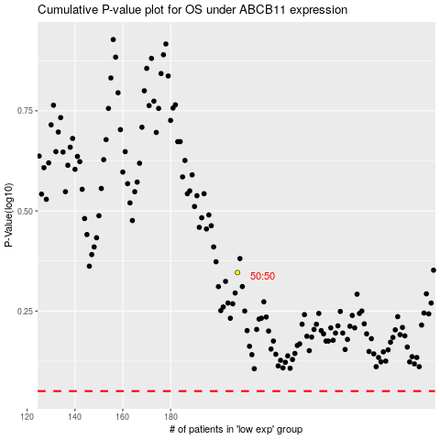

 |  |  |  |  |  | cases_OS | p_OS | rank | exp
 |  |  |  |  |  |  | cases_RFS | p_RFS | rank | exp

