ABCB5 _multivariate
Reported by Tex Li-Hsing Chi. tex@gate.sinica.edu.tw 2019-08-22

Table 2. The clinicopathological features of HNSCC cohort and ABCB5 expression. (Chi square test)
Cutoff at -0.34 (49.8%)
 |  | ABCB5 expression |  | ABCB5 expression |  | (Optimised)
 | Features | Low | (%) | High | (%) | Case no | P-value | Remark | Matthews
Gender | Female | 163 | 39.3 | 143 | 34.5 | 415 | 0.0277 | 1 | 0
2 | Male | 44 | 10.6 | 65 | 15.7
Age at diagnosis | <=65y | 145 | 34.9 | 129 | 31.1 | 415 | 0.1046 | 0 | 0
4 | >65y | 62 | 14.9 | 79 | 19
Clinical T Status | T1+T2 | 79 | 19 | 70 | 16.9 | 415 | 0.3924 | 0 | 0
6 | T3+T4 | 128 | 30.8 | 138 | 33.3
Clinical N Status | N0 | 105 | 25.3 | 111 | 26.7 | 415 | 0.6598 | 0 | 0
8 | N1-3 | 102 | 24.6 | 97 | 23.4
Clinical M Status | M0 | 205 | 49.4 | 207 | 49.9 | 415 | 0.6232 | 0 | 0
10 | M1 | 2 | 0.5 | 1 | 0.2
Clinical Stage | Stage I+II | 54 | 13 | 48 | 11.6 | 415 | 0.5498 | 0 | 0
12 | Stage III+IV | 153 | 36.9 | 160 | 38.6
Surgical Margin status | Negative | 163 | 39.3 | 155 | 37.3 | 415 | 0.3537 | 0 | 0
14 | Positive | 44 | 10.6 | 53 | 12.8
Tobacco Exposure | Low | 79 | 19 | 82 | 19.8 | 415 | 0.8405 | 0 | 0
16 | High | 128 | 30.8 | 126 | 30.4

Table 3. Univariate/Multivariate Cox's proportional hazards regression analyses on OS time of ABCB5 gene expression in HNSCC

 |  | Univariate |  |  |  | Multivariate
 | Features | HR | CI95%(L) | CI95%(H) | P-value | HR | CI95%(L) | CI95%(H) | P-value
1 | Female | 1 |  |  |  | 1
Gender | Male | 1.157 | 0.843 | 1.587 | 0.367 | 1.176 | 0.84 | 1.646 | 0.344
11 | <=65y | 1 |  |  |  | 1
Age at diagnosis | >65y | 1.329 | 0.99 | 1.784 | 0.058 | 1.369 | 1.005 | 1.863 | 0.046
12 | T1+T2 | 1 |  |  |  | 1
Clinical T Status | T3+T4 | 1.409 | 1.028 | 1.931 | 0.033 | 2.212 | 1.17 | 4.181 | 0.015
13 | N0 | 1 |  |  |  | 1
Clinical N Status | N1-3 | 1.185 | 0.89 | 1.577 | 0.246 | 1.261 | 0.883 | 1.802 | 0.202
14 | M0 | 1 |  |  |  | 1
Clinical M Status | M1 | 4.097 | 1.009 | 16.644 | 0.049 | 9.416 | 2.054 | 43.166 | 0.004
15 | Stage I+II | 1 |  |  |  | 1
Clinical Stage | Stage III+IV | 1.245 | 0.882 | 1.759 | 0.213 | 0.496 | 0.231 | 1.066 | 0.072
16 | Negative | 1 |  |  |  | 1
Surgical Margin status | Positive | 1.591 | 1.155 | 2.191 | 0.004 | 1.642 | 1.186 | 2.272 | 0.003
17 | Low | 1 |  |  |  | 1
Tobacco Exposure | High | 1.364 | 1.008 | 1.844 | 0.044 | 1.437 | 1.043 | 1.979 | 0.027
18 | Low | 1 |  |  |  | 1
RNAseq(z-score) | High | 1.278 | 0.957 | 1.706 | 0.096 | 1.171 | 0.872 | 1.573 | 0.293

Table 4. Univariate/Multivariate Cox's proportional hazards regression analyses on RFS time of ABCB5 gene expression in HNSCC

 |  | Univariate |  |  |  | Multivariate
 | Features | HR | CI95%(L) | CI95%(H) | P-value | HR | CI95%(L) | CI95%(H) | P-value
1 | Female | 1 |  |  |  | 1
Gender | Male | 1.157 | 0.843 | 1.587 | 0.367 | 1.176 | 0.84 | 1.646 | 0.344
11 | <=65y | 1 |  |  |  | 1
Age at diagnosis | >65y | 1.329 | 0.99 | 1.784 | 0.058 | 1.369 | 1.005 | 1.863 | 0.046
12 | T1+T2 | 1 |  |  |  | 1
Clinical T Status | T3+T4 | 1.409 | 1.028 | 1.931 | 0.033 | 2.212 | 1.17 | 4.181 | 0.015
13 | N0 | 1 |  |  |  | 1
Clinical N Status | N1-3 | 1.185 | 0.89 | 1.577 | 0.246 | 1.261 | 0.883 | 1.802 | 0.202
14 | M0 | 1 |  |  |  | 1
Clinical M Status | M1 | 4.097 | 1.009 | 16.644 | 0.049 | 9.416 | 2.054 | 43.166 | 0.004
15 | Stage I+II | 1 |  |  |  | 1
Clinical Stage | Stage III+IV | 1.245 | 0.882 | 1.759 | 0.213 | 0.496 | 0.231 | 1.066 | 0.072
16 | Negative | 1 |  |  |  | 1
Surgical Margin status | Positive | 1.591 | 1.155 | 2.191 | 0.004 | 1.642 | 1.186 | 2.272 | 0.003
17 | Low | 1 |  |  |  | 1
Tobacco Exposure | High | 1.364 | 1.008 | 1.844 | 0.044 | 1.437 | 1.043 | 1.979 | 0.027
18 | Low | 1 |  |  |  | 1
RNAseq(z-score) | High | 1.278 | 0.957 | 1.706 | 0.096 | 1.171 | 0.872 | 1.573 | 0.293

Kaplan-Meier survival estimate: Cutoff at -0.34 (49.8%)

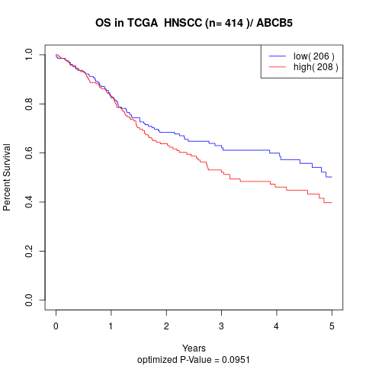

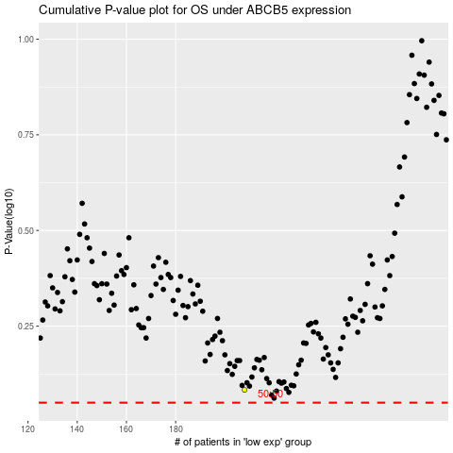

 |  |  |  |  |  | cases_OS | p_OS | rank | exp
 |  |  |  |  |  |  | cases_RFS | p_RFS | rank | exp

