ABCB6 _multivariate
Reported by Tex Li-Hsing Chi. tex@gate.sinica.edu.tw 2019-08-22

Table 2. The clinicopathological features of HNSCC cohort and ABCB6 expression. (Chi square test)
Cutoff at -0.233 (49.8%)
 |  | ABCB6 expression |  | ABCB6 expression |  | (Optimised)
 | Features | Low | (%) | High | (%) | Case no | P-value | Remark | Matthews
Gender | Female | 146 | 35.2 | 160 | 38.6 | 415 | 0.1714 | 0 | 0
2 | Male | 61 | 14.7 | 48 | 11.6
Age at diagnosis | <=65y | 129 | 31.1 | 145 | 34.9 | 415 | 0.1372 | 0 | 0
4 | >65y | 78 | 18.8 | 63 | 15.2
Clinical T Status | T1+T2 | 74 | 17.8 | 75 | 18.1 | 415 | 1 | 0 | 0
6 | T3+T4 | 133 | 32 | 133 | 32
Clinical N Status | N0 | 97 | 23.4 | 119 | 28.7 | 415 | 0.0442 | 1 | 0
8 | N1-3 | 110 | 26.5 | 89 | 21.4
Clinical M Status | M0 | 206 | 49.6 | 206 | 49.6 | 415 | 1 | 0 | 0
10 | M1 | 1 | 0.2 | 2 | 0.5
Clinical Stage | Stage I+II | 49 | 11.8 | 53 | 12.8 | 415 | 0.7535 | 0 | 0
12 | Stage III+IV | 158 | 38.1 | 155 | 37.3
Surgical Margin status | Negative | 160 | 38.6 | 158 | 38.1 | 415 | 0.8167 | 0 | 0
14 | Positive | 47 | 11.3 | 50 | 12
Tobacco Exposure | Low | 96 | 23.1 | 65 | 15.7 | 415 | 0.0018 | 1 | 0
16 | High | 111 | 26.7 | 143 | 34.5

Table 3. Univariate/Multivariate Cox's proportional hazards regression analyses on OS time of ABCB6 gene expression in HNSCC

 |  | Univariate |  |  |  | Multivariate
 | Features | HR | CI95%(L) | CI95%(H) | P-value | HR | CI95%(L) | CI95%(H) | P-value
1 | Female | 1 |  |  |  | 1
Gender | Male | 1.157 | 0.843 | 1.587 | 0.367 | 1.196 | 0.856 | 1.67 | 0.295
11 | <=65y | 1 |  |  |  | 1
Age at diagnosis | >65y | 1.329 | 0.99 | 1.784 | 0.058 | 1.378 | 1.012 | 1.875 | 0.042
12 | T1+T2 | 1 |  |  |  | 1
Clinical T Status | T3+T4 | 1.409 | 1.028 | 1.931 | 0.033 | 2.191 | 1.158 | 4.143 | 0.016
13 | N0 | 1 |  |  |  | 1
Clinical N Status | N1-3 | 1.185 | 0.89 | 1.577 | 0.246 | 1.216 | 0.85 | 1.741 | 0.284
14 | M0 | 1 |  |  |  | 1
Clinical M Status | M1 | 4.097 | 1.009 | 16.644 | 0.049 | 9.759 | 2.124 | 44.843 | 0.003
15 | Stage I+II | 1 |  |  |  | 1
Clinical Stage | Stage III+IV | 1.245 | 0.882 | 1.759 | 0.213 | 0.513 | 0.239 | 1.103 | 0.087
16 | Negative | 1 |  |  |  | 1
Surgical Margin status | Positive | 1.591 | 1.155 | 2.191 | 0.004 | 1.673 | 1.211 | 2.311 | 0.002
17 | Low | 1 |  |  |  | 1
Tobacco Exposure | High | 1.364 | 1.008 | 1.844 | 0.044 | 1.484 | 1.073 | 2.053 | 0.017
18 | Low | 1 |  |  |  | 1
RNAseq(z-score) | High | 0.893 | 0.67 | 1.191 | 0.442 | 0.882 | 0.655 | 1.188 | 0.409

Table 4. Univariate/Multivariate Cox's proportional hazards regression analyses on RFS time of ABCB6 gene expression in HNSCC

 |  | Univariate |  |  |  | Multivariate
 | Features | HR | CI95%(L) | CI95%(H) | P-value | HR | CI95%(L) | CI95%(H) | P-value
1 | Female | 1 |  |  |  | 1
Gender | Male | 1.157 | 0.843 | 1.587 | 0.367 | 1.196 | 0.856 | 1.67 | 0.295
11 | <=65y | 1 |  |  |  | 1
Age at diagnosis | >65y | 1.329 | 0.99 | 1.784 | 0.058 | 1.378 | 1.012 | 1.875 | 0.042
12 | T1+T2 | 1 |  |  |  | 1
Clinical T Status | T3+T4 | 1.409 | 1.028 | 1.931 | 0.033 | 2.191 | 1.158 | 4.143 | 0.016
13 | N0 | 1 |  |  |  | 1
Clinical N Status | N1-3 | 1.185 | 0.89 | 1.577 | 0.246 | 1.216 | 0.85 | 1.741 | 0.284
14 | M0 | 1 |  |  |  | 1
Clinical M Status | M1 | 4.097 | 1.009 | 16.644 | 0.049 | 9.759 | 2.124 | 44.843 | 0.003
15 | Stage I+II | 1 |  |  |  | 1
Clinical Stage | Stage III+IV | 1.245 | 0.882 | 1.759 | 0.213 | 0.513 | 0.239 | 1.103 | 0.087
16 | Negative | 1 |  |  |  | 1
Surgical Margin status | Positive | 1.591 | 1.155 | 2.191 | 0.004 | 1.673 | 1.211 | 2.311 | 0.002
17 | Low | 1 |  |  |  | 1
Tobacco Exposure | High | 1.364 | 1.008 | 1.844 | 0.044 | 1.484 | 1.073 | 2.053 | 0.017
18 | Low | 1 |  |  |  | 1
RNAseq(z-score) | High | 0.893 | 0.67 | 1.191 | 0.442 | 0.882 | 0.655 | 1.188 | 0.409

Kaplan-Meier survival estimate: Cutoff at -0.233 (49.8%)



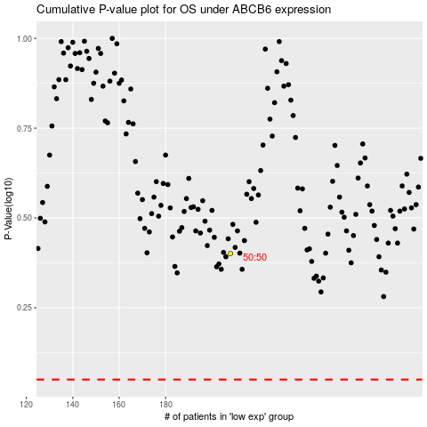

 |  |  |  |  |  | cases_OS | p_OS | rank | exp
 |  |  |  |  |  |  | cases_RFS | p_RFS | rank | exp

