ABCB7 _multivariate
Reported by Tex Li-Hsing Chi. tex@gate.sinica.edu.tw 2019-08-22

Table 2. The clinicopathological features of HNSCC cohort and ABCB7 expression. (Chi square test)
Cutoff at 0.147 (68.1%)
 |  | ABCB7 expression |  | ABCB7 expression |  | (Optimised)
 | Features | Low | (%) | High | (%) | Case no | P-value | Remark | Matthews
Gender | Female | 203 | 48.9 | 103 | 24.8 | 415 | 0.2156 | 0 | 0
2 | Male | 80 | 19.3 | 29 | 7
Age at diagnosis | <=65y | 181 | 43.6 | 93 | 22.4 | 415 | 0.234 | 0 | 0
4 | >65y | 102 | 24.6 | 39 | 9.4
Clinical T Status | T1+T2 | 98 | 23.6 | 51 | 12.3 | 415 | 0.4948 | 0 | 0
6 | T3+T4 | 185 | 44.6 | 81 | 19.5
Clinical N Status | N0 | 154 | 37.1 | 62 | 14.9 | 415 | 0.1906 | 0 | 0
8 | N1-3 | 129 | 31.1 | 70 | 16.9
Clinical M Status | M0 | 280 | 67.5 | 132 | 31.8 | 415 | 0.5546 | 0 | 0
10 | M1 | 3 | 0.7 | 0 | 0
Clinical Stage | Stage I+II | 70 | 16.9 | 32 | 7.7 | 415 | 1 | 0 | 0
12 | Stage III+IV | 213 | 51.3 | 100 | 24.1
Surgical Margin status | Negative | 224 | 54 | 94 | 22.7 | 415 | 0.082 | 0 | 0
14 | Positive | 59 | 14.2 | 38 | 9.2
Tobacco Exposure | Low | 120 | 28.9 | 41 | 9.9 | 415 | 0.0306 | 1 | 0
16 | High | 163 | 39.3 | 91 | 21.9

Table 3. Univariate/Multivariate Cox's proportional hazards regression analyses on OS time of ABCB7 gene expression in HNSCC

 |  | Univariate |  |  |  | Multivariate
 | Features | HR | CI95%(L) | CI95%(H) | P-value | HR | CI95%(L) | CI95%(H) | P-value
1 | Female | 1 |  |  |  | 1
Gender | Male | 1.157 | 0.843 | 1.587 | 0.367 | 1.206 | 0.864 | 1.684 | 0.271
11 | <=65y | 1 |  |  |  | 1
Age at diagnosis | >65y | 1.329 | 0.99 | 1.784 | 0.058 | 1.433 | 1.053 | 1.95 | 0.022
12 | T1+T2 | 1 |  |  |  | 1
Clinical T Status | T3+T4 | 1.409 | 1.028 | 1.931 | 0.033 | 2.25 | 1.191 | 4.252 | 0.012
13 | N0 | 1 |  |  |  | 1
Clinical N Status | N1-3 | 1.185 | 0.89 | 1.577 | 0.246 | 1.228 | 0.86 | 1.753 | 0.258
14 | M0 | 1 |  |  |  | 1
Clinical M Status | M1 | 4.097 | 1.009 | 16.644 | 0.049 | 11.124 | 2.414 | 51.26 | 0.002
15 | Stage I+II | 1 |  |  |  | 1
Clinical Stage | Stage III+IV | 1.245 | 0.882 | 1.759 | 0.213 | 0.499 | 0.232 | 1.073 | 0.075
16 | Negative | 1 |  |  |  | 1
Surgical Margin status | Positive | 1.591 | 1.155 | 2.191 | 0.004 | 1.556 | 1.122 | 2.157 | 0.008
17 | Low | 1 |  |  |  | 1
Tobacco Exposure | High | 1.364 | 1.008 | 1.844 | 0.044 | 1.409 | 1.024 | 1.94 | 0.035
18 | Low | 1 |  |  |  | 1
RNAseq(z-score) | High | 1.562 | 1.163 | 2.099 | 0.003 | 1.515 | 1.119 | 2.052 | 0.007

Table 4. Univariate/Multivariate Cox's proportional hazards regression analyses on RFS time of ABCB7 gene expression in HNSCC

 |  | Univariate |  |  |  | Multivariate
 | Features | HR | CI95%(L) | CI95%(H) | P-value | HR | CI95%(L) | CI95%(H) | P-value
1 | Female | 1 |  |  |  | 1
Gender | Male | 1.157 | 0.843 | 1.587 | 0.367 | 1.206 | 0.864 | 1.684 | 0.271
11 | <=65y | 1 |  |  |  | 1
Age at diagnosis | >65y | 1.329 | 0.99 | 1.784 | 0.058 | 1.433 | 1.053 | 1.95 | 0.022
12 | T1+T2 | 1 |  |  |  | 1
Clinical T Status | T3+T4 | 1.409 | 1.028 | 1.931 | 0.033 | 2.25 | 1.191 | 4.252 | 0.012
13 | N0 | 1 |  |  |  | 1
Clinical N Status | N1-3 | 1.185 | 0.89 | 1.577 | 0.246 | 1.228 | 0.86 | 1.753 | 0.258
14 | M0 | 1 |  |  |  | 1
Clinical M Status | M1 | 4.097 | 1.009 | 16.644 | 0.049 | 11.124 | 2.414 | 51.26 | 0.002
15 | Stage I+II | 1 |  |  |  | 1
Clinical Stage | Stage III+IV | 1.245 | 0.882 | 1.759 | 0.213 | 0.499 | 0.232 | 1.073 | 0.075
16 | Negative | 1 |  |  |  | 1
Surgical Margin status | Positive | 1.591 | 1.155 | 2.191 | 0.004 | 1.556 | 1.122 | 2.157 | 0.008
17 | Low | 1 |  |  |  | 1
Tobacco Exposure | High | 1.364 | 1.008 | 1.844 | 0.044 | 1.409 | 1.024 | 1.94 | 0.035
18 | Low | 1 |  |  |  | 1
RNAseq(z-score) | High | 1.562 | 1.163 | 2.099 | 0.003 | 1.515 | 1.119 | 2.052 | 0.007

Kaplan-Meier survival estimate: Cutoff at 0.147 (68.1%)

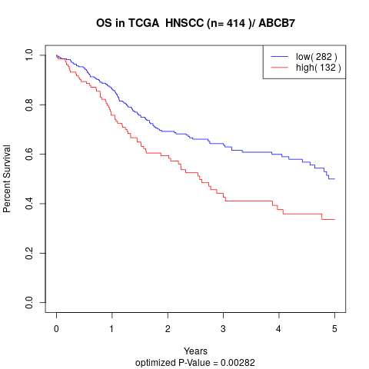

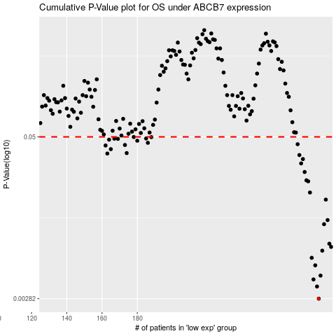

 |  |  |  |  |  | cases_OS | p_OS | rank | exp
 |  |  |  |  |  | 283 | 0.00282 | 97 | 0.14740754079
 |  |  |  |  |  | 282 | 0.0035 | 101 | 0.14449562933
 |  |  |  |  |  | 280 | 0.00397 | 56 | 0.14066508407
 |  |  |  |  |  | 284 | 0.00425 | 377 | 0.15012360982
 |  |  |  |  |  | 281 | 0.0051 | 141 | 0.14120282093
 |  |  |  |  |  | 279 | 0.00583 | 397 | 0.13835812657
 |  |  |  |  |  | 285 | 0.00662 | 241 | 0.15098581444
 |  |  |  |  |  | 290 | 0.00708 | 273 | 0.17277743455
 |  |  |  |  |  | 289 | 0.00749 | 94 | 0.17260233814
 |  |  |  |  |  | 286 | 0.0106 | 398 | 0.1647130414
 |  |  |  |  |  | 288 | 0.0114 | 140 | 0.17240981507
 |  |  |  |  |  | 287 | 0.0164 | 122 | 0.17155258949
 |  |  |  |  |  | 278 | 0.0186 | 245 | 0.13712996215
 |  |  |  |  |  | 277 | 0.0227 | 303 | 0.13245131957
 |  |  |  |  |  | 276 | 0.0231 | 345 | 0.13155343179
 |  |  |  |  |  | 275 | 0.0268 | 408 | 0.13134182238
 |  |  |  |  |  | 273 | 0.0312 | 72 | 0.11070700038
 |  |  |  |  |  | 274 | 0.0337 | 286 | 0.12775856969
 |  |  |  |  |  | 272 | 0.0362 | 354 | 0.10700591029
 |  |  |  |  |  | 163 | 0.0372 | 92 | -0.41002890645
 |  |  |  |  |  | 174 | 0.0375 | 274 | -0.3801753827
 |  |  |  |  |  | 165 | 0.0402 | 201 | -0.40710454737
 |  |  |  |  |  | 162 | 0.0429 | 96 | -0.41765099444
 |  |  |  |  |  | 173 | 0.0433 | 295 | -0.38089568454
 |  |  |  |  |  | 271 | 0.0439 | 157 | 0.089244827074
 |  |  |  |  |  | 186 | 0.045 | 76 | -0.33693901593
 |  |  |  |  |  | 180 | 0.0467 | 159 | -0.35534903468
 |  |  |  |  |  | 164 | 0.0476 | 17 | -0.40754934205
 |  |  |  |  |  | 169 | 0.0483 | 215 | -0.38829703487
 |  |  |  |  |  | 167 | 0.0484 | 285 | -0.3949664656
 |  |  |  |  |  | 185 | 0.0486 | 374 | -0.33803108646
 |  |  |  |  |  | 188 | 0.0498 | 236 | -0.32802486577
 |  |  |  |  |  | 178 | 0.0499 | 142 | -0.36180602615
 |  |  |  |  |  |  | cases_RFS | p_RFS | rank | exp
 |  |  |  |  |  |  | 282 | 0.00282 | 101 | 0.14449562933
 |  |  |  |  |  |  | 281 | 0.0035 | 141 | 0.14120282093
 |  |  |  |  |  |  | 279 | 0.00397 | 397 | 0.13835812657
 |  |  |  |  |  |  | 283 | 0.00425 | 97 | 0.14740754079
 |  |  |  |  |  |  | 280 | 0.0051 | 56 | 0.14066508407
 |  |  |  |  |  |  | 278 | 0.00583 | 245 | 0.13712996215
 |  |  |  |  |  |  | 284 | 0.00662 | 377 | 0.15012360982
 |  |  |  |  |  |  | 289 | 0.00708 | 94 | 0.17260233814
 |  |  |  |  |  |  | 288 | 0.00749 | 140 | 0.17240981507
 |  |  |  |  |  |  | 285 | 0.0106 | 241 | 0.15098581444
 |  |  |  |  |  |  | 287 | 0.0114 | 122 | 0.17155258949
 |  |  |  |  |  |  | 286 | 0.0164 | 398 | 0.1647130414
 |  |  |  |  |  |  | 277 | 0.0186 | 303 | 0.13245131957
 |  |  |  |  |  |  | 276 | 0.0227 | 345 | 0.13155343179
 |  |  |  |  |  |  | 275 | 0.0231 | 408 | 0.13134182238
 |  |  |  |  |  |  | 274 | 0.0268 | 286 | 0.12775856969
 |  |  |  |  |  |  | 272 | 0.0312 | 354 | 0.10700591029
 |  |  |  |  |  |  | 273 | 0.0337 | 72 | 0.11070700038
 |  |  |  |  |  |  | 271 | 0.0362 | 157 | 0.089244827074
 |  |  |  |  |  |  | 162 | 0.0372 | 96 | -0.41765099444
 |  |  |  |  |  |  | 173 | 0.0375 | 295 | -0.38089568454
 |  |  |  |  |  |  | 164 | 0.0402 | 17 | -0.40754934205
 |  |  |  |  |  |  | 161 | 0.0429 | 233 | -0.41802691234
 |  |  |  |  |  |  | 172 | 0.0433 | 230 | -0.38139275919
 |  |  |  |  |  |  | 270 | 0.0439 | 350 | 0.072485361734
 |  |  |  |  |  |  | 185 | 0.045 | 374 | -0.33803108646
 |  |  |  |  |  |  | 179 | 0.0467 | 116 | -0.35738463423
 |  |  |  |  |  |  | 163 | 0.0476 | 92 | -0.41002890645
 |  |  |  |  |  |  | 168 | 0.0483 | 57 | -0.39137823386
 |  |  |  |  |  |  | 166 | 0.0484 | 156 | -0.40269311354
 |  |  |  |  |  |  | 184 | 0.0486 | 324 | -0.33835804375
 |  |  |  |  |  |  | 187 | 0.0498 | 318 | -0.3356253779
 |  |  |  |  |  |  | 177 | 0.0499 | 346 | -0.3749556839

