ABCC4 _multivariate
Reported by Tex Li-Hsing Chi. tex@gate.sinica.edu.tw 2019-08-22

Table 2. The clinicopathological features of HNSCC cohort and ABCC4 expression. (Chi square test)
Cutoff at -0.157 (49.8%)
 |  | ABCC4 expression |  | ABCC4 expression |  | (Optimised)
 | Features | Low | (%) | High | (%) | Case no | P-value | Remark | Matthews
Gender | Female | 142 | 34.2 | 164 | 39.5 | 415 | 0.0238 | 1 | 0
2 | Male | 65 | 15.7 | 44 | 10.6
Age at diagnosis | <=65y | 139 | 33.5 | 135 | 32.5 | 415 | 0.7044 | 0 | 0
4 | >65y | 68 | 16.4 | 73 | 17.6
Clinical T Status | T1+T2 | 83 | 20 | 66 | 15.9 | 415 | 0.0941 | 0 | 0
6 | T3+T4 | 124 | 29.9 | 142 | 34.2
Clinical N Status | N0 | 110 | 26.5 | 106 | 25.5 | 415 | 0.7294 | 0 | 0
8 | N1-3 | 97 | 23.4 | 102 | 24.6
Clinical M Status | M0 | 204 | 49.2 | 208 | 50.1 | 415 | 0.1232 | 0 | 0
10 | M1 | 3 | 0.7 | 0 | 0
Clinical Stage | Stage I+II | 53 | 12.8 | 49 | 11.8 | 415 | 0.7113 | 0 | 0
12 | Stage III+IV | 154 | 37.1 | 159 | 38.3
Surgical Margin status | Negative | 156 | 37.6 | 162 | 39 | 415 | 0.5636 | 0 | 0
14 | Positive | 51 | 12.3 | 46 | 11.1
Tobacco Exposure | Low | 93 | 22.4 | 68 | 16.4 | 415 | 0.0118 | 1 | 0
16 | High | 114 | 27.5 | 140 | 33.7

Table 3. Univariate/Multivariate Cox's proportional hazards regression analyses on OS time of ABCC4 gene expression in HNSCC

 |  | Univariate |  |  |  | Multivariate
 | Features | HR | CI95%(L) | CI95%(H) | P-value | HR | CI95%(L) | CI95%(H) | P-value
1 | Female | 1 |  |  |  | 1
Gender | Male | 1.157 | 0.843 | 1.587 | 0.367 | 1.22 | 0.87 | 1.712 | 0.249
11 | <=65y | 1 |  |  |  | 1
Age at diagnosis | >65y | 1.329 | 0.99 | 1.784 | 0.058 | 1.391 | 1.023 | 1.891 | 0.035
12 | T1+T2 | 1 |  |  |  | 1
Clinical T Status | T3+T4 | 1.409 | 1.028 | 1.931 | 0.033 | 2.189 | 1.157 | 4.14 | 0.016
13 | N0 | 1 |  |  |  | 1
Clinical N Status | N1-3 | 1.185 | 0.89 | 1.577 | 0.246 | 1.237 | 0.867 | 1.766 | 0.241
14 | M0 | 1 |  |  |  | 1
Clinical M Status | M1 | 4.097 | 1.009 | 16.644 | 0.049 | 9.852 | 2.131 | 45.553 | 0.003
15 | Stage I+II | 1 |  |  |  | 1
Clinical Stage | Stage III+IV | 1.245 | 0.882 | 1.759 | 0.213 | 0.508 | 0.237 | 1.09 | 0.082
16 | Negative | 1 |  |  |  | 1
Surgical Margin status | Positive | 1.591 | 1.155 | 2.191 | 0.004 | 1.684 | 1.217 | 2.329 | 0.002
17 | Low | 1 |  |  |  | 1
Tobacco Exposure | High | 1.364 | 1.008 | 1.844 | 0.044 | 1.451 | 1.053 | 1.999 | 0.023
18 | Low | 1 |  |  |  | 1
RNAseq(z-score) | High | 1.052 | 0.788 | 1.404 | 0.732 | 1.09 | 0.811 | 1.466 | 0.567

Table 4. Univariate/Multivariate Cox's proportional hazards regression analyses on RFS time of ABCC4 gene expression in HNSCC

 |  | Univariate |  |  |  | Multivariate
 | Features | HR | CI95%(L) | CI95%(H) | P-value | HR | CI95%(L) | CI95%(H) | P-value
1 | Female | 1 |  |  |  | 1
Gender | Male | 1.157 | 0.843 | 1.587 | 0.367 | 1.22 | 0.87 | 1.712 | 0.249
11 | <=65y | 1 |  |  |  | 1
Age at diagnosis | >65y | 1.329 | 0.99 | 1.784 | 0.058 | 1.391 | 1.023 | 1.891 | 0.035
12 | T1+T2 | 1 |  |  |  | 1
Clinical T Status | T3+T4 | 1.409 | 1.028 | 1.931 | 0.033 | 2.189 | 1.157 | 4.14 | 0.016
13 | N0 | 1 |  |  |  | 1
Clinical N Status | N1-3 | 1.185 | 0.89 | 1.577 | 0.246 | 1.237 | 0.867 | 1.766 | 0.241
14 | M0 | 1 |  |  |  | 1
Clinical M Status | M1 | 4.097 | 1.009 | 16.644 | 0.049 | 9.852 | 2.131 | 45.553 | 0.003
15 | Stage I+II | 1 |  |  |  | 1
Clinical Stage | Stage III+IV | 1.245 | 0.882 | 1.759 | 0.213 | 0.508 | 0.237 | 1.09 | 0.082
16 | Negative | 1 |  |  |  | 1
Surgical Margin status | Positive | 1.591 | 1.155 | 2.191 | 0.004 | 1.684 | 1.217 | 2.329 | 0.002
17 | Low | 1 |  |  |  | 1
Tobacco Exposure | High | 1.364 | 1.008 | 1.844 | 0.044 | 1.451 | 1.053 | 1.999 | 0.023
18 | Low | 1 |  |  |  | 1
RNAseq(z-score) | High | 1.052 | 0.788 | 1.404 | 0.732 | 1.09 | 0.811 | 1.466 | 0.567

Kaplan-Meier survival estimate: Cutoff at -0.157 (49.8%)



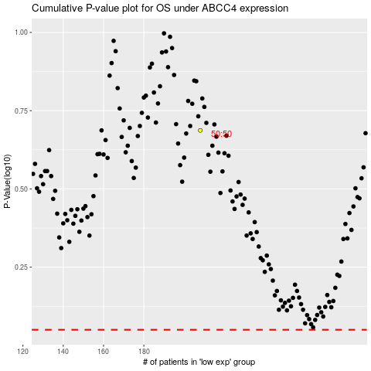

 |  |  |  |  |  | cases_OS | p_OS | rank | exp
 |  |  |  |  |  |  | cases_RFS | p_RFS | rank | exp

