ABCC5 _multivariate
Reported by Tex Li-Hsing Chi. tex@gate.sinica.edu.tw 2019-08-22

Table 2. The clinicopathological features of HNSCC cohort and ABCC5 expression. (Chi square test)
Cutoff at -0.347 (49.8%)
 |  | ABCC5 expression |  | ABCC5 expression |  | (Optimised)
 | Features | Low | (%) | High | (%) | Case no | P-value | Remark | Matthews
Gender | Female | 138 | 33.3 | 168 | 40.5 | 415 | 0.0016 | 1 | 0
2 | Male | 69 | 16.6 | 40 | 9.6
Age at diagnosis | <=65y | 131 | 31.6 | 143 | 34.5 | 415 | 0.2839 | 0 | 0
4 | >65y | 76 | 18.3 | 65 | 15.7
Clinical T Status | T1+T2 | 76 | 18.3 | 73 | 17.6 | 415 | 0.8092 | 0 | 0
6 | T3+T4 | 131 | 31.6 | 135 | 32.5
Clinical N Status | N0 | 110 | 26.5 | 106 | 25.5 | 415 | 0.7294 | 0 | 0
8 | N1-3 | 97 | 23.4 | 102 | 24.6
Clinical M Status | M0 | 206 | 49.6 | 206 | 49.6 | 415 | 1 | 0 | 0
10 | M1 | 1 | 0.2 | 2 | 0.5
Clinical Stage | Stage I+II | 58 | 14 | 44 | 10.6 | 415 | 0.131 | 0 | 0
12 | Stage III+IV | 149 | 35.9 | 164 | 39.5
Surgical Margin status | Negative | 162 | 39 | 156 | 37.6 | 415 | 0.4867 | 0 | 0
14 | Positive | 45 | 10.8 | 52 | 12.5
Tobacco Exposure | Low | 97 | 23.4 | 64 | 15.4 | 415 | 9e-04 | 1 | 0
16 | High | 110 | 26.5 | 144 | 34.7

Table 3. Univariate/Multivariate Cox's proportional hazards regression analyses on OS time of ABCC5 gene expression in HNSCC

 |  | Univariate |  |  |  | Multivariate
 | Features | HR | CI95%(L) | CI95%(H) | P-value | HR | CI95%(L) | CI95%(H) | P-value
1 | Female | 1 |  |  |  | 1
Gender | Male | 1.157 | 0.843 | 1.587 | 0.367 | 1.189 | 0.85 | 1.665 | 0.312
11 | <=65y | 1 |  |  |  | 1
Age at diagnosis | >65y | 1.329 | 0.99 | 1.784 | 0.058 | 1.388 | 1.021 | 1.887 | 0.036
12 | T1+T2 | 1 |  |  |  | 1
Clinical T Status | T3+T4 | 1.409 | 1.028 | 1.931 | 0.033 | 2.177 | 1.15 | 4.121 | 0.017
13 | N0 | 1 |  |  |  | 1
Clinical N Status | N1-3 | 1.185 | 0.89 | 1.577 | 0.246 | 1.236 | 0.866 | 1.763 | 0.243
14 | M0 | 1 |  |  |  | 1
Clinical M Status | M1 | 4.097 | 1.009 | 16.644 | 0.049 | 9.346 | 2.038 | 42.848 | 0.004
15 | Stage I+II | 1 |  |  |  | 1
Clinical Stage | Stage III+IV | 1.245 | 0.882 | 1.759 | 0.213 | 0.516 | 0.24 | 1.113 | 0.092
16 | Negative | 1 |  |  |  | 1
Surgical Margin status | Positive | 1.591 | 1.155 | 2.191 | 0.004 | 1.678 | 1.214 | 2.318 | 0.002
17 | Low | 1 |  |  |  | 1
Tobacco Exposure | High | 1.364 | 1.008 | 1.844 | 0.044 | 1.478 | 1.067 | 2.048 | 0.019
18 | Low | 1 |  |  |  | 1
RNAseq(z-score) | High | 0.943 | 0.708 | 1.255 | 0.686 | 0.915 | 0.679 | 1.234 | 0.562

Table 4. Univariate/Multivariate Cox's proportional hazards regression analyses on RFS time of ABCC5 gene expression in HNSCC

 |  | Univariate |  |  |  | Multivariate
 | Features | HR | CI95%(L) | CI95%(H) | P-value | HR | CI95%(L) | CI95%(H) | P-value
1 | Female | 1 |  |  |  | 1
Gender | Male | 1.157 | 0.843 | 1.587 | 0.367 | 1.189 | 0.85 | 1.665 | 0.312
11 | <=65y | 1 |  |  |  | 1
Age at diagnosis | >65y | 1.329 | 0.99 | 1.784 | 0.058 | 1.388 | 1.021 | 1.887 | 0.036
12 | T1+T2 | 1 |  |  |  | 1
Clinical T Status | T3+T4 | 1.409 | 1.028 | 1.931 | 0.033 | 2.177 | 1.15 | 4.121 | 0.017
13 | N0 | 1 |  |  |  | 1
Clinical N Status | N1-3 | 1.185 | 0.89 | 1.577 | 0.246 | 1.236 | 0.866 | 1.763 | 0.243
14 | M0 | 1 |  |  |  | 1
Clinical M Status | M1 | 4.097 | 1.009 | 16.644 | 0.049 | 9.346 | 2.038 | 42.848 | 0.004
15 | Stage I+II | 1 |  |  |  | 1
Clinical Stage | Stage III+IV | 1.245 | 0.882 | 1.759 | 0.213 | 0.516 | 0.24 | 1.113 | 0.092
16 | Negative | 1 |  |  |  | 1
Surgical Margin status | Positive | 1.591 | 1.155 | 2.191 | 0.004 | 1.678 | 1.214 | 2.318 | 0.002
17 | Low | 1 |  |  |  | 1
Tobacco Exposure | High | 1.364 | 1.008 | 1.844 | 0.044 | 1.478 | 1.067 | 2.048 | 0.019
18 | Low | 1 |  |  |  | 1
RNAseq(z-score) | High | 0.943 | 0.708 | 1.255 | 0.686 | 0.915 | 0.679 | 1.234 | 0.562

Kaplan-Meier survival estimate: Cutoff at -0.347 (49.8%)



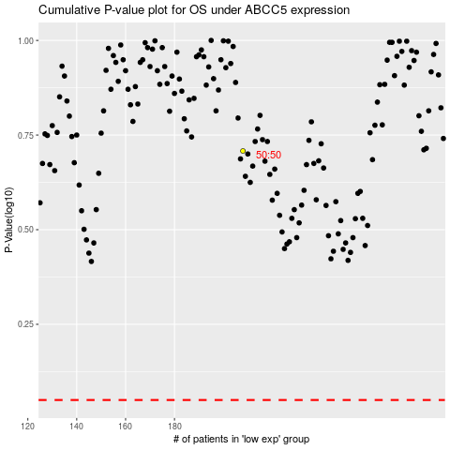

 |  |  |  |  |  | cases_OS | p_OS | rank | exp
 |  |  |  |  |  |  | cases_RFS | p_RFS | rank | exp

