ABCC6 _multivariate
Reported by Tex Li-Hsing Chi. tex@gate.sinica.edu.tw 2019-08-22

Table 2. The clinicopathological features of HNSCC cohort and ABCC6 expression. (Chi square test)
Cutoff at -0.201 (49.8%)
 |  | ABCC6 expression |  | ABCC6 expression |  | (Optimised)
 | Features | Low | (%) | High | (%) | Case no | P-value | Remark | Matthews
Gender | Female | 151 | 36.4 | 155 | 37.3 | 415 | 0.8007 | 0 | 0
2 | Male | 56 | 13.5 | 53 | 12.8
Age at diagnosis | <=65y | 142 | 34.2 | 132 | 31.8 | 415 | 0.3167 | 0 | 0
4 | >65y | 65 | 15.7 | 76 | 18.3
Clinical T Status | T1+T2 | 74 | 17.8 | 75 | 18.1 | 415 | 1 | 0 | 0
6 | T3+T4 | 133 | 32 | 133 | 32
Clinical N Status | N0 | 108 | 26 | 108 | 26 | 415 | 1 | 0 | 0
8 | N1-3 | 99 | 23.9 | 100 | 24.1
Clinical M Status | M0 | 205 | 49.4 | 207 | 49.9 | 415 | 0.6232 | 0 | 0
10 | M1 | 2 | 0.5 | 1 | 0.2
Clinical Stage | Stage I+II | 54 | 13 | 48 | 11.6 | 415 | 0.5498 | 0 | 0
12 | Stage III+IV | 153 | 36.9 | 160 | 38.6
Surgical Margin status | Negative | 153 | 36.9 | 165 | 39.8 | 415 | 0.2036 | 0 | 0
14 | Positive | 54 | 13 | 43 | 10.4
Tobacco Exposure | Low | 91 | 21.9 | 70 | 16.9 | 415 | 0.0346 | 1 | 0
16 | High | 116 | 28 | 138 | 33.3

Table 3. Univariate/Multivariate Cox's proportional hazards regression analyses on OS time of ABCC6 gene expression in HNSCC

 |  | Univariate |  |  |  | Multivariate
 | Features | HR | CI95%(L) | CI95%(H) | P-value | HR | CI95%(L) | CI95%(H) | P-value
1 | Female | 1 |  |  |  | 1
Gender | Male | 1.157 | 0.843 | 1.587 | 0.367 | 1.208 | 0.866 | 1.687 | 0.266
11 | <=65y | 1 |  |  |  | 1
Age at diagnosis | >65y | 1.329 | 0.99 | 1.784 | 0.058 | 1.42 | 1.043 | 1.934 | 0.026
12 | T1+T2 | 1 |  |  |  | 1
Clinical T Status | T3+T4 | 1.409 | 1.028 | 1.931 | 0.033 | 2.162 | 1.142 | 4.091 | 0.018
13 | N0 | 1 |  |  |  | 1
Clinical N Status | N1-3 | 1.185 | 0.89 | 1.577 | 0.246 | 1.246 | 0.873 | 1.778 | 0.225
14 | M0 | 1 |  |  |  | 1
Clinical M Status | M1 | 4.097 | 1.009 | 16.644 | 0.049 | 9.078 | 1.978 | 41.66 | 0.005
15 | Stage I+II | 1 |  |  |  | 1
Clinical Stage | Stage III+IV | 1.245 | 0.882 | 1.759 | 0.213 | 0.522 | 0.243 | 1.124 | 0.097
16 | Negative | 1 |  |  |  | 1
Surgical Margin status | Positive | 1.591 | 1.155 | 2.191 | 0.004 | 1.63 | 1.177 | 2.258 | 0.003
17 | Low | 1 |  |  |  | 1
Tobacco Exposure | High | 1.364 | 1.008 | 1.844 | 0.044 | 1.486 | 1.077 | 2.051 | 0.016
18 | Low | 1 |  |  |  | 1
RNAseq(z-score) | High | 0.861 | 0.647 | 1.148 | 0.308 | 0.837 | 0.624 | 1.124 | 0.238

Table 4. Univariate/Multivariate Cox's proportional hazards regression analyses on RFS time of ABCC6 gene expression in HNSCC

 |  | Univariate |  |  |  | Multivariate
 | Features | HR | CI95%(L) | CI95%(H) | P-value | HR | CI95%(L) | CI95%(H) | P-value
1 | Female | 1 |  |  |  | 1
Gender | Male | 1.157 | 0.843 | 1.587 | 0.367 | 1.208 | 0.866 | 1.687 | 0.266
11 | <=65y | 1 |  |  |  | 1
Age at diagnosis | >65y | 1.329 | 0.99 | 1.784 | 0.058 | 1.42 | 1.043 | 1.934 | 0.026
12 | T1+T2 | 1 |  |  |  | 1
Clinical T Status | T3+T4 | 1.409 | 1.028 | 1.931 | 0.033 | 2.162 | 1.142 | 4.091 | 0.018
13 | N0 | 1 |  |  |  | 1
Clinical N Status | N1-3 | 1.185 | 0.89 | 1.577 | 0.246 | 1.246 | 0.873 | 1.778 | 0.225
14 | M0 | 1 |  |  |  | 1
Clinical M Status | M1 | 4.097 | 1.009 | 16.644 | 0.049 | 9.078 | 1.978 | 41.66 | 0.005
15 | Stage I+II | 1 |  |  |  | 1
Clinical Stage | Stage III+IV | 1.245 | 0.882 | 1.759 | 0.213 | 0.522 | 0.243 | 1.124 | 0.097
16 | Negative | 1 |  |  |  | 1
Surgical Margin status | Positive | 1.591 | 1.155 | 2.191 | 0.004 | 1.63 | 1.177 | 2.258 | 0.003
17 | Low | 1 |  |  |  | 1
Tobacco Exposure | High | 1.364 | 1.008 | 1.844 | 0.044 | 1.486 | 1.077 | 2.051 | 0.016
18 | Low | 1 |  |  |  | 1
RNAseq(z-score) | High | 0.861 | 0.647 | 1.148 | 0.308 | 0.837 | 0.624 | 1.124 | 0.238

Kaplan-Meier survival estimate: Cutoff at -0.201 (49.8%)



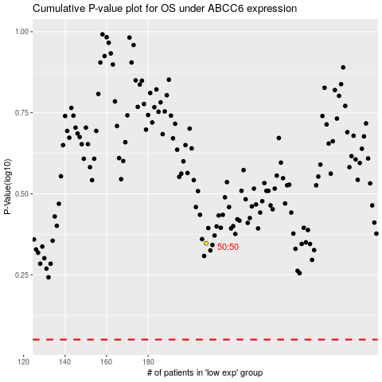

 |  |  |  |  |  | cases_OS | p_OS | rank | exp
 |  |  |  |  |  |  | cases_RFS | p_RFS | rank | exp

