ABCC6P2 _multivariate
Reported by Tex Li-Hsing Chi. tex@gate.sinica.edu.tw 2019-08-22

Table 2. The clinicopathological features of HNSCC cohort and ABCC6P2 expression. (Chi square test)
Cutoff at -0.25 (49.8%)
 |  | ABCC6P2 expression |  | ABCC6P2 expression |  | (Optimised)
 | Features | Low | (%) | High | (%) | Case no | P-value | Remark | Matthews
Gender | Female | 143 | 34.5 | 163 | 39.3 | 415 | 0.0416 | 1 | 0
2 | Male | 64 | 15.4 | 45 | 10.8
Age at diagnosis | <=65y | 137 | 33 | 137 | 33 | 415 | 1 | 0 | 0
4 | >65y | 70 | 16.9 | 71 | 17.1
Clinical T Status | T1+T2 | 73 | 17.6 | 76 | 18.3 | 415 | 0.8666 | 0 | 0
6 | T3+T4 | 134 | 32.3 | 132 | 31.8
Clinical N Status | N0 | 107 | 25.8 | 109 | 26.3 | 415 | 0.9624 | 0 | 0
8 | N1-3 | 100 | 24.1 | 99 | 23.9
Clinical M Status | M0 | 204 | 49.2 | 208 | 50.1 | 415 | 0.1232 | 0 | 0
10 | M1 | 3 | 0.7 | 0 | 0
Clinical Stage | Stage I+II | 49 | 11.8 | 53 | 12.8 | 415 | 0.7535 | 0 | 0
12 | Stage III+IV | 158 | 38.1 | 155 | 37.3
Surgical Margin status | Negative | 159 | 38.3 | 159 | 38.3 | 415 | 1 | 0 | 0
14 | Positive | 48 | 11.6 | 49 | 11.8
Tobacco Exposure | Low | 94 | 22.7 | 67 | 16.1 | 415 | 0.0065 | 1 | 0
16 | High | 113 | 27.2 | 141 | 34

Table 3. Univariate/Multivariate Cox's proportional hazards regression analyses on OS time of ABCC6P2 gene expression in HNSCC

 |  | Univariate |  |  |  | Multivariate
 | Features | HR | CI95%(L) | CI95%(H) | P-value | HR | CI95%(L) | CI95%(H) | P-value
1 | Female | 1 |  |  |  | 1
Gender | Male | 1.157 | 0.843 | 1.587 | 0.367 | 1.207 | 0.864 | 1.686 | 0.27
11 | <=65y | 1 |  |  |  | 1
Age at diagnosis | >65y | 1.329 | 0.99 | 1.784 | 0.058 | 1.39 | 1.023 | 1.89 | 0.036
12 | T1+T2 | 1 |  |  |  | 1
Clinical T Status | T3+T4 | 1.409 | 1.028 | 1.931 | 0.033 | 2.208 | 1.168 | 4.176 | 0.015
13 | N0 | 1 |  |  |  | 1
Clinical N Status | N1-3 | 1.185 | 0.89 | 1.577 | 0.246 | 1.246 | 0.873 | 1.778 | 0.227
14 | M0 | 1 |  |  |  | 1
Clinical M Status | M1 | 4.097 | 1.009 | 16.644 | 0.049 | 9.93 | 2.148 | 45.906 | 0.003
15 | Stage I+II | 1 |  |  |  | 1
Clinical Stage | Stage III+IV | 1.245 | 0.882 | 1.759 | 0.213 | 0.502 | 0.234 | 1.078 | 0.077
16 | Negative | 1 |  |  |  | 1
Surgical Margin status | Positive | 1.591 | 1.155 | 2.191 | 0.004 | 1.685 | 1.218 | 2.331 | 0.002
17 | Low | 1 |  |  |  | 1
Tobacco Exposure | High | 1.364 | 1.008 | 1.844 | 0.044 | 1.422 | 1.027 | 1.97 | 0.034
18 | Low | 1 |  |  |  | 1
RNAseq(z-score) | High | 1.094 | 0.82 | 1.46 | 0.54 | 1.109 | 0.823 | 1.493 | 0.497

Table 4. Univariate/Multivariate Cox's proportional hazards regression analyses on RFS time of ABCC6P2 gene expression in HNSCC

 |  | Univariate |  |  |  | Multivariate
 | Features | HR | CI95%(L) | CI95%(H) | P-value | HR | CI95%(L) | CI95%(H) | P-value
1 | Female | 1 |  |  |  | 1
Gender | Male | 1.157 | 0.843 | 1.587 | 0.367 | 1.207 | 0.864 | 1.686 | 0.27
11 | <=65y | 1 |  |  |  | 1
Age at diagnosis | >65y | 1.329 | 0.99 | 1.784 | 0.058 | 1.39 | 1.023 | 1.89 | 0.036
12 | T1+T2 | 1 |  |  |  | 1
Clinical T Status | T3+T4 | 1.409 | 1.028 | 1.931 | 0.033 | 2.208 | 1.168 | 4.176 | 0.015
13 | N0 | 1 |  |  |  | 1
Clinical N Status | N1-3 | 1.185 | 0.89 | 1.577 | 0.246 | 1.246 | 0.873 | 1.778 | 0.227
14 | M0 | 1 |  |  |  | 1
Clinical M Status | M1 | 4.097 | 1.009 | 16.644 | 0.049 | 9.93 | 2.148 | 45.906 | 0.003
15 | Stage I+II | 1 |  |  |  | 1
Clinical Stage | Stage III+IV | 1.245 | 0.882 | 1.759 | 0.213 | 0.502 | 0.234 | 1.078 | 0.077
16 | Negative | 1 |  |  |  | 1
Surgical Margin status | Positive | 1.591 | 1.155 | 2.191 | 0.004 | 1.685 | 1.218 | 2.331 | 0.002
17 | Low | 1 |  |  |  | 1
Tobacco Exposure | High | 1.364 | 1.008 | 1.844 | 0.044 | 1.422 | 1.027 | 1.97 | 0.034
18 | Low | 1 |  |  |  | 1
RNAseq(z-score) | High | 1.094 | 0.82 | 1.46 | 0.54 | 1.109 | 0.823 | 1.493 | 0.497

Kaplan-Meier survival estimate: Cutoff at -0.25 (49.8%)



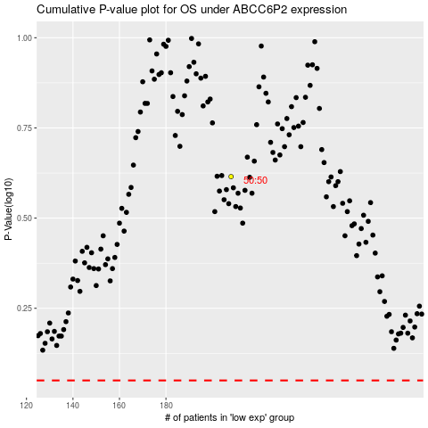

 |  |  |  |  |  | cases_OS | p_OS | rank | exp
 |  |  |  |  |  |  | cases_RFS | p_RFS | rank | exp

