ABCC9 _multivariate
Reported by Tex Li-Hsing Chi. tex@gate.sinica.edu.tw 2019-08-22

Table 2. The clinicopathological features of HNSCC cohort and ABCC9 expression. (Chi square test)
Cutoff at -0.116 (62.3%)
 |  | ABCC9 expression |  | ABCC9 expression |  | (Optimised)
 | Features | Low | (%) | High | (%) | Case no | P-value | Remark | Matthews
Gender | Female | 197 | 47.5 | 109 | 26.3 | 415 | 0.1497 | 0 | 0
2 | Male | 61 | 14.7 | 48 | 11.6
Age at diagnosis | <=65y | 169 | 40.7 | 105 | 25.3 | 415 | 0.8572 | 0 | 0
4 | >65y | 89 | 21.4 | 52 | 12.5
Clinical T Status | T1+T2 | 85 | 20.5 | 64 | 15.4 | 415 | 0.1324 | 0 | 0
6 | T3+T4 | 173 | 41.7 | 93 | 22.4
Clinical N Status | N0 | 129 | 31.1 | 87 | 21 | 415 | 0.3324 | 0 | 0
8 | N1-3 | 129 | 31.1 | 70 | 16.9
Clinical M Status | M0 | 255 | 61.4 | 157 | 37.8 | 415 | 0.2927 | 0 | 0
10 | M1 | 3 | 0.7 | 0 | 0
Clinical Stage | Stage I+II | 54 | 13 | 48 | 11.6 | 415 | 0.0362 | 1 | 0
12 | Stage III+IV | 204 | 49.2 | 109 | 26.3
Surgical Margin status | Negative | 189 | 45.5 | 129 | 31.1 | 415 | 0.0421 | 1 | 0
14 | Positive | 69 | 16.6 | 28 | 6.7
Tobacco Exposure | Low | 94 | 22.7 | 67 | 16.1 | 415 | 0.2141 | 0 | 0
16 | High | 164 | 39.5 | 90 | 21.7

Table 3. Univariate/Multivariate Cox's proportional hazards regression analyses on OS time of ABCC9 gene expression in HNSCC

 |  | Univariate |  |  |  | Multivariate
 | Features | HR | CI95%(L) | CI95%(H) | P-value | HR | CI95%(L) | CI95%(H) | P-value
1 | Female | 1 |  |  |  | 1
Gender | Male | 1.157 | 0.843 | 1.587 | 0.367 | 1.189 | 0.85 | 1.662 | 0.312
11 | <=65y | 1 |  |  |  | 1
Age at diagnosis | >65y | 1.329 | 0.99 | 1.784 | 0.058 | 1.378 | 1.013 | 1.873 | 0.041
12 | T1+T2 | 1 |  |  |  | 1
Clinical T Status | T3+T4 | 1.409 | 1.028 | 1.931 | 0.033 | 2.216 | 1.171 | 4.193 | 0.014
13 | N0 | 1 |  |  |  | 1
Clinical N Status | N1-3 | 1.185 | 0.89 | 1.577 | 0.246 | 1.247 | 0.874 | 1.779 | 0.224
14 | M0 | 1 |  |  |  | 1
Clinical M Status | M1 | 4.097 | 1.009 | 16.644 | 0.049 | 8.707 | 1.893 | 40.053 | 0.005
15 | Stage I+II | 1 |  |  |  | 1
Clinical Stage | Stage III+IV | 1.245 | 0.882 | 1.759 | 0.213 | 0.495 | 0.23 | 1.062 | 0.071
16 | Negative | 1 |  |  |  | 1
Surgical Margin status | Positive | 1.591 | 1.155 | 2.191 | 0.004 | 1.631 | 1.178 | 2.259 | 0.003
17 | Low | 1 |  |  |  | 1
Tobacco Exposure | High | 1.364 | 1.008 | 1.844 | 0.044 | 1.427 | 1.034 | 1.968 | 0.03
18 | Low | 1 |  |  |  | 1
RNAseq(z-score) | High | 0.733 | 0.541 | 0.994 | 0.045 | 0.805 | 0.591 | 1.095 | 0.166

Table 4. Univariate/Multivariate Cox's proportional hazards regression analyses on RFS time of ABCC9 gene expression in HNSCC

 |  | Univariate |  |  |  | Multivariate
 | Features | HR | CI95%(L) | CI95%(H) | P-value | HR | CI95%(L) | CI95%(H) | P-value
1 | Female | 1 |  |  |  | 1
Gender | Male | 1.157 | 0.843 | 1.587 | 0.367 | 1.189 | 0.85 | 1.662 | 0.312
11 | <=65y | 1 |  |  |  | 1
Age at diagnosis | >65y | 1.329 | 0.99 | 1.784 | 0.058 | 1.378 | 1.013 | 1.873 | 0.041
12 | T1+T2 | 1 |  |  |  | 1
Clinical T Status | T3+T4 | 1.409 | 1.028 | 1.931 | 0.033 | 2.216 | 1.171 | 4.193 | 0.014
13 | N0 | 1 |  |  |  | 1
Clinical N Status | N1-3 | 1.185 | 0.89 | 1.577 | 0.246 | 1.247 | 0.874 | 1.779 | 0.224
14 | M0 | 1 |  |  |  | 1
Clinical M Status | M1 | 4.097 | 1.009 | 16.644 | 0.049 | 8.707 | 1.893 | 40.053 | 0.005
15 | Stage I+II | 1 |  |  |  | 1
Clinical Stage | Stage III+IV | 1.245 | 0.882 | 1.759 | 0.213 | 0.495 | 0.23 | 1.062 | 0.071
16 | Negative | 1 |  |  |  | 1
Surgical Margin status | Positive | 1.591 | 1.155 | 2.191 | 0.004 | 1.631 | 1.178 | 2.259 | 0.003
17 | Low | 1 |  |  |  | 1
Tobacco Exposure | High | 1.364 | 1.008 | 1.844 | 0.044 | 1.427 | 1.034 | 1.968 | 0.03
18 | Low | 1 |  |  |  | 1
RNAseq(z-score) | High | 0.733 | 0.541 | 0.994 | 0.045 | 0.805 | 0.591 | 1.095 | 0.166

Kaplan-Meier survival estimate: Cutoff at -0.116 (62.3%)



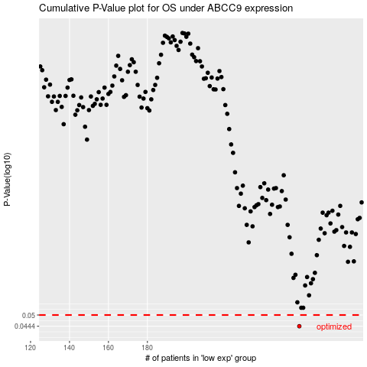

 |  |  |  |  |  | cases_OS | p_OS | rank | exp
 |  |  |  |  |  | 258 | 0.0444 | 233 | -0.11583404589
 |  |  |  |  |  |  | cases_RFS | p_RFS | rank | exp
 |  |  |  |  |  |  | 257 | 0.0444 | 284 | -0.12478437634

