ABCD1 _multivariate
Reported by Tex Li-Hsing Chi. tex@gate.sinica.edu.tw 2019-08-22

Table 2. The clinicopathological features of HNSCC cohort and ABCD1 expression. (Chi square test)
Cutoff at -0.171 (49.8%)
 |  | ABCD1 expression |  | ABCD1 expression |  | (Optimised)
 | Features | Low | (%) | High | (%) | Case no | P-value | Remark | Matthews
Gender | Female | 159 | 38.3 | 147 | 35.4 | 415 | 0.1905 | 0 | 0
2 | Male | 48 | 11.6 | 61 | 14.7
Age at diagnosis | <=65y | 139 | 33.5 | 135 | 32.5 | 415 | 0.7044 | 0 | 0
4 | >65y | 68 | 16.4 | 73 | 17.6
Clinical T Status | T1+T2 | 69 | 16.6 | 80 | 19.3 | 415 | 0.3239 | 0 | 0
6 | T3+T4 | 138 | 33.3 | 128 | 30.8
Clinical N Status | N0 | 108 | 26 | 108 | 26 | 415 | 1 | 0 | 0
8 | N1-3 | 99 | 23.9 | 100 | 24.1
Clinical M Status | M0 | 206 | 49.6 | 206 | 49.6 | 415 | 1 | 0 | 0
10 | M1 | 1 | 0.2 | 2 | 0.5
Clinical Stage | Stage I+II | 44 | 10.6 | 58 | 14 | 415 | 0.1459 | 0 | 0
12 | Stage III+IV | 163 | 39.3 | 150 | 36.1
Surgical Margin status | Negative | 153 | 36.9 | 165 | 39.8 | 415 | 0.2036 | 0 | 0
14 | Positive | 54 | 13 | 43 | 10.4
Tobacco Exposure | Low | 77 | 18.6 | 84 | 20.2 | 415 | 0.5459 | 0 | 0
16 | High | 130 | 31.3 | 124 | 29.9

Table 3. Univariate/Multivariate Cox's proportional hazards regression analyses on OS time of ABCD1 gene expression in HNSCC

 |  | Univariate |  |  |  | Multivariate
 | Features | HR | CI95%(L) | CI95%(H) | P-value | HR | CI95%(L) | CI95%(H) | P-value
1 | Female | 1 |  |  |  | 1
Gender | Male | 1.157 | 0.843 | 1.587 | 0.367 | 1.202 | 0.86 | 1.68 | 0.28
11 | <=65y | 1 |  |  |  | 1
Age at diagnosis | >65y | 1.329 | 0.99 | 1.784 | 0.058 | 1.385 | 1.018 | 1.883 | 0.038
12 | T1+T2 | 1 |  |  |  | 1
Clinical T Status | T3+T4 | 1.409 | 1.028 | 1.931 | 0.033 | 2.161 | 1.141 | 4.09 | 0.018
13 | N0 | 1 |  |  |  | 1
Clinical N Status | N1-3 | 1.185 | 0.89 | 1.577 | 0.246 | 1.223 | 0.856 | 1.747 | 0.269
14 | M0 | 1 |  |  |  | 1
Clinical M Status | M1 | 4.097 | 1.009 | 16.644 | 0.049 | 9.134 | 1.99 | 41.913 | 0.004
15 | Stage I+II | 1 |  |  |  | 1
Clinical Stage | Stage III+IV | 1.245 | 0.882 | 1.759 | 0.213 | 0.52 | 0.242 | 1.119 | 0.094
16 | Negative | 1 |  |  |  | 1
Surgical Margin status | Positive | 1.591 | 1.155 | 2.191 | 0.004 | 1.69 | 1.222 | 2.337 | 0.002
17 | Low | 1 |  |  |  | 1
Tobacco Exposure | High | 1.364 | 1.008 | 1.844 | 0.044 | 1.462 | 1.061 | 2.016 | 0.02
18 | Low | 1 |  |  |  | 1
RNAseq(z-score) | High | 1.152 | 0.865 | 1.535 | 0.332 | 1.157 | 0.866 | 1.545 | 0.323

Table 4. Univariate/Multivariate Cox's proportional hazards regression analyses on RFS time of ABCD1 gene expression in HNSCC

 |  | Univariate |  |  |  | Multivariate
 | Features | HR | CI95%(L) | CI95%(H) | P-value | HR | CI95%(L) | CI95%(H) | P-value
1 | Female | 1 |  |  |  | 1
Gender | Male | 1.157 | 0.843 | 1.587 | 0.367 | 1.202 | 0.86 | 1.68 | 0.28
11 | <=65y | 1 |  |  |  | 1
Age at diagnosis | >65y | 1.329 | 0.99 | 1.784 | 0.058 | 1.385 | 1.018 | 1.883 | 0.038
12 | T1+T2 | 1 |  |  |  | 1
Clinical T Status | T3+T4 | 1.409 | 1.028 | 1.931 | 0.033 | 2.161 | 1.141 | 4.09 | 0.018
13 | N0 | 1 |  |  |  | 1
Clinical N Status | N1-3 | 1.185 | 0.89 | 1.577 | 0.246 | 1.223 | 0.856 | 1.747 | 0.269
14 | M0 | 1 |  |  |  | 1
Clinical M Status | M1 | 4.097 | 1.009 | 16.644 | 0.049 | 9.134 | 1.99 | 41.913 | 0.004
15 | Stage I+II | 1 |  |  |  | 1
Clinical Stage | Stage III+IV | 1.245 | 0.882 | 1.759 | 0.213 | 0.52 | 0.242 | 1.119 | 0.094
16 | Negative | 1 |  |  |  | 1
Surgical Margin status | Positive | 1.591 | 1.155 | 2.191 | 0.004 | 1.69 | 1.222 | 2.337 | 0.002
17 | Low | 1 |  |  |  | 1
Tobacco Exposure | High | 1.364 | 1.008 | 1.844 | 0.044 | 1.462 | 1.061 | 2.016 | 0.02
18 | Low | 1 |  |  |  | 1
RNAseq(z-score) | High | 1.152 | 0.865 | 1.535 | 0.332 | 1.157 | 0.866 | 1.545 | 0.323

Kaplan-Meier survival estimate: Cutoff at -0.171 (49.8%)



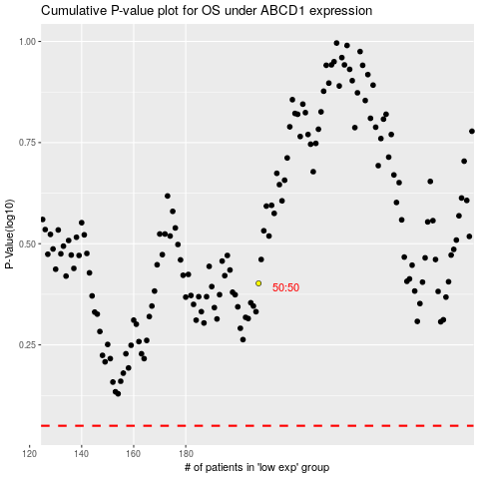

 |  |  |  |  |  | cases_OS | p_OS | rank | exp
 |  |  |  |  |  |  | cases_RFS | p_RFS | rank | exp

