ABCD4 _multivariate
Reported by Tex Li-Hsing Chi. tex@gate.sinica.edu.tw 2019-08-22

Table 2. The clinicopathological features of HNSCC cohort and ABCD4 expression. (Chi square test)
Cutoff at -0.155 (49.8%)
 |  | ABCD4 expression |  | ABCD4 expression |  | (Optimised)
 | Features | Low | (%) | High | (%) | Case no | P-value | Remark | Matthews
Gender | Female | 149 | 35.9 | 157 | 37.8 | 415 | 0.4848 | 0 | 0
2 | Male | 58 | 14 | 51 | 12.3
Age at diagnosis | <=65y | 144 | 34.7 | 130 | 31.3 | 415 | 0.1568 | 0 | 0
4 | >65y | 63 | 15.2 | 78 | 18.8
Clinical T Status | T1+T2 | 69 | 16.6 | 80 | 19.3 | 415 | 0.3239 | 0 | 0
6 | T3+T4 | 138 | 33.3 | 128 | 30.8
Clinical N Status | N0 | 102 | 24.6 | 114 | 27.5 | 415 | 0.3031 | 0 | 0
8 | N1-3 | 105 | 25.3 | 94 | 22.7
Clinical M Status | M0 | 205 | 49.4 | 207 | 49.9 | 415 | 0.6232 | 0 | 0
10 | M1 | 2 | 0.5 | 1 | 0.2
Clinical Stage | Stage I+II | 46 | 11.1 | 56 | 13.5 | 415 | 0.3182 | 0 | 0
12 | Stage III+IV | 161 | 38.8 | 152 | 36.6
Surgical Margin status | Negative | 165 | 39.8 | 153 | 36.9 | 415 | 0.1639 | 0 | 0
14 | Positive | 42 | 10.1 | 55 | 13.3
Tobacco Exposure | Low | 76 | 18.3 | 85 | 20.5 | 415 | 0.4207 | 0 | 0
16 | High | 131 | 31.6 | 123 | 29.6

Table 3. Univariate/Multivariate Cox's proportional hazards regression analyses on OS time of ABCD4 gene expression in HNSCC

 |  | Univariate |  |  |  | Multivariate
 | Features | HR | CI95%(L) | CI95%(H) | P-value | HR | CI95%(L) | CI95%(H) | P-value
1 | Female | 1 |  |  |  | 1
Gender | Male | 1.157 | 0.843 | 1.587 | 0.367 | 1.201 | 0.86 | 1.677 | 0.283
11 | <=65y | 1 |  |  |  | 1
Age at diagnosis | >65y | 1.329 | 0.99 | 1.784 | 0.058 | 1.398 | 1.027 | 1.903 | 0.033
12 | T1+T2 | 1 |  |  |  | 1
Clinical T Status | T3+T4 | 1.409 | 1.028 | 1.931 | 0.033 | 2.206 | 1.167 | 4.172 | 0.015
13 | N0 | 1 |  |  |  | 1
Clinical N Status | N1-3 | 1.185 | 0.89 | 1.577 | 0.246 | 1.244 | 0.872 | 1.776 | 0.229
14 | M0 | 1 |  |  |  | 1
Clinical M Status | M1 | 4.097 | 1.009 | 16.644 | 0.049 | 9.315 | 2.029 | 42.764 | 0.004
15 | Stage I+II | 1 |  |  |  | 1
Clinical Stage | Stage III+IV | 1.245 | 0.882 | 1.759 | 0.213 | 0.502 | 0.234 | 1.078 | 0.077
16 | Negative | 1 |  |  |  | 1
Surgical Margin status | Positive | 1.591 | 1.155 | 2.191 | 0.004 | 1.678 | 1.213 | 2.321 | 0.002
17 | Low | 1 |  |  |  | 1
Tobacco Exposure | High | 1.364 | 1.008 | 1.844 | 0.044 | 1.455 | 1.056 | 2.006 | 0.022
18 | Low | 1 |  |  |  | 1
RNAseq(z-score) | High | 1.02 | 0.765 | 1.359 | 0.893 | 0.959 | 0.717 | 1.284 | 0.78

Table 4. Univariate/Multivariate Cox's proportional hazards regression analyses on RFS time of ABCD4 gene expression in HNSCC

 |  | Univariate |  |  |  | Multivariate
 | Features | HR | CI95%(L) | CI95%(H) | P-value | HR | CI95%(L) | CI95%(H) | P-value
1 | Female | 1 |  |  |  | 1
Gender | Male | 1.157 | 0.843 | 1.587 | 0.367 | 1.201 | 0.86 | 1.677 | 0.283
11 | <=65y | 1 |  |  |  | 1
Age at diagnosis | >65y | 1.329 | 0.99 | 1.784 | 0.058 | 1.398 | 1.027 | 1.903 | 0.033
12 | T1+T2 | 1 |  |  |  | 1
Clinical T Status | T3+T4 | 1.409 | 1.028 | 1.931 | 0.033 | 2.206 | 1.167 | 4.172 | 0.015
13 | N0 | 1 |  |  |  | 1
Clinical N Status | N1-3 | 1.185 | 0.89 | 1.577 | 0.246 | 1.244 | 0.872 | 1.776 | 0.229
14 | M0 | 1 |  |  |  | 1
Clinical M Status | M1 | 4.097 | 1.009 | 16.644 | 0.049 | 9.315 | 2.029 | 42.764 | 0.004
15 | Stage I+II | 1 |  |  |  | 1
Clinical Stage | Stage III+IV | 1.245 | 0.882 | 1.759 | 0.213 | 0.502 | 0.234 | 1.078 | 0.077
16 | Negative | 1 |  |  |  | 1
Surgical Margin status | Positive | 1.591 | 1.155 | 2.191 | 0.004 | 1.678 | 1.213 | 2.321 | 0.002
17 | Low | 1 |  |  |  | 1
Tobacco Exposure | High | 1.364 | 1.008 | 1.844 | 0.044 | 1.455 | 1.056 | 2.006 | 0.022
18 | Low | 1 |  |  |  | 1
RNAseq(z-score) | High | 1.02 | 0.765 | 1.359 | 0.893 | 0.959 | 0.717 | 1.284 | 0.78

Kaplan-Meier survival estimate: Cutoff at -0.155 (49.8%)



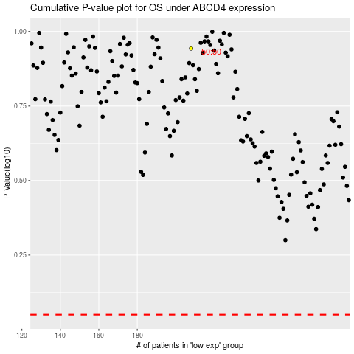

 |  |  |  |  |  | cases_OS | p_OS | rank | exp
 |  |  |  |  |  |  | cases_RFS | p_RFS | rank | exp

