ABCF1 _multivariate
Reported by Tex Li-Hsing Chi. tex@gate.sinica.edu.tw 2019-08-22

Table 2. The clinicopathological features of HNSCC cohort and ABCF1 expression. (Chi square test)
Cutoff at -0.115 (50.0%)
 |  | ABCF1 expression |  | ABCF1 expression |  | (Optimised)
 | Features | Low | (%) | High | (%) | Case no | P-value | Remark | Matthews
Gender | Female | 144 | 34.7 | 162 | 39 | 415 | 0.0697 | 0 | 0
2 | Male | 63 | 15.2 | 46 | 11.1
Age at diagnosis | <=65y | 132 | 31.8 | 142 | 34.2 | 415 | 0.3874 | 0 | 0
4 | >65y | 75 | 18.1 | 66 | 15.9
Clinical T Status | T1+T2 | 84 | 20.2 | 65 | 15.7 | 415 | 0.0603 | 0 | 0
6 | T3+T4 | 123 | 29.6 | 143 | 34.5
Clinical N Status | N0 | 115 | 27.7 | 101 | 24.3 | 415 | 0.184 | 1 | 0
8 | N1-3 | 92 | 22.2 | 107 | 25.8
Clinical M Status | M0 | 206 | 49.6 | 206 | 49.6 | 415 | 1 | 0 | 0
10 | M1 | 1 | 0.2 | 2 | 0.5
Clinical Stage | Stage I+II | 58 | 14 | 44 | 10.6 | 415 | 0.131 | 0 | 0
12 | Stage III+IV | 149 | 35.9 | 164 | 39.5
Surgical Margin status | Negative | 155 | 37.3 | 163 | 39.3 | 415 | 0.4187 | 0 | 0
14 | Positive | 52 | 12.5 | 45 | 10.8
Tobacco Exposure | Low | 87 | 21 | 74 | 17.8 | 415 | 0.1911 | 0 | 0
16 | High | 120 | 28.9 | 134 | 32.3

Table 3. Univariate/Multivariate Cox's proportional hazards regression analyses on OS time of ABCF1 gene expression in HNSCC

 |  | Univariate |  |  |  | Multivariate
 | Features | HR | CI95%(L) | CI95%(H) | P-value | HR | CI95%(L) | CI95%(H) | P-value
1 | Female | 1 |  |  |  | 1
Gender | Male | 1.157 | 0.843 | 1.587 | 0.367 | 1.208 | 0.864 | 1.689 | 0.269
11 | <=65y | 1 |  |  |  | 1
Age at diagnosis | >65y | 1.329 | 0.99 | 1.784 | 0.058 | 1.413 | 1.038 | 1.925 | 0.028
12 | T1+T2 | 1 |  |  |  | 1
Clinical T Status | T3+T4 | 1.409 | 1.028 | 1.931 | 0.033 | 2.156 | 1.139 | 4.079 | 0.018
13 | N0 | 1 |  |  |  | 1
Clinical N Status | N1-3 | 1.185 | 0.89 | 1.577 | 0.246 | 1.23 | 0.861 | 1.756 | 0.255
14 | M0 | 1 |  |  |  | 1
Clinical M Status | M1 | 4.097 | 1.009 | 16.644 | 0.049 | 8.879 | 1.931 | 40.837 | 0.005
15 | Stage I+II | 1 |  |  |  | 1
Clinical Stage | Stage III+IV | 1.245 | 0.882 | 1.759 | 0.213 | 0.511 | 0.238 | 1.098 | 0.085
16 | Negative | 1 |  |  |  | 1
Surgical Margin status | Positive | 1.591 | 1.155 | 2.191 | 0.004 | 1.669 | 1.208 | 2.305 | 0.002
17 | Low | 1 |  |  |  | 1
Tobacco Exposure | High | 1.364 | 1.008 | 1.844 | 0.044 | 1.455 | 1.055 | 2.005 | 0.022
18 | Low | 1 |  |  |  | 1
RNAseq(z-score) | High | 1.223 | 0.918 | 1.63 | 0.17 | 1.179 | 0.882 | 1.577 | 0.266

Table 4. Univariate/Multivariate Cox's proportional hazards regression analyses on RFS time of ABCF1 gene expression in HNSCC

 |  | Univariate |  |  |  | Multivariate
 | Features | HR | CI95%(L) | CI95%(H) | P-value | HR | CI95%(L) | CI95%(H) | P-value
1 | Female | 1 |  |  |  | 1
Gender | Male | 1.157 | 0.843 | 1.587 | 0.367 | 1.208 | 0.864 | 1.689 | 0.269
11 | <=65y | 1 |  |  |  | 1
Age at diagnosis | >65y | 1.329 | 0.99 | 1.784 | 0.058 | 1.413 | 1.038 | 1.925 | 0.028
12 | T1+T2 | 1 |  |  |  | 1
Clinical T Status | T3+T4 | 1.409 | 1.028 | 1.931 | 0.033 | 2.156 | 1.139 | 4.079 | 0.018
13 | N0 | 1 |  |  |  | 1
Clinical N Status | N1-3 | 1.185 | 0.89 | 1.577 | 0.246 | 1.23 | 0.861 | 1.756 | 0.255
14 | M0 | 1 |  |  |  | 1
Clinical M Status | M1 | 4.097 | 1.009 | 16.644 | 0.049 | 8.879 | 1.931 | 40.837 | 0.005
15 | Stage I+II | 1 |  |  |  | 1
Clinical Stage | Stage III+IV | 1.245 | 0.882 | 1.759 | 0.213 | 0.511 | 0.238 | 1.098 | 0.085
16 | Negative | 1 |  |  |  | 1
Surgical Margin status | Positive | 1.591 | 1.155 | 2.191 | 0.004 | 1.669 | 1.208 | 2.305 | 0.002
17 | Low | 1 |  |  |  | 1
Tobacco Exposure | High | 1.364 | 1.008 | 1.844 | 0.044 | 1.455 | 1.055 | 2.005 | 0.022
18 | Low | 1 |  |  |  | 1
RNAseq(z-score) | High | 1.223 | 0.918 | 1.63 | 0.17 | 1.179 | 0.882 | 1.577 | 0.266

Kaplan-Meier survival estimate: Cutoff at -0.115 (50.0%)



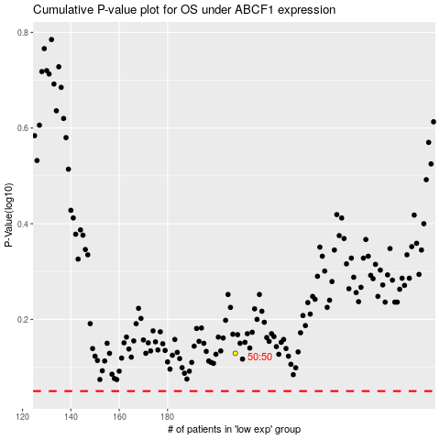

 |  |  |  |  |  | cases_OS | p_OS | rank | exp
 |  |  |  |  |  |  | cases_RFS | p_RFS | rank | exp

