ABHD1 _multivariate
Reported by Tex Li-Hsing Chi. tex@gate.sinica.edu.tw 2019-08-22

Table 2. The clinicopathological features of HNSCC cohort and ABHD1 expression. (Chi square test)
Cutoff at -0.261 (50.0%)
 |  | ABHD1 expression |  | ABHD1 expression |  | (Optimised)
 | Features | Low | (%) | High | (%) | Case no | P-value | Remark | Matthews
Gender | Female | 149 | 35.9 | 157 | 37.8 | 415 | 0.4848 | 0 | 0
2 | Male | 58 | 14 | 51 | 12.3
Age at diagnosis | <=65y | 136 | 32.8 | 138 | 33.3 | 415 | 0.9719 | 0 | 0
4 | >65y | 71 | 17.1 | 70 | 16.9
Clinical T Status | T1+T2 | 75 | 18.1 | 74 | 17.8 | 415 | 0.9707 | 0 | 0
6 | T3+T4 | 132 | 31.8 | 134 | 32.3
Clinical N Status | N0 | 110 | 26.5 | 106 | 25.5 | 415 | 0.7294 | 0 | 0
8 | N1-3 | 97 | 23.4 | 102 | 24.6
Clinical M Status | M0 | 204 | 49.2 | 208 | 50.1 | 415 | 0.1232 | 0 | 0
10 | M1 | 3 | 0.7 | 0 | 0
Clinical Stage | Stage I+II | 54 | 13 | 48 | 11.6 | 415 | 0.5498 | 0 | 0
12 | Stage III+IV | 153 | 36.9 | 160 | 38.6
Surgical Margin status | Negative | 158 | 38.1 | 160 | 38.6 | 415 | 0.9081 | 0 | 0
14 | Positive | 49 | 11.8 | 48 | 11.6
Tobacco Exposure | Low | 89 | 21.4 | 72 | 17.3 | 415 | 0.0872 | 0 | 0
16 | High | 118 | 28.4 | 136 | 32.8

Table 3. Univariate/Multivariate Cox's proportional hazards regression analyses on OS time of ABHD1 gene expression in HNSCC

 |  | Univariate |  |  |  | Multivariate
 | Features | HR | CI95%(L) | CI95%(H) | P-value | HR | CI95%(L) | CI95%(H) | P-value
1 | Female | 1 |  |  |  | 1
Gender | Male | 1.157 | 0.843 | 1.587 | 0.367 | 1.212 | 0.867 | 1.695 | 0.26
11 | <=65y | 1 |  |  |  | 1
Age at diagnosis | >65y | 1.329 | 0.99 | 1.784 | 0.058 | 1.388 | 1.021 | 1.887 | 0.037
12 | T1+T2 | 1 |  |  |  | 1
Clinical T Status | T3+T4 | 1.409 | 1.028 | 1.931 | 0.033 | 2.215 | 1.172 | 4.189 | 0.014
13 | N0 | 1 |  |  |  | 1
Clinical N Status | N1-3 | 1.185 | 0.89 | 1.577 | 0.246 | 1.243 | 0.871 | 1.774 | 0.231
14 | M0 | 1 |  |  |  | 1
Clinical M Status | M1 | 4.097 | 1.009 | 16.644 | 0.049 | 9.97 | 2.154 | 46.155 | 0.003
15 | Stage I+II | 1 |  |  |  | 1
Clinical Stage | Stage III+IV | 1.245 | 0.882 | 1.759 | 0.213 | 0.501 | 0.233 | 1.075 | 0.076
16 | Negative | 1 |  |  |  | 1
Surgical Margin status | Positive | 1.591 | 1.155 | 2.191 | 0.004 | 1.679 | 1.215 | 2.32 | 0.002
17 | Low | 1 |  |  |  | 1
Tobacco Exposure | High | 1.364 | 1.008 | 1.844 | 0.044 | 1.45 | 1.052 | 1.998 | 0.023
18 | Low | 1 |  |  |  | 1
RNAseq(z-score) | High | 1.061 | 0.797 | 1.413 | 0.684 | 1.105 | 0.826 | 1.477 | 0.5

Table 4. Univariate/Multivariate Cox's proportional hazards regression analyses on RFS time of ABHD1 gene expression in HNSCC

 |  | Univariate |  |  |  | Multivariate
 | Features | HR | CI95%(L) | CI95%(H) | P-value | HR | CI95%(L) | CI95%(H) | P-value
1 | Female | 1 |  |  |  | 1
Gender | Male | 1.157 | 0.843 | 1.587 | 0.367 | 1.212 | 0.867 | 1.695 | 0.26
11 | <=65y | 1 |  |  |  | 1
Age at diagnosis | >65y | 1.329 | 0.99 | 1.784 | 0.058 | 1.388 | 1.021 | 1.887 | 0.037
12 | T1+T2 | 1 |  |  |  | 1
Clinical T Status | T3+T4 | 1.409 | 1.028 | 1.931 | 0.033 | 2.215 | 1.172 | 4.189 | 0.014
13 | N0 | 1 |  |  |  | 1
Clinical N Status | N1-3 | 1.185 | 0.89 | 1.577 | 0.246 | 1.243 | 0.871 | 1.774 | 0.231
14 | M0 | 1 |  |  |  | 1
Clinical M Status | M1 | 4.097 | 1.009 | 16.644 | 0.049 | 9.97 | 2.154 | 46.155 | 0.003
15 | Stage I+II | 1 |  |  |  | 1
Clinical Stage | Stage III+IV | 1.245 | 0.882 | 1.759 | 0.213 | 0.501 | 0.233 | 1.075 | 0.076
16 | Negative | 1 |  |  |  | 1
Surgical Margin status | Positive | 1.591 | 1.155 | 2.191 | 0.004 | 1.679 | 1.215 | 2.32 | 0.002
17 | Low | 1 |  |  |  | 1
Tobacco Exposure | High | 1.364 | 1.008 | 1.844 | 0.044 | 1.45 | 1.052 | 1.998 | 0.023
18 | Low | 1 |  |  |  | 1
RNAseq(z-score) | High | 1.061 | 0.797 | 1.413 | 0.684 | 1.105 | 0.826 | 1.477 | 0.5

Kaplan-Meier survival estimate: Cutoff at -0.261 (50.0%)



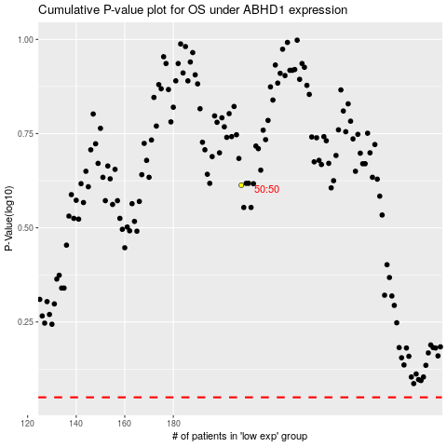

 |  |  |  |  |  | cases_OS | p_OS | rank | exp
 |  |  |  |  |  |  | cases_RFS | p_RFS | rank | exp

