ABHD11 _multivariate
Reported by Tex Li-Hsing Chi. tex@gate.sinica.edu.tw 2019-08-22

Table 2. The clinicopathological features of HNSCC cohort and ABHD11 expression. (Chi square test)
Cutoff at -0.447 (49.8%)
 |  | ABHD11 expression |  | ABHD11 expression |  | (Optimised)
 | Features | Low | (%) | High | (%) | Case no | P-value | Remark | Matthews
Gender | Female | 142 | 34.2 | 164 | 39.5 | 415 | 0.0238 | 1 | 0
2 | Male | 65 | 15.7 | 44 | 10.6
Age at diagnosis | <=65y | 141 | 34 | 133 | 32 | 415 | 0.4272 | 0 | 0
4 | >65y | 66 | 15.9 | 75 | 18.1
Clinical T Status | T1+T2 | 76 | 18.3 | 73 | 17.6 | 415 | 0.8092 | 0 | 0
6 | T3+T4 | 131 | 31.6 | 135 | 32.5
Clinical N Status | N0 | 109 | 26.3 | 107 | 25.8 | 415 | 0.8812 | 0 | 0
8 | N1-3 | 98 | 23.6 | 101 | 24.3
Clinical M Status | M0 | 207 | 49.9 | 205 | 49.4 | 415 | 0.2482 | 0 | 0
10 | M1 | 0 | 0 | 3 | 0.7
Clinical Stage | Stage I+II | 59 | 14.2 | 43 | 10.4 | 415 | 0.0822 | 0 | 0
12 | Stage III+IV | 148 | 35.7 | 165 | 39.8
Surgical Margin status | Negative | 161 | 38.8 | 157 | 37.8 | 415 | 0.6429 | 0 | 0
14 | Positive | 46 | 11.1 | 51 | 12.3
Tobacco Exposure | Low | 90 | 21.7 | 71 | 17.1 | 415 | 0.0559 | 0 | 0
16 | High | 117 | 28.2 | 137 | 33

Table 3. Univariate/Multivariate Cox's proportional hazards regression analyses on OS time of ABHD11 gene expression in HNSCC

 |  | Univariate |  |  |  | Multivariate
 | Features | HR | CI95%(L) | CI95%(H) | P-value | HR | CI95%(L) | CI95%(H) | P-value
1 | Female | 1 |  |  |  | 1
Gender | Male | 1.157 | 0.843 | 1.587 | 0.367 | 1.196 | 0.854 | 1.675 | 0.299
11 | <=65y | 1 |  |  |  | 1
Age at diagnosis | >65y | 1.329 | 0.99 | 1.784 | 0.058 | 1.397 | 1.026 | 1.903 | 0.034
12 | T1+T2 | 1 |  |  |  | 1
Clinical T Status | T3+T4 | 1.409 | 1.028 | 1.931 | 0.033 | 2.194 | 1.159 | 4.152 | 0.016
13 | N0 | 1 |  |  |  | 1
Clinical N Status | N1-3 | 1.185 | 0.89 | 1.577 | 0.246 | 1.24 | 0.869 | 1.769 | 0.236
14 | M0 | 1 |  |  |  | 1
Clinical M Status | M1 | 4.097 | 1.009 | 16.644 | 0.049 | 9.534 | 2.071 | 43.889 | 0.004
15 | Stage I+II | 1 |  |  |  | 1
Clinical Stage | Stage III+IV | 1.245 | 0.882 | 1.759 | 0.213 | 0.509 | 0.236 | 1.095 | 0.084
16 | Negative | 1 |  |  |  | 1
Surgical Margin status | Positive | 1.591 | 1.155 | 2.191 | 0.004 | 1.674 | 1.211 | 2.313 | 0.002
17 | Low | 1 |  |  |  | 1
Tobacco Exposure | High | 1.364 | 1.008 | 1.844 | 0.044 | 1.455 | 1.056 | 2.005 | 0.022
18 | Low | 1 |  |  |  | 1
RNAseq(z-score) | High | 1.02 | 0.765 | 1.359 | 0.893 | 0.966 | 0.719 | 1.297 | 0.816

Table 4. Univariate/Multivariate Cox's proportional hazards regression analyses on RFS time of ABHD11 gene expression in HNSCC

 |  | Univariate |  |  |  | Multivariate
 | Features | HR | CI95%(L) | CI95%(H) | P-value | HR | CI95%(L) | CI95%(H) | P-value
1 | Female | 1 |  |  |  | 1
Gender | Male | 1.157 | 0.843 | 1.587 | 0.367 | 1.196 | 0.854 | 1.675 | 0.299
11 | <=65y | 1 |  |  |  | 1
Age at diagnosis | >65y | 1.329 | 0.99 | 1.784 | 0.058 | 1.397 | 1.026 | 1.903 | 0.034
12 | T1+T2 | 1 |  |  |  | 1
Clinical T Status | T3+T4 | 1.409 | 1.028 | 1.931 | 0.033 | 2.194 | 1.159 | 4.152 | 0.016
13 | N0 | 1 |  |  |  | 1
Clinical N Status | N1-3 | 1.185 | 0.89 | 1.577 | 0.246 | 1.24 | 0.869 | 1.769 | 0.236
14 | M0 | 1 |  |  |  | 1
Clinical M Status | M1 | 4.097 | 1.009 | 16.644 | 0.049 | 9.534 | 2.071 | 43.889 | 0.004
15 | Stage I+II | 1 |  |  |  | 1
Clinical Stage | Stage III+IV | 1.245 | 0.882 | 1.759 | 0.213 | 0.509 | 0.236 | 1.095 | 0.084
16 | Negative | 1 |  |  |  | 1
Surgical Margin status | Positive | 1.591 | 1.155 | 2.191 | 0.004 | 1.674 | 1.211 | 2.313 | 0.002
17 | Low | 1 |  |  |  | 1
Tobacco Exposure | High | 1.364 | 1.008 | 1.844 | 0.044 | 1.455 | 1.056 | 2.005 | 0.022
18 | Low | 1 |  |  |  | 1
RNAseq(z-score) | High | 1.02 | 0.765 | 1.359 | 0.893 | 0.966 | 0.719 | 1.297 | 0.816

Kaplan-Meier survival estimate: Cutoff at -0.447 (49.8%)



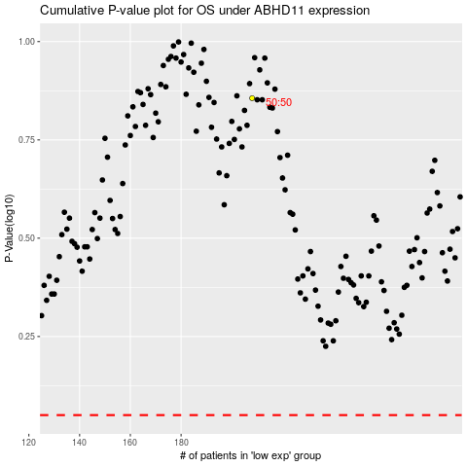

 |  |  |  |  |  | cases_OS | p_OS | rank | exp
 |  |  |  |  |  |  | cases_RFS | p_RFS | rank | exp

