ABHD12 _multivariate
Reported by Tex Li-Hsing Chi. tex@gate.sinica.edu.tw 2019-08-22

Table 2. The clinicopathological features of HNSCC cohort and ABHD12 expression. (Chi square test)
Cutoff at -0.287 (50.0%)
 |  | ABHD12 expression |  | ABHD12 expression |  | (Optimised)
 | Features | Low | (%) | High | (%) | Case no | P-value | Remark | Matthews
Gender | Female | 149 | 35.9 | 157 | 37.8 | 415 | 0.4848 | 0 | 0
2 | Male | 58 | 14 | 51 | 12.3
Age at diagnosis | <=65y | 131 | 31.6 | 143 | 34.5 | 415 | 0.2839 | 0 | 0
4 | >65y | 76 | 18.3 | 65 | 15.7
Clinical T Status | T1+T2 | 80 | 19.3 | 69 | 16.6 | 415 | 0.2891 | 0 | 0
6 | T3+T4 | 127 | 30.6 | 139 | 33.5
Clinical N Status | N0 | 111 | 26.7 | 105 | 25.3 | 415 | 0.5875 | 0 | 0
8 | N1-3 | 96 | 23.1 | 103 | 24.8
Clinical M Status | M0 | 206 | 49.6 | 206 | 49.6 | 415 | 1 | 0 | 0
10 | M1 | 1 | 0.2 | 2 | 0.5
Clinical Stage | Stage I+II | 58 | 14 | 44 | 10.6 | 415 | 0.131 | 0 | 0
12 | Stage III+IV | 149 | 35.9 | 164 | 39.5
Surgical Margin status | Negative | 150 | 36.1 | 168 | 40.5 | 415 | 0.0492 | 1 | 0
14 | Positive | 57 | 13.7 | 40 | 9.6
Tobacco Exposure | Low | 81 | 19.5 | 80 | 19.3 | 415 | 0.9199 | 0 | 0
16 | High | 126 | 30.4 | 128 | 30.8

Table 3. Univariate/Multivariate Cox's proportional hazards regression analyses on OS time of ABHD12 gene expression in HNSCC

 |  | Univariate |  |  |  | Multivariate
 | Features | HR | CI95%(L) | CI95%(H) | P-value | HR | CI95%(L) | CI95%(H) | P-value
1 | Female | 1 |  |  |  | 1
Gender | Male | 1.157 | 0.843 | 1.587 | 0.367 | 1.202 | 0.861 | 1.679 | 0.28
11 | <=65y | 1 |  |  |  | 1
Age at diagnosis | >65y | 1.329 | 0.99 | 1.784 | 0.058 | 1.391 | 1.023 | 1.891 | 0.035
12 | T1+T2 | 1 |  |  |  | 1
Clinical T Status | T3+T4 | 1.409 | 1.028 | 1.931 | 0.033 | 2.205 | 1.166 | 4.17 | 0.015
13 | N0 | 1 |  |  |  | 1
Clinical N Status | N1-3 | 1.185 | 0.89 | 1.577 | 0.246 | 1.238 | 0.867 | 1.768 | 0.24
14 | M0 | 1 |  |  |  | 1
Clinical M Status | M1 | 4.097 | 1.009 | 16.644 | 0.049 | 9.344 | 2.036 | 42.887 | 0.004
15 | Stage I+II | 1 |  |  |  | 1
Clinical Stage | Stage III+IV | 1.245 | 0.882 | 1.759 | 0.213 | 0.502 | 0.234 | 1.079 | 0.078
16 | Negative | 1 |  |  |  | 1
Surgical Margin status | Positive | 1.591 | 1.155 | 2.191 | 0.004 | 1.676 | 1.212 | 2.317 | 0.002
17 | Low | 1 |  |  |  | 1
Tobacco Exposure | High | 1.364 | 1.008 | 1.844 | 0.044 | 1.452 | 1.054 | 2.001 | 0.023
18 | Low | 1 |  |  |  | 1
RNAseq(z-score) | High | 1.045 | 0.785 | 1.392 | 0.764 | 1.032 | 0.771 | 1.381 | 0.832

Table 4. Univariate/Multivariate Cox's proportional hazards regression analyses on RFS time of ABHD12 gene expression in HNSCC

 |  | Univariate |  |  |  | Multivariate
 | Features | HR | CI95%(L) | CI95%(H) | P-value | HR | CI95%(L) | CI95%(H) | P-value
1 | Female | 1 |  |  |  | 1
Gender | Male | 1.157 | 0.843 | 1.587 | 0.367 | 1.202 | 0.861 | 1.679 | 0.28
11 | <=65y | 1 |  |  |  | 1
Age at diagnosis | >65y | 1.329 | 0.99 | 1.784 | 0.058 | 1.391 | 1.023 | 1.891 | 0.035
12 | T1+T2 | 1 |  |  |  | 1
Clinical T Status | T3+T4 | 1.409 | 1.028 | 1.931 | 0.033 | 2.205 | 1.166 | 4.17 | 0.015
13 | N0 | 1 |  |  |  | 1
Clinical N Status | N1-3 | 1.185 | 0.89 | 1.577 | 0.246 | 1.238 | 0.867 | 1.768 | 0.24
14 | M0 | 1 |  |  |  | 1
Clinical M Status | M1 | 4.097 | 1.009 | 16.644 | 0.049 | 9.344 | 2.036 | 42.887 | 0.004
15 | Stage I+II | 1 |  |  |  | 1
Clinical Stage | Stage III+IV | 1.245 | 0.882 | 1.759 | 0.213 | 0.502 | 0.234 | 1.079 | 0.078
16 | Negative | 1 |  |  |  | 1
Surgical Margin status | Positive | 1.591 | 1.155 | 2.191 | 0.004 | 1.676 | 1.212 | 2.317 | 0.002
17 | Low | 1 |  |  |  | 1
Tobacco Exposure | High | 1.364 | 1.008 | 1.844 | 0.044 | 1.452 | 1.054 | 2.001 | 0.023
18 | Low | 1 |  |  |  | 1
RNAseq(z-score) | High | 1.045 | 0.785 | 1.392 | 0.764 | 1.032 | 0.771 | 1.381 | 0.832

Kaplan-Meier survival estimate: Cutoff at -0.287 (50.0%)



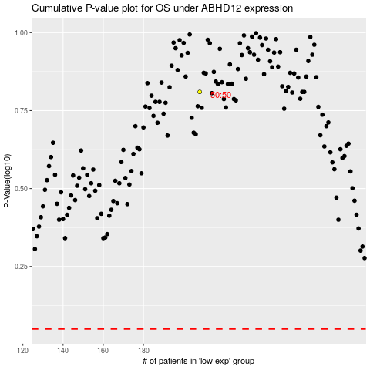

 |  |  |  |  |  | cases_OS | p_OS | rank | exp
 |  |  |  |  |  |  | cases_RFS | p_RFS | rank | exp

