ABHD12B _multivariate
Reported by Tex Li-Hsing Chi. tex@gate.sinica.edu.tw 2019-08-22

Table 2. The clinicopathological features of HNSCC cohort and ABHD12B expression. (Chi square test)
Cutoff at -0.185 (50.0%)
 |  | ABHD12B expression |  | ABHD12B expression |  | (Optimised)
 | Features | Low | (%) | High | (%) | Case no | P-value | Remark | Matthews
Gender | Female | 154 | 37.1 | 152 | 36.6 | 415 | 0.8463 | 0 | 0
2 | Male | 53 | 12.8 | 56 | 13.5
Age at diagnosis | <=65y | 135 | 32.5 | 139 | 33.5 | 415 | 0.8084 | 0 | 0
4 | >65y | 72 | 17.3 | 69 | 16.6
Clinical T Status | T1+T2 | 82 | 19.8 | 67 | 16.1 | 415 | 0.1417 | 0 | 0
6 | T3+T4 | 125 | 30.1 | 141 | 34
Clinical N Status | N0 | 102 | 24.6 | 114 | 27.5 | 415 | 0.3031 | 0 | 0
8 | N1-3 | 105 | 25.3 | 94 | 22.7
Clinical M Status | M0 | 205 | 49.4 | 207 | 49.9 | 415 | 0.6232 | 0 | 0
10 | M1 | 2 | 0.5 | 1 | 0.2
Clinical Stage | Stage I+II | 51 | 12.3 | 51 | 12.3 | 415 | 1 | 0 | 0
12 | Stage III+IV | 156 | 37.6 | 157 | 37.8
Surgical Margin status | Negative | 153 | 36.9 | 165 | 39.8 | 415 | 0.2036 | 0 | 0
14 | Positive | 54 | 13 | 43 | 10.4
Tobacco Exposure | Low | 95 | 22.9 | 66 | 15.9 | 415 | 0.0035 | 1 | 0
16 | High | 112 | 27 | 142 | 34.2

Table 3. Univariate/Multivariate Cox's proportional hazards regression analyses on OS time of ABHD12B gene expression in HNSCC

 |  | Univariate |  |  |  | Multivariate
 | Features | HR | CI95%(L) | CI95%(H) | P-value | HR | CI95%(L) | CI95%(H) | P-value
1 | Female | 1 |  |  |  | 1
Gender | Male | 1.157 | 0.843 | 1.587 | 0.367 | 1.193 | 0.853 | 1.668 | 0.304
11 | <=65y | 1 |  |  |  | 1
Age at diagnosis | >65y | 1.329 | 0.99 | 1.784 | 0.058 | 1.392 | 1.024 | 1.891 | 0.035
12 | T1+T2 | 1 |  |  |  | 1
Clinical T Status | T3+T4 | 1.409 | 1.028 | 1.931 | 0.033 | 2.183 | 1.153 | 4.133 | 0.016
13 | N0 | 1 |  |  |  | 1
Clinical N Status | N1-3 | 1.185 | 0.89 | 1.577 | 0.246 | 1.243 | 0.871 | 1.774 | 0.23
14 | M0 | 1 |  |  |  | 1
Clinical M Status | M1 | 4.097 | 1.009 | 16.644 | 0.049 | 9.375 | 2.045 | 42.981 | 0.004
15 | Stage I+II | 1 |  |  |  | 1
Clinical Stage | Stage III+IV | 1.245 | 0.882 | 1.759 | 0.213 | 0.509 | 0.237 | 1.094 | 0.084
16 | Negative | 1 |  |  |  | 1
Surgical Margin status | Positive | 1.591 | 1.155 | 2.191 | 0.004 | 1.673 | 1.211 | 2.312 | 0.002
17 | Low | 1 |  |  |  | 1
Tobacco Exposure | High | 1.364 | 1.008 | 1.844 | 0.044 | 1.43 | 1.031 | 1.983 | 0.032
18 | Low | 1 |  |  |  | 1
RNAseq(z-score) | High | 1.163 | 0.873 | 1.551 | 0.302 | 1.075 | 0.8 | 1.443 | 0.632

Table 4. Univariate/Multivariate Cox's proportional hazards regression analyses on RFS time of ABHD12B gene expression in HNSCC

 |  | Univariate |  |  |  | Multivariate
 | Features | HR | CI95%(L) | CI95%(H) | P-value | HR | CI95%(L) | CI95%(H) | P-value
1 | Female | 1 |  |  |  | 1
Gender | Male | 1.157 | 0.843 | 1.587 | 0.367 | 1.193 | 0.853 | 1.668 | 0.304
11 | <=65y | 1 |  |  |  | 1
Age at diagnosis | >65y | 1.329 | 0.99 | 1.784 | 0.058 | 1.392 | 1.024 | 1.891 | 0.035
12 | T1+T2 | 1 |  |  |  | 1
Clinical T Status | T3+T4 | 1.409 | 1.028 | 1.931 | 0.033 | 2.183 | 1.153 | 4.133 | 0.016
13 | N0 | 1 |  |  |  | 1
Clinical N Status | N1-3 | 1.185 | 0.89 | 1.577 | 0.246 | 1.243 | 0.871 | 1.774 | 0.23
14 | M0 | 1 |  |  |  | 1
Clinical M Status | M1 | 4.097 | 1.009 | 16.644 | 0.049 | 9.375 | 2.045 | 42.981 | 0.004
15 | Stage I+II | 1 |  |  |  | 1
Clinical Stage | Stage III+IV | 1.245 | 0.882 | 1.759 | 0.213 | 0.509 | 0.237 | 1.094 | 0.084
16 | Negative | 1 |  |  |  | 1
Surgical Margin status | Positive | 1.591 | 1.155 | 2.191 | 0.004 | 1.673 | 1.211 | 2.312 | 0.002
17 | Low | 1 |  |  |  | 1
Tobacco Exposure | High | 1.364 | 1.008 | 1.844 | 0.044 | 1.43 | 1.031 | 1.983 | 0.032
18 | Low | 1 |  |  |  | 1
RNAseq(z-score) | High | 1.163 | 0.873 | 1.551 | 0.302 | 1.075 | 0.8 | 1.443 | 0.632

Kaplan-Meier survival estimate: Cutoff at -0.185 (50.0%)



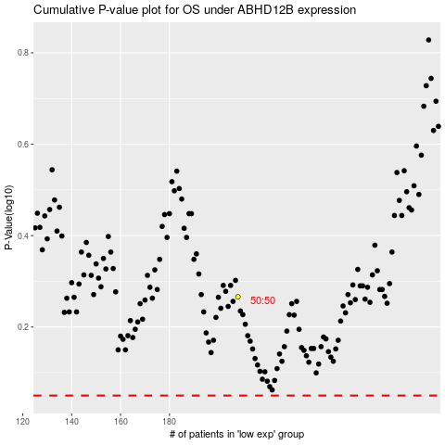

 |  |  |  |  |  | cases_OS | p_OS | rank | exp
 |  |  |  |  |  |  | cases_RFS | p_RFS | rank | exp

