ABHD2 _multivariate
Reported by Tex Li-Hsing Chi. tex@gate.sinica.edu.tw 2019-08-22

Table 2. The clinicopathological features of HNSCC cohort and ABHD2 expression. (Chi square test)
Cutoff at -0.015 (64.7%)
 |  | ABHD2 expression |  | ABHD2 expression |  | (Optimised)
 | Features | Low | (%) | High | (%) | Case no | P-value | Remark | Matthews
Gender | Female | 197 | 47.5 | 109 | 26.3 | 415 | 0.8432 | 0 | 0
2 | Male | 72 | 17.3 | 37 | 8.9
Age at diagnosis | <=65y | 181 | 43.6 | 93 | 22.4 | 415 | 0.5298 | 0 | 0
4 | >65y | 88 | 21.2 | 53 | 12.8
Clinical T Status | T1+T2 | 101 | 24.3 | 48 | 11.6 | 415 | 0.401 | 0 | 0
6 | T3+T4 | 168 | 40.5 | 98 | 23.6
Clinical N Status | N0 | 144 | 34.7 | 72 | 17.3 | 415 | 0.4726 | 0 | 0
8 | N1-3 | 125 | 30.1 | 74 | 17.8
Clinical M Status | M0 | 266 | 64.1 | 146 | 35.2 | 415 | 0.555 | 0 | 0
10 | M1 | 3 | 0.7 | 0 | 0
Clinical Stage | Stage I+II | 68 | 16.4 | 34 | 8.2 | 415 | 0.741 | 0 | 0
12 | Stage III+IV | 201 | 48.4 | 112 | 27
Surgical Margin status | Negative | 205 | 49.4 | 113 | 27.2 | 415 | 0.8093 | 0 | 0
14 | Positive | 64 | 15.4 | 33 | 8
Tobacco Exposure | Low | 114 | 27.5 | 47 | 11.3 | 415 | 0.0454 | 1 | 0
16 | High | 155 | 37.3 | 99 | 23.9

Table 3. Univariate/Multivariate Cox's proportional hazards regression analyses on OS time of ABHD2 gene expression in HNSCC

 |  | Univariate |  |  |  | Multivariate
 | Features | HR | CI95%(L) | CI95%(H) | P-value | HR | CI95%(L) | CI95%(H) | P-value
1 | Female | 1 |  |  |  | 1
Gender | Male | 1.157 | 0.843 | 1.587 | 0.367 | 1.229 | 0.879 | 1.719 | 0.228
11 | <=65y | 1 |  |  |  | 1
Age at diagnosis | >65y | 1.329 | 0.99 | 1.784 | 0.058 | 1.383 | 1.017 | 1.879 | 0.038
12 | T1+T2 | 1 |  |  |  | 1
Clinical T Status | T3+T4 | 1.409 | 1.028 | 1.931 | 0.033 | 2.145 | 1.133 | 4.06 | 0.019
13 | N0 | 1 |  |  |  | 1
Clinical N Status | N1-3 | 1.185 | 0.89 | 1.577 | 0.246 | 1.219 | 0.854 | 1.741 | 0.276
14 | M0 | 1 |  |  |  | 1
Clinical M Status | M1 | 4.097 | 1.009 | 16.644 | 0.049 | 10.333 | 2.245 | 47.561 | 0.003
15 | Stage I+II | 1 |  |  |  | 1
Clinical Stage | Stage III+IV | 1.245 | 0.882 | 1.759 | 0.213 | 0.513 | 0.239 | 1.103 | 0.088
16 | Negative | 1 |  |  |  | 1
Surgical Margin status | Positive | 1.591 | 1.155 | 2.191 | 0.004 | 1.688 | 1.221 | 2.333 | 0.002
17 | Low | 1 |  |  |  | 1
Tobacco Exposure | High | 1.364 | 1.008 | 1.844 | 0.044 | 1.416 | 1.027 | 1.951 | 0.034
18 | Low | 1 |  |  |  | 1
RNAseq(z-score) | High | 1.351 | 1.007 | 1.812 | 0.045 | 1.312 | 0.972 | 1.77 | 0.076

Table 4. Univariate/Multivariate Cox's proportional hazards regression analyses on RFS time of ABHD2 gene expression in HNSCC

 |  | Univariate |  |  |  | Multivariate
 | Features | HR | CI95%(L) | CI95%(H) | P-value | HR | CI95%(L) | CI95%(H) | P-value
1 | Female | 1 |  |  |  | 1
Gender | Male | 1.157 | 0.843 | 1.587 | 0.367 | 1.229 | 0.879 | 1.719 | 0.228
11 | <=65y | 1 |  |  |  | 1
Age at diagnosis | >65y | 1.329 | 0.99 | 1.784 | 0.058 | 1.383 | 1.017 | 1.879 | 0.038
12 | T1+T2 | 1 |  |  |  | 1
Clinical T Status | T3+T4 | 1.409 | 1.028 | 1.931 | 0.033 | 2.145 | 1.133 | 4.06 | 0.019
13 | N0 | 1 |  |  |  | 1
Clinical N Status | N1-3 | 1.185 | 0.89 | 1.577 | 0.246 | 1.219 | 0.854 | 1.741 | 0.276
14 | M0 | 1 |  |  |  | 1
Clinical M Status | M1 | 4.097 | 1.009 | 16.644 | 0.049 | 10.333 | 2.245 | 47.561 | 0.003
15 | Stage I+II | 1 |  |  |  | 1
Clinical Stage | Stage III+IV | 1.245 | 0.882 | 1.759 | 0.213 | 0.513 | 0.239 | 1.103 | 0.088
16 | Negative | 1 |  |  |  | 1
Surgical Margin status | Positive | 1.591 | 1.155 | 2.191 | 0.004 | 1.688 | 1.221 | 2.333 | 0.002
17 | Low | 1 |  |  |  | 1
Tobacco Exposure | High | 1.364 | 1.008 | 1.844 | 0.044 | 1.416 | 1.027 | 1.951 | 0.034
18 | Low | 1 |  |  |  | 1
RNAseq(z-score) | High | 1.351 | 1.007 | 1.812 | 0.045 | 1.312 | 0.972 | 1.77 | 0.076

Kaplan-Meier survival estimate: Cutoff at -0.015 (64.7%)



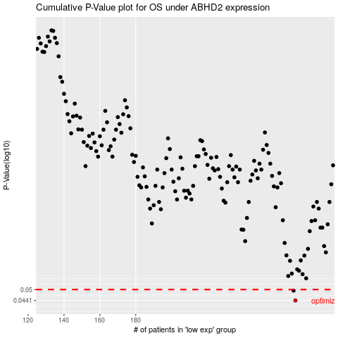

 |  |  |  |  |  | cases_OS | p_OS | rank | exp
 |  |  |  |  |  | 269 | 0.0441 | 297 | -0.014712169283
 |  |  |  |  |  | 268 | 0.0494 | 307 | -0.018552737922
 |  |  |  |  |  |  | cases_RFS | p_RFS | rank | exp
 |  |  |  |  |  |  | 268 | 0.0441 | 307 | -0.018552737922
 |  |  |  |  |  |  | 267 | 0.0494 | 164 | -0.020213674049

