ABHD6 _multivariate
Reported by Tex Li-Hsing Chi. tex@gate.sinica.edu.tw 2019-08-22

Table 2. The clinicopathological features of HNSCC cohort and ABHD6 expression. (Chi square test)
Cutoff at -0.261 (49.8%)
 |  | ABHD6 expression |  | ABHD6 expression |  | (Optimised)
 | Features | Low | (%) | High | (%) | Case no | P-value | Remark | Matthews
Gender | Female | 157 | 37.8 | 149 | 35.9 | 415 | 0.3881 | 0 | 0
2 | Male | 50 | 12 | 59 | 14.2
Age at diagnosis | <=65y | 143 | 34.5 | 131 | 31.6 | 415 | 0.2269 | 0 | 0
4 | >65y | 64 | 15.4 | 77 | 18.6
Clinical T Status | T1+T2 | 69 | 16.6 | 80 | 19.3 | 415 | 0.3239 | 0 | 0
6 | T3+T4 | 138 | 33.3 | 128 | 30.8
Clinical N Status | N0 | 99 | 23.9 | 117 | 28.2 | 415 | 0.1054 | 0 | 0
8 | N1-3 | 108 | 26 | 91 | 21.9
Clinical M Status | M0 | 205 | 49.4 | 207 | 49.9 | 415 | 0.6232 | 0 | 0
10 | M1 | 2 | 0.5 | 1 | 0.2
Clinical Stage | Stage I+II | 45 | 10.8 | 57 | 13.7 | 415 | 0.2202 | 0 | 0
12 | Stage III+IV | 162 | 39 | 151 | 36.4
Surgical Margin status | Negative | 160 | 38.6 | 158 | 38.1 | 415 | 0.8167 | 0 | 0
14 | Positive | 47 | 11.3 | 50 | 12
Tobacco Exposure | Low | 75 | 18.1 | 86 | 20.7 | 415 | 0.3141 | 0 | 0
16 | High | 132 | 31.8 | 122 | 29.4

Table 3. Univariate/Multivariate Cox's proportional hazards regression analyses on OS time of ABHD6 gene expression in HNSCC

 |  | Univariate |  |  |  | Multivariate
 | Features | HR | CI95%(L) | CI95%(H) | P-value | HR | CI95%(L) | CI95%(H) | P-value
1 | Female | 1 |  |  |  | 1
Gender | Male | 1.157 | 0.843 | 1.587 | 0.367 | 1.204 | 0.862 | 1.681 | 0.276
11 | <=65y | 1 |  |  |  | 1
Age at diagnosis | >65y | 1.329 | 0.99 | 1.784 | 0.058 | 1.386 | 1.019 | 1.884 | 0.037
12 | T1+T2 | 1 |  |  |  | 1
Clinical T Status | T3+T4 | 1.409 | 1.028 | 1.931 | 0.033 | 2.21 | 1.169 | 4.179 | 0.015
13 | N0 | 1 |  |  |  | 1
Clinical N Status | N1-3 | 1.185 | 0.89 | 1.577 | 0.246 | 1.255 | 0.878 | 1.793 | 0.213
14 | M0 | 1 |  |  |  | 1
Clinical M Status | M1 | 4.097 | 1.009 | 16.644 | 0.049 | 9.462 | 2.064 | 43.384 | 0.004
15 | Stage I+II | 1 |  |  |  | 1
Clinical Stage | Stage III+IV | 1.245 | 0.882 | 1.759 | 0.213 | 0.502 | 0.234 | 1.078 | 0.077
16 | Negative | 1 |  |  |  | 1
Surgical Margin status | Positive | 1.591 | 1.155 | 2.191 | 0.004 | 1.678 | 1.214 | 2.32 | 0.002
17 | Low | 1 |  |  |  | 1
Tobacco Exposure | High | 1.364 | 1.008 | 1.844 | 0.044 | 1.446 | 1.049 | 1.994 | 0.024
18 | Low | 1 |  |  |  | 1
RNAseq(z-score) | High | 1.081 | 0.812 | 1.44 | 0.593 | 1.096 | 0.821 | 1.465 | 0.533

Table 4. Univariate/Multivariate Cox's proportional hazards regression analyses on RFS time of ABHD6 gene expression in HNSCC

 |  | Univariate |  |  |  | Multivariate
 | Features | HR | CI95%(L) | CI95%(H) | P-value | HR | CI95%(L) | CI95%(H) | P-value
1 | Female | 1 |  |  |  | 1
Gender | Male | 1.157 | 0.843 | 1.587 | 0.367 | 1.204 | 0.862 | 1.681 | 0.276
11 | <=65y | 1 |  |  |  | 1
Age at diagnosis | >65y | 1.329 | 0.99 | 1.784 | 0.058 | 1.386 | 1.019 | 1.884 | 0.037
12 | T1+T2 | 1 |  |  |  | 1
Clinical T Status | T3+T4 | 1.409 | 1.028 | 1.931 | 0.033 | 2.21 | 1.169 | 4.179 | 0.015
13 | N0 | 1 |  |  |  | 1
Clinical N Status | N1-3 | 1.185 | 0.89 | 1.577 | 0.246 | 1.255 | 0.878 | 1.793 | 0.213
14 | M0 | 1 |  |  |  | 1
Clinical M Status | M1 | 4.097 | 1.009 | 16.644 | 0.049 | 9.462 | 2.064 | 43.384 | 0.004
15 | Stage I+II | 1 |  |  |  | 1
Clinical Stage | Stage III+IV | 1.245 | 0.882 | 1.759 | 0.213 | 0.502 | 0.234 | 1.078 | 0.077
16 | Negative | 1 |  |  |  | 1
Surgical Margin status | Positive | 1.591 | 1.155 | 2.191 | 0.004 | 1.678 | 1.214 | 2.32 | 0.002
17 | Low | 1 |  |  |  | 1
Tobacco Exposure | High | 1.364 | 1.008 | 1.844 | 0.044 | 1.446 | 1.049 | 1.994 | 0.024
18 | Low | 1 |  |  |  | 1
RNAseq(z-score) | High | 1.081 | 0.812 | 1.44 | 0.593 | 1.096 | 0.821 | 1.465 | 0.533

Kaplan-Meier survival estimate: Cutoff at -0.261 (49.8%)



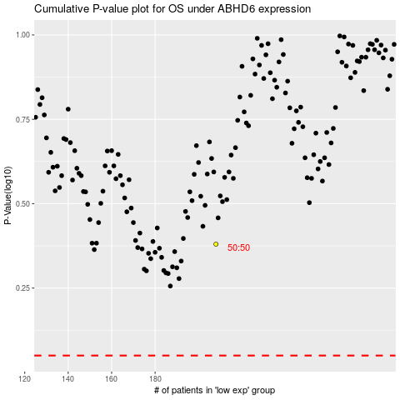

 |  |  |  |  |  | cases_OS | p_OS | rank | exp
 |  |  |  |  |  |  | cases_RFS | p_RFS | rank | exp

