ABHD8 _multivariate
Reported by Tex Li-Hsing Chi. tex@gate.sinica.edu.tw 2019-08-22

Table 2. The clinicopathological features of HNSCC cohort and ABHD8 expression. (Chi square test)
Cutoff at -0.527 (30.2%)
 |  | ABHD8 expression |  | ABHD8 expression |  | (Optimised)
 | Features | Low | (%) | High | (%) | Case no | P-value | Remark | Matthews
Gender | Female | 83 | 20 | 223 | 53.7 | 415 | 0.0225 | 1 | 0
2 | Male | 43 | 10.4 | 66 | 15.9
Age at diagnosis | <=65y | 78 | 18.8 | 196 | 47.2 | 415 | 0.2904 | 0 | 0
4 | >65y | 48 | 11.6 | 93 | 22.4
Clinical T Status | T1+T2 | 42 | 10.1 | 107 | 25.8 | 415 | 0.5422 | 0 | 0
6 | T3+T4 | 84 | 20.2 | 182 | 43.9
Clinical N Status | N0 | 69 | 16.6 | 147 | 35.4 | 415 | 0.5327 | 0 | 0
8 | N1-3 | 57 | 13.7 | 142 | 34.2
Clinical M Status | M0 | 125 | 30.1 | 287 | 69.2 | 415 | 1 | 0 | 0
10 | M1 | 1 | 0.2 | 2 | 0.5
Clinical Stage | Stage I+II | 32 | 7.7 | 70 | 16.9 | 415 | 0.8952 | 0 | 0
12 | Stage III+IV | 94 | 22.7 | 219 | 52.8
Surgical Margin status | Negative | 93 | 22.4 | 225 | 54.2 | 415 | 0.3793 | 0 | 0
14 | Positive | 33 | 8 | 64 | 15.4
Tobacco Exposure | Low | 56 | 13.5 | 105 | 25.3 | 415 | 0.1262 | 0 | 0
16 | High | 70 | 16.9 | 184 | 44.3

Table 3. Univariate/Multivariate Cox's proportional hazards regression analyses on OS time of ABHD8 gene expression in HNSCC

 |  | Univariate |  |  |  | Multivariate
 | Features | HR | CI95%(L) | CI95%(H) | P-value | HR | CI95%(L) | CI95%(H) | P-value
1 | Female | 1 |  |  |  | 1
Gender | Male | 1.157 | 0.843 | 1.587 | 0.367 | 1.166 | 0.833 | 1.634 | 0.371
11 | <=65y | 1 |  |  |  | 1
Age at diagnosis | >65y | 1.329 | 0.99 | 1.784 | 0.058 | 1.374 | 1.011 | 1.869 | 0.043
12 | T1+T2 | 1 |  |  |  | 1
Clinical T Status | T3+T4 | 1.409 | 1.028 | 1.931 | 0.033 | 2.115 | 1.116 | 4.009 | 0.022
13 | N0 | 1 |  |  |  | 1
Clinical N Status | N1-3 | 1.185 | 0.89 | 1.577 | 0.246 | 1.238 | 0.868 | 1.765 | 0.238
14 | M0 | 1 |  |  |  | 1
Clinical M Status | M1 | 4.097 | 1.009 | 16.644 | 0.049 | 9.302 | 2.03 | 42.637 | 0.004
15 | Stage I+II | 1 |  |  |  | 1
Clinical Stage | Stage III+IV | 1.245 | 0.882 | 1.759 | 0.213 | 0.518 | 0.241 | 1.114 | 0.092
16 | Negative | 1 |  |  |  | 1
Surgical Margin status | Positive | 1.591 | 1.155 | 2.191 | 0.004 | 1.648 | 1.192 | 2.277 | 0.002
17 | Low | 1 |  |  |  | 1
Tobacco Exposure | High | 1.364 | 1.008 | 1.844 | 0.044 | 1.498 | 1.083 | 2.071 | 0.015
18 | Low | 1 |  |  |  | 1
RNAseq(z-score) | High | 0.726 | 0.536 | 0.983 | 0.038 | 0.758 | 0.556 | 1.033 | 0.079

Table 4. Univariate/Multivariate Cox's proportional hazards regression analyses on RFS time of ABHD8 gene expression in HNSCC

 |  | Univariate |  |  |  | Multivariate
 | Features | HR | CI95%(L) | CI95%(H) | P-value | HR | CI95%(L) | CI95%(H) | P-value
1 | Female | 1 |  |  |  | 1
Gender | Male | 1.157 | 0.843 | 1.587 | 0.367 | 1.166 | 0.833 | 1.634 | 0.371
11 | <=65y | 1 |  |  |  | 1
Age at diagnosis | >65y | 1.329 | 0.99 | 1.784 | 0.058 | 1.374 | 1.011 | 1.869 | 0.043
12 | T1+T2 | 1 |  |  |  | 1
Clinical T Status | T3+T4 | 1.409 | 1.028 | 1.931 | 0.033 | 2.115 | 1.116 | 4.009 | 0.022
13 | N0 | 1 |  |  |  | 1
Clinical N Status | N1-3 | 1.185 | 0.89 | 1.577 | 0.246 | 1.238 | 0.868 | 1.765 | 0.238
14 | M0 | 1 |  |  |  | 1
Clinical M Status | M1 | 4.097 | 1.009 | 16.644 | 0.049 | 9.302 | 2.03 | 42.637 | 0.004
15 | Stage I+II | 1 |  |  |  | 1
Clinical Stage | Stage III+IV | 1.245 | 0.882 | 1.759 | 0.213 | 0.518 | 0.241 | 1.114 | 0.092
16 | Negative | 1 |  |  |  | 1
Surgical Margin status | Positive | 1.591 | 1.155 | 2.191 | 0.004 | 1.648 | 1.192 | 2.277 | 0.002
17 | Low | 1 |  |  |  | 1
Tobacco Exposure | High | 1.364 | 1.008 | 1.844 | 0.044 | 1.498 | 1.083 | 2.071 | 0.015
18 | Low | 1 |  |  |  | 1
RNAseq(z-score) | High | 0.726 | 0.536 | 0.983 | 0.038 | 0.758 | 0.556 | 1.033 | 0.079

Kaplan-Meier survival estimate: Cutoff at -0.527 (30.2%)



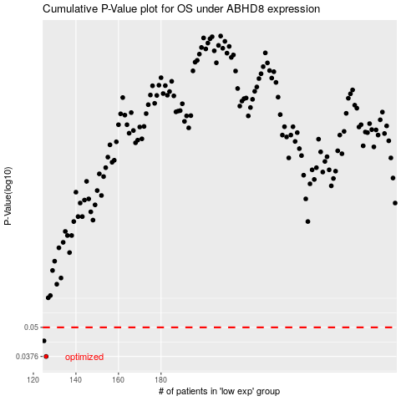

 |  |  |  |  |  | cases_OS | p_OS | rank | exp
 |  |  |  |  |  | 126 | 0.0376 | 205 | -0.52707325121
 |  |  |  |  |  | 125 | 0.0438 | 266 | -0.543088997
 |  |  |  |  |  |  | cases_RFS | p_RFS | rank | exp
 |  |  |  |  |  |  | 125 | 0.0376 | 266 | -0.543088997
 |  |  |  |  |  |  |  | 0.0438 | 289 | -0.54405690976

