ABI3BP _multivariate
Reported by Tex Li-Hsing Chi. tex@gate.sinica.edu.tw 2019-08-22

Table 2. The clinicopathological features of HNSCC cohort and ABI3BP expression. (Chi square test)
Cutoff at -0.343 (50.0%)
 |  | ABI3BP expression |  | ABI3BP expression |  | (Optimised)
 | Features | Low | (%) | High | (%) | Case no | P-value | Remark | Matthews
Gender | Female | 154 | 37.1 | 152 | 36.6 | 415 | 0.8463 | 0 | 0
2 | Male | 53 | 12.8 | 56 | 13.5
Age at diagnosis | <=65y | 133 | 32 | 141 | 34 | 415 | 0.5111 | 0 | 0
4 | >65y | 74 | 17.8 | 67 | 16.1
Clinical T Status | T1+T2 | 67 | 16.1 | 82 | 19.8 | 415 | 0.1628 | 0 | 0
6 | T3+T4 | 140 | 33.7 | 126 | 30.4
Clinical N Status | N0 | 109 | 26.3 | 107 | 25.8 | 415 | 0.8812 | 0 | 0
8 | N1-3 | 98 | 23.6 | 101 | 24.3
Clinical M Status | M0 | 204 | 49.2 | 208 | 50.1 | 415 | 0.1232 | 0 | 0
10 | M1 | 3 | 0.7 | 0 | 0
Clinical Stage | Stage I+II | 49 | 11.8 | 53 | 12.8 | 415 | 0.7535 | 0 | 0
12 | Stage III+IV | 158 | 38.1 | 155 | 37.3
Surgical Margin status | Negative | 156 | 37.6 | 162 | 39 | 415 | 0.5636 | 0 | 0
14 | Positive | 51 | 12.3 | 46 | 11.1
Tobacco Exposure | Low | 88 | 21.2 | 73 | 17.6 | 415 | 0.1314 | 0 | 0
16 | High | 119 | 28.7 | 135 | 32.5

Table 3. Univariate/Multivariate Cox's proportional hazards regression analyses on OS time of ABI3BP gene expression in HNSCC

 |  | Univariate |  |  |  | Multivariate
 | Features | HR | CI95%(L) | CI95%(H) | P-value | HR | CI95%(L) | CI95%(H) | P-value
1 | Female | 1 |  |  |  | 1
Gender | Male | 1.157 | 0.843 | 1.587 | 0.367 | 1.198 | 0.858 | 1.673 | 0.289
11 | <=65y | 1 |  |  |  | 1
Age at diagnosis | >65y | 1.329 | 0.99 | 1.784 | 0.058 | 1.396 | 1.027 | 1.898 | 0.033
12 | T1+T2 | 1 |  |  |  | 1
Clinical T Status | T3+T4 | 1.409 | 1.028 | 1.931 | 0.033 | 2.223 | 1.174 | 4.209 | 0.014
13 | N0 | 1 |  |  |  | 1
Clinical N Status | N1-3 | 1.185 | 0.89 | 1.577 | 0.246 | 1.241 | 0.87 | 1.77 | 0.234
14 | M0 | 1 |  |  |  | 1
Clinical M Status | M1 | 4.097 | 1.009 | 16.644 | 0.049 | 9.795 | 2.114 | 45.374 | 0.004
15 | Stage I+II | 1 |  |  |  | 1
Clinical Stage | Stage III+IV | 1.245 | 0.882 | 1.759 | 0.213 | 0.502 | 0.234 | 1.077 | 0.077
16 | Negative | 1 |  |  |  | 1
Surgical Margin status | Positive | 1.591 | 1.155 | 2.191 | 0.004 | 1.669 | 1.208 | 2.307 | 0.002
17 | Low | 1 |  |  |  | 1
Tobacco Exposure | High | 1.364 | 1.008 | 1.844 | 0.044 | 1.443 | 1.046 | 1.99 | 0.025
18 | Low | 1 |  |  |  | 1
RNAseq(z-score) | High | 1.044 | 0.784 | 1.39 | 0.77 | 1.069 | 0.799 | 1.431 | 0.654

Table 4. Univariate/Multivariate Cox's proportional hazards regression analyses on RFS time of ABI3BP gene expression in HNSCC

 |  | Univariate |  |  |  | Multivariate
 | Features | HR | CI95%(L) | CI95%(H) | P-value | HR | CI95%(L) | CI95%(H) | P-value
1 | Female | 1 |  |  |  | 1
Gender | Male | 1.157 | 0.843 | 1.587 | 0.367 | 1.198 | 0.858 | 1.673 | 0.289
11 | <=65y | 1 |  |  |  | 1
Age at diagnosis | >65y | 1.329 | 0.99 | 1.784 | 0.058 | 1.396 | 1.027 | 1.898 | 0.033
12 | T1+T2 | 1 |  |  |  | 1
Clinical T Status | T3+T4 | 1.409 | 1.028 | 1.931 | 0.033 | 2.223 | 1.174 | 4.209 | 0.014
13 | N0 | 1 |  |  |  | 1
Clinical N Status | N1-3 | 1.185 | 0.89 | 1.577 | 0.246 | 1.241 | 0.87 | 1.77 | 0.234
14 | M0 | 1 |  |  |  | 1
Clinical M Status | M1 | 4.097 | 1.009 | 16.644 | 0.049 | 9.795 | 2.114 | 45.374 | 0.004
15 | Stage I+II | 1 |  |  |  | 1
Clinical Stage | Stage III+IV | 1.245 | 0.882 | 1.759 | 0.213 | 0.502 | 0.234 | 1.077 | 0.077
16 | Negative | 1 |  |  |  | 1
Surgical Margin status | Positive | 1.591 | 1.155 | 2.191 | 0.004 | 1.669 | 1.208 | 2.307 | 0.002
17 | Low | 1 |  |  |  | 1
Tobacco Exposure | High | 1.364 | 1.008 | 1.844 | 0.044 | 1.443 | 1.046 | 1.99 | 0.025
18 | Low | 1 |  |  |  | 1
RNAseq(z-score) | High | 1.044 | 0.784 | 1.39 | 0.77 | 1.069 | 0.799 | 1.431 | 0.654

Kaplan-Meier survival estimate: Cutoff at -0.343 (50.0%)



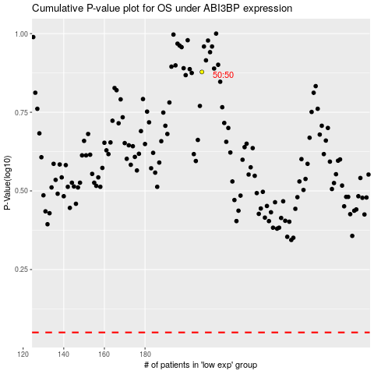

 |  |  |  |  |  | cases_OS | p_OS | rank | exp
 |  |  |  |  |  |  | cases_RFS | p_RFS | rank | exp

