ABLIM3 _multivariate
Reported by Tex Li-Hsing Chi. tex@gate.sinica.edu.tw 2019-08-22

Table 2. The clinicopathological features of HNSCC cohort and ABLIM3 expression. (Chi square test)
Cutoff at -0.33 (48.8%)
 |  | ABLIM3 expression |  | ABLIM3 expression |  | (Optimised)
 | Features | Low | (%) | High | (%) | Case no | P-value | Remark | Matthews
Gender | Female | 164 | 39.5 | 142 | 34.2 | 415 | 0.0012 | 1 | 0
2 | Male | 38 | 9.2 | 71 | 17.1
Age at diagnosis | <=65y | 130 | 31.3 | 144 | 34.7 | 415 | 0.5519 | 0 | 0
4 | >65y | 72 | 17.3 | 69 | 16.6
Clinical T Status | T1+T2 | 65 | 15.7 | 84 | 20.2 | 415 | 0.1504 | 0 | 0
6 | T3+T4 | 137 | 33 | 129 | 31.1
Clinical N Status | N0 | 105 | 25.3 | 111 | 26.7 | 415 | 1 | 0 | 0
8 | N1-3 | 97 | 23.4 | 102 | 24.6
Clinical M Status | M0 | 201 | 48.4 | 211 | 50.8 | 415 | 1 | 0 | 0
10 | M1 | 1 | 0.2 | 2 | 0.5
Clinical Stage | Stage I+II | 43 | 10.4 | 59 | 14.2 | 415 | 0.1608 | 0 | 0
12 | Stage III+IV | 159 | 38.3 | 154 | 37.1
Surgical Margin status | Negative | 158 | 38.1 | 160 | 38.6 | 415 | 0.4874 | 0 | 0
14 | Positive | 44 | 10.6 | 53 | 12.8
Tobacco Exposure | Low | 69 | 16.6 | 92 | 22.2 | 415 | 0.0696 | 0 | 0
16 | High | 133 | 32 | 121 | 29.2

Table 3. Univariate/Multivariate Cox's proportional hazards regression analyses on OS time of ABLIM3 gene expression in HNSCC

 |  | Univariate |  |  |  | Multivariate
 | Features | HR | CI95%(L) | CI95%(H) | P-value | HR | CI95%(L) | CI95%(H) | P-value
1 | Female | 1 |  |  |  | 1
Gender | Male | 1.157 | 0.843 | 1.587 | 0.367 | 1.126 | 0.802 | 1.581 | 0.492
11 | <=65y | 1 |  |  |  | 1
Age at diagnosis | >65y | 1.329 | 0.99 | 1.784 | 0.058 | 1.423 | 1.047 | 1.934 | 0.024
12 | T1+T2 | 1 |  |  |  | 1
Clinical T Status | T3+T4 | 1.409 | 1.028 | 1.931 | 0.033 | 2.196 | 1.162 | 4.148 | 0.015
13 | N0 | 1 |  |  |  | 1
Clinical N Status | N1-3 | 1.185 | 0.89 | 1.577 | 0.246 | 1.242 | 0.871 | 1.771 | 0.231
14 | M0 | 1 |  |  |  | 1
Clinical M Status | M1 | 4.097 | 1.009 | 16.644 | 0.049 | 8.755 | 1.908 | 40.164 | 0.005
15 | Stage I+II | 1 |  |  |  | 1
Clinical Stage | Stage III+IV | 1.245 | 0.882 | 1.759 | 0.213 | 0.534 | 0.248 | 1.148 | 0.108
16 | Negative | 1 |  |  |  | 1
Surgical Margin status | Positive | 1.591 | 1.155 | 2.191 | 0.004 | 1.637 | 1.185 | 2.261 | 0.003
17 | Low | 1 |  |  |  | 1
Tobacco Exposure | High | 1.364 | 1.008 | 1.844 | 0.044 | 1.444 | 1.049 | 1.989 | 0.024
18 | Low | 1 |  |  |  | 1
RNAseq(z-score) | High | 1.345 | 1.009 | 1.793 | 0.043 | 1.374 | 1.02 | 1.849 | 0.036

Table 4. Univariate/Multivariate Cox's proportional hazards regression analyses on RFS time of ABLIM3 gene expression in HNSCC

 |  | Univariate |  |  |  | Multivariate
 | Features | HR | CI95%(L) | CI95%(H) | P-value | HR | CI95%(L) | CI95%(H) | P-value
1 | Female | 1 |  |  |  | 1
Gender | Male | 1.157 | 0.843 | 1.587 | 0.367 | 1.126 | 0.802 | 1.581 | 0.492
11 | <=65y | 1 |  |  |  | 1
Age at diagnosis | >65y | 1.329 | 0.99 | 1.784 | 0.058 | 1.423 | 1.047 | 1.934 | 0.024
12 | T1+T2 | 1 |  |  |  | 1
Clinical T Status | T3+T4 | 1.409 | 1.028 | 1.931 | 0.033 | 2.196 | 1.162 | 4.148 | 0.015
13 | N0 | 1 |  |  |  | 1
Clinical N Status | N1-3 | 1.185 | 0.89 | 1.577 | 0.246 | 1.242 | 0.871 | 1.771 | 0.231
14 | M0 | 1 |  |  |  | 1
Clinical M Status | M1 | 4.097 | 1.009 | 16.644 | 0.049 | 8.755 | 1.908 | 40.164 | 0.005
15 | Stage I+II | 1 |  |  |  | 1
Clinical Stage | Stage III+IV | 1.245 | 0.882 | 1.759 | 0.213 | 0.534 | 0.248 | 1.148 | 0.108
16 | Negative | 1 |  |  |  | 1
Surgical Margin status | Positive | 1.591 | 1.155 | 2.191 | 0.004 | 1.637 | 1.185 | 2.261 | 0.003
17 | Low | 1 |  |  |  | 1
Tobacco Exposure | High | 1.364 | 1.008 | 1.844 | 0.044 | 1.444 | 1.049 | 1.989 | 0.024
18 | Low | 1 |  |  |  | 1
RNAseq(z-score) | High | 1.345 | 1.009 | 1.793 | 0.043 | 1.374 | 1.02 | 1.849 | 0.036

Kaplan-Meier survival estimate: Cutoff at -0.33 (48.8%)



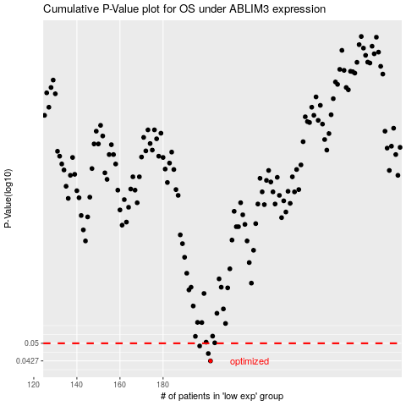

 |  |  |  |  |  | cases_OS | p_OS | rank | exp
 |  |  |  |  |  | 202 | 0.0427 | 369 | -0.32966848407
 |  |  |  |  |  | 201 | 0.0456 | 313 | -0.33287775482
 |  |  |  |  |  | 197 | 0.0488 | 161 | -0.34152778407
 |  |  |  |  |  |  | cases_RFS | p_RFS | rank | exp
 |  |  |  |  |  |  | 201 | 0.0427 | 313 | -0.33287775482
 |  |  |  |  |  |  | 200 | 0.0456 | 307 | -0.33470602589
 |  |  |  |  |  |  | 196 | 0.0488 | 121 | -0.34523232267

