ABP1 _multivariate
Reported by Tex Li-Hsing Chi. tex@gate.sinica.edu.tw 2019-08-22

Table 2. The clinicopathological features of HNSCC cohort and ABP1 expression. (Chi square test)
Cutoff at -0.356 (50.0%)
 |  | ABP1 expression |  | ABP1 expression |  | (Optimised)
 | Features | Low | (%) | High | (%) | Case no | P-value | Remark | Matthews
Gender | Female | 164 | 39.5 | 142 | 34.2 | 415 | 0.0153 | 1 | 0
2 | Male | 43 | 10.4 | 66 | 15.9
Age at diagnosis | <=65y | 139 | 33.5 | 135 | 32.5 | 415 | 0.7044 | 0 | 0
4 | >65y | 68 | 16.4 | 73 | 17.6
Clinical T Status | T1+T2 | 73 | 17.6 | 76 | 18.3 | 415 | 0.8666 | 0 | 0
6 | T3+T4 | 134 | 32.3 | 132 | 31.8
Clinical N Status | N0 | 100 | 24.1 | 116 | 28 | 415 | 0.1548 | 0 | 0
8 | N1-3 | 107 | 25.8 | 92 | 22.2
Clinical M Status | M0 | 205 | 49.4 | 207 | 49.9 | 415 | 0.6232 | 0 | 0
10 | M1 | 2 | 0.5 | 1 | 0.2
Clinical Stage | Stage I+II | 43 | 10.4 | 59 | 14.2 | 415 | 0.0925 | 0 | 0
12 | Stage III+IV | 164 | 39.5 | 149 | 35.9
Surgical Margin status | Negative | 159 | 38.3 | 159 | 38.3 | 415 | 1 | 0 | 0
14 | Positive | 48 | 11.6 | 49 | 11.8
Tobacco Exposure | Low | 74 | 17.8 | 87 | 21 | 415 | 0.227 | 0 | 0
16 | High | 133 | 32 | 121 | 29.2

Table 3. Univariate/Multivariate Cox's proportional hazards regression analyses on OS time of ABP1 gene expression in HNSCC

 |  | Univariate |  |  |  | Multivariate
 | Features | HR | CI95%(L) | CI95%(H) | P-value | HR | CI95%(L) | CI95%(H) | P-value
1 | Female | 1 |  |  |  | 1
Gender | Male | 1.157 | 0.843 | 1.587 | 0.367 | 1.237 | 0.883 | 1.734 | 0.216
11 | <=65y | 1 |  |  |  | 1
Age at diagnosis | >65y | 1.329 | 0.99 | 1.784 | 0.058 | 1.408 | 1.035 | 1.917 | 0.03
12 | T1+T2 | 1 |  |  |  | 1
Clinical T Status | T3+T4 | 1.409 | 1.028 | 1.931 | 0.033 | 2.297 | 1.211 | 4.359 | 0.011
13 | N0 | 1 |  |  |  | 1
Clinical N Status | N1-3 | 1.185 | 0.89 | 1.577 | 0.246 | 1.253 | 0.877 | 1.791 | 0.215
14 | M0 | 1 |  |  |  | 1
Clinical M Status | M1 | 4.097 | 1.009 | 16.644 | 0.049 | 9.324 | 2.033 | 42.767 | 0.004
15 | Stage I+II | 1 |  |  |  | 1
Clinical Stage | Stage III+IV | 1.245 | 0.882 | 1.759 | 0.213 | 0.477 | 0.221 | 1.029 | 0.059
16 | Negative | 1 |  |  |  | 1
Surgical Margin status | Positive | 1.591 | 1.155 | 2.191 | 0.004 | 1.694 | 1.225 | 2.343 | 0.001
17 | Low | 1 |  |  |  | 1
Tobacco Exposure | High | 1.364 | 1.008 | 1.844 | 0.044 | 1.437 | 1.043 | 1.981 | 0.027
18 | Low | 1 |  |  |  | 1
RNAseq(z-score) | High | 0.887 | 0.665 | 1.184 | 0.417 | 0.832 | 0.617 | 1.122 | 0.228

Table 4. Univariate/Multivariate Cox's proportional hazards regression analyses on RFS time of ABP1 gene expression in HNSCC

 |  | Univariate |  |  |  | Multivariate
 | Features | HR | CI95%(L) | CI95%(H) | P-value | HR | CI95%(L) | CI95%(H) | P-value
1 | Female | 1 |  |  |  | 1
Gender | Male | 1.157 | 0.843 | 1.587 | 0.367 | 1.237 | 0.883 | 1.734 | 0.216
11 | <=65y | 1 |  |  |  | 1
Age at diagnosis | >65y | 1.329 | 0.99 | 1.784 | 0.058 | 1.408 | 1.035 | 1.917 | 0.03
12 | T1+T2 | 1 |  |  |  | 1
Clinical T Status | T3+T4 | 1.409 | 1.028 | 1.931 | 0.033 | 2.297 | 1.211 | 4.359 | 0.011
13 | N0 | 1 |  |  |  | 1
Clinical N Status | N1-3 | 1.185 | 0.89 | 1.577 | 0.246 | 1.253 | 0.877 | 1.791 | 0.215
14 | M0 | 1 |  |  |  | 1
Clinical M Status | M1 | 4.097 | 1.009 | 16.644 | 0.049 | 9.324 | 2.033 | 42.767 | 0.004
15 | Stage I+II | 1 |  |  |  | 1
Clinical Stage | Stage III+IV | 1.245 | 0.882 | 1.759 | 0.213 | 0.477 | 0.221 | 1.029 | 0.059
16 | Negative | 1 |  |  |  | 1
Surgical Margin status | Positive | 1.591 | 1.155 | 2.191 | 0.004 | 1.694 | 1.225 | 2.343 | 0.001
17 | Low | 1 |  |  |  | 1
Tobacco Exposure | High | 1.364 | 1.008 | 1.844 | 0.044 | 1.437 | 1.043 | 1.981 | 0.027
18 | Low | 1 |  |  |  | 1
RNAseq(z-score) | High | 0.887 | 0.665 | 1.184 | 0.417 | 0.832 | 0.617 | 1.122 | 0.228

Kaplan-Meier survival estimate: Cutoff at -0.356 (50.0%)



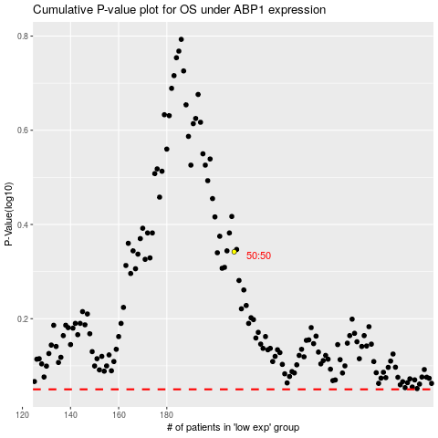

 |  |  |  |  |  | cases_OS | p_OS | rank | exp
 |  |  |  |  |  |  | cases_RFS | p_RFS | rank | exp

