ABRA _multivariate
Reported by Tex Li-Hsing Chi. tex@gate.sinica.edu.tw 2019-08-22

Table 2. The clinicopathological features of HNSCC cohort and ABRA expression. (Chi square test)
Cutoff at -0.134 (50.0%)
 |  | ABRA expression |  | ABRA expression |  | (Optimised)
 | Features | Low | (%) | High | (%) | Case no | P-value | Remark | Matthews
Gender | Female | 162 | 39 | 144 | 34.7 | 415 | 0.0479 | 1 | 0
2 | Male | 45 | 10.8 | 64 | 15.4
Age at diagnosis | <=65y | 133 | 32 | 141 | 34 | 415 | 0.5111 | 0 | 0
4 | >65y | 74 | 17.8 | 67 | 16.1
Clinical T Status | T1+T2 | 57 | 13.7 | 92 | 22.2 | 415 | 6e-04 | 1 | 0
6 | T3+T4 | 150 | 36.1 | 116 | 28
Clinical N Status | N0 | 105 | 25.3 | 111 | 26.7 | 415 | 0.6598 | 0 | 0
8 | N1-3 | 102 | 24.6 | 97 | 23.4
Clinical M Status | M0 | 204 | 49.2 | 208 | 50.1 | 415 | 0.1232 | 0 | 0
10 | M1 | 3 | 0.7 | 0 | 0
Clinical Stage | Stage I+II | 37 | 8.9 | 65 | 15.7 | 415 | 0.0023 | 1 | 0
12 | Stage III+IV | 170 | 41 | 143 | 34.5
Surgical Margin status | Negative | 155 | 37.3 | 163 | 39.3 | 415 | 0.4187 | 0 | 0
14 | Positive | 52 | 12.5 | 45 | 10.8
Tobacco Exposure | Low | 76 | 18.3 | 85 | 20.5 | 415 | 0.4207 | 0 | 0
16 | High | 131 | 31.6 | 123 | 29.6

Table 3. Univariate/Multivariate Cox's proportional hazards regression analyses on OS time of ABRA gene expression in HNSCC

 |  | Univariate |  |  |  | Multivariate
 | Features | HR | CI95%(L) | CI95%(H) | P-value | HR | CI95%(L) | CI95%(H) | P-value
1 | Female | 1 |  |  |  | 1
Gender | Male | 1.157 | 0.843 | 1.587 | 0.367 | 1.155 | 0.826 | 1.617 | 0.399
11 | <=65y | 1 |  |  |  | 1
Age at diagnosis | >65y | 1.329 | 0.99 | 1.784 | 0.058 | 1.415 | 1.039 | 1.928 | 0.028
12 | T1+T2 | 1 |  |  |  | 1
Clinical T Status | T3+T4 | 1.409 | 1.028 | 1.931 | 0.033 | 2.337 | 1.233 | 4.43 | 0.009
13 | N0 | 1 |  |  |  | 1
Clinical N Status | N1-3 | 1.185 | 0.89 | 1.577 | 0.246 | 1.245 | 0.872 | 1.777 | 0.228
14 | M0 | 1 |  |  |  | 1
Clinical M Status | M1 | 4.097 | 1.009 | 16.644 | 0.049 | 11.722 | 2.527 | 54.377 | 0.002
15 | Stage I+II | 1 |  |  |  | 1
Clinical Stage | Stage III+IV | 1.245 | 0.882 | 1.759 | 0.213 | 0.502 | 0.234 | 1.078 | 0.077
16 | Negative | 1 |  |  |  | 1
Surgical Margin status | Positive | 1.591 | 1.155 | 2.191 | 0.004 | 1.69 | 1.223 | 2.334 | 0.001
17 | Low | 1 |  |  |  | 1
Tobacco Exposure | High | 1.364 | 1.008 | 1.844 | 0.044 | 1.447 | 1.05 | 1.992 | 0.024
18 | Low | 1 |  |  |  | 1
RNAseq(z-score) | High | 1.314 | 0.984 | 1.755 | 0.064 | 1.439 | 1.07 | 1.936 | 0.016

Table 4. Univariate/Multivariate Cox's proportional hazards regression analyses on RFS time of ABRA gene expression in HNSCC

 |  | Univariate |  |  |  | Multivariate
 | Features | HR | CI95%(L) | CI95%(H) | P-value | HR | CI95%(L) | CI95%(H) | P-value
1 | Female | 1 |  |  |  | 1
Gender | Male | 1.157 | 0.843 | 1.587 | 0.367 | 1.155 | 0.826 | 1.617 | 0.399
11 | <=65y | 1 |  |  |  | 1
Age at diagnosis | >65y | 1.329 | 0.99 | 1.784 | 0.058 | 1.415 | 1.039 | 1.928 | 0.028
12 | T1+T2 | 1 |  |  |  | 1
Clinical T Status | T3+T4 | 1.409 | 1.028 | 1.931 | 0.033 | 2.337 | 1.233 | 4.43 | 0.009
13 | N0 | 1 |  |  |  | 1
Clinical N Status | N1-3 | 1.185 | 0.89 | 1.577 | 0.246 | 1.245 | 0.872 | 1.777 | 0.228
14 | M0 | 1 |  |  |  | 1
Clinical M Status | M1 | 4.097 | 1.009 | 16.644 | 0.049 | 11.722 | 2.527 | 54.377 | 0.002
15 | Stage I+II | 1 |  |  |  | 1
Clinical Stage | Stage III+IV | 1.245 | 0.882 | 1.759 | 0.213 | 0.502 | 0.234 | 1.078 | 0.077
16 | Negative | 1 |  |  |  | 1
Surgical Margin status | Positive | 1.591 | 1.155 | 2.191 | 0.004 | 1.69 | 1.223 | 2.334 | 0.001
17 | Low | 1 |  |  |  | 1
Tobacco Exposure | High | 1.364 | 1.008 | 1.844 | 0.044 | 1.447 | 1.05 | 1.992 | 0.024
18 | Low | 1 |  |  |  | 1
RNAseq(z-score) | High | 1.314 | 0.984 | 1.755 | 0.064 | 1.439 | 1.07 | 1.936 | 0.016

Kaplan-Meier survival estimate: Cutoff at -0.134 (50.0%)



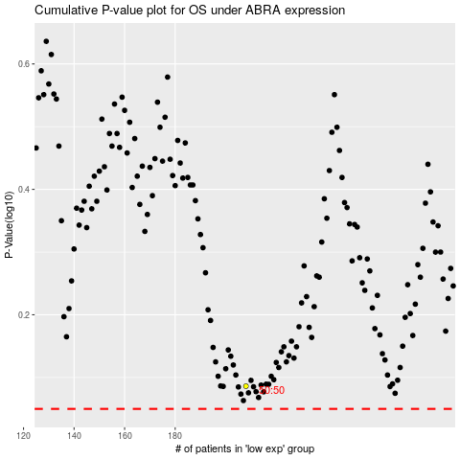

 |  |  |  |  |  | cases_OS | p_OS | rank | exp
 |  |  |  |  |  |  | cases_RFS | p_RFS | rank | exp

