ABT1 _multivariate
Reported by Tex Li-Hsing Chi. tex@gate.sinica.edu.tw 2019-08-22

Table 2. The clinicopathological features of HNSCC cohort and ABT1 expression. (Chi square test)
Cutoff at -0.164 (50.0%)
 |  | ABT1 expression |  | ABT1 expression |  | (Optimised)
 | Features | Low | (%) | High | (%) | Case no | P-value | Remark | Matthews
Gender | Female | 147 | 35.4 | 159 | 38.3 | 415 | 0.2523 | 0 | 0
2 | Male | 60 | 14.5 | 49 | 11.8
Age at diagnosis | <=65y | 130 | 31.3 | 144 | 34.7 | 415 | 0.2009 | 0 | 0
4 | >65y | 77 | 18.6 | 64 | 15.4
Clinical T Status | T1+T2 | 77 | 18.6 | 72 | 17.3 | 415 | 0.6556 | 0 | 0
6 | T3+T4 | 130 | 31.3 | 136 | 32.8
Clinical N Status | N0 | 111 | 26.7 | 105 | 25.3 | 415 | 0.5875 | 0 | 0
8 | N1-3 | 96 | 23.1 | 103 | 24.8
Clinical M Status | M0 | 206 | 49.6 | 206 | 49.6 | 415 | 1 | 0 | 0
10 | M1 | 1 | 0.2 | 2 | 0.5
Clinical Stage | Stage I+II | 54 | 13 | 48 | 11.6 | 415 | 0.5498 | 0 | 0
12 | Stage III+IV | 153 | 36.9 | 160 | 38.6
Surgical Margin status | Negative | 167 | 40.2 | 151 | 36.4 | 415 | 0.0632 | 0 | 0
14 | Positive | 40 | 9.6 | 57 | 13.7
Tobacco Exposure | Low | 88 | 21.2 | 73 | 17.6 | 415 | 0.1314 | 0 | 0
16 | High | 119 | 28.7 | 135 | 32.5

Table 3. Univariate/Multivariate Cox's proportional hazards regression analyses on OS time of ABT1 gene expression in HNSCC

 |  | Univariate |  |  |  | Multivariate
 | Features | HR | CI95%(L) | CI95%(H) | P-value | HR | CI95%(L) | CI95%(H) | P-value
1 | Female | 1 |  |  |  | 1
Gender | Male | 1.157 | 0.843 | 1.587 | 0.367 | 1.204 | 0.861 | 1.683 | 0.277
11 | <=65y | 1 |  |  |  | 1
Age at diagnosis | >65y | 1.329 | 0.99 | 1.784 | 0.058 | 1.395 | 1.025 | 1.898 | 0.034
12 | T1+T2 | 1 |  |  |  | 1
Clinical T Status | T3+T4 | 1.409 | 1.028 | 1.931 | 0.033 | 2.202 | 1.165 | 4.163 | 0.015
13 | N0 | 1 |  |  |  | 1
Clinical N Status | N1-3 | 1.185 | 0.89 | 1.577 | 0.246 | 1.241 | 0.87 | 1.771 | 0.234
14 | M0 | 1 |  |  |  | 1
Clinical M Status | M1 | 4.097 | 1.009 | 16.644 | 0.049 | 9.344 | 2.034 | 42.92 | 0.004
15 | Stage I+II | 1 |  |  |  | 1
Clinical Stage | Stage III+IV | 1.245 | 0.882 | 1.759 | 0.213 | 0.505 | 0.235 | 1.083 | 0.079
16 | Negative | 1 |  |  |  | 1
Surgical Margin status | Positive | 1.591 | 1.155 | 2.191 | 0.004 | 1.666 | 1.203 | 2.307 | 0.002
17 | Low | 1 |  |  |  | 1
Tobacco Exposure | High | 1.364 | 1.008 | 1.844 | 0.044 | 1.452 | 1.053 | 2.001 | 0.023
18 | Low | 1 |  |  |  | 1
RNAseq(z-score) | High | 1.067 | 0.801 | 1.422 | 0.657 | 1.025 | 0.766 | 1.372 | 0.868

Table 4. Univariate/Multivariate Cox's proportional hazards regression analyses on RFS time of ABT1 gene expression in HNSCC

 |  | Univariate |  |  |  | Multivariate
 | Features | HR | CI95%(L) | CI95%(H) | P-value | HR | CI95%(L) | CI95%(H) | P-value
1 | Female | 1 |  |  |  | 1
Gender | Male | 1.157 | 0.843 | 1.587 | 0.367 | 1.204 | 0.861 | 1.683 | 0.277
11 | <=65y | 1 |  |  |  | 1
Age at diagnosis | >65y | 1.329 | 0.99 | 1.784 | 0.058 | 1.395 | 1.025 | 1.898 | 0.034
12 | T1+T2 | 1 |  |  |  | 1
Clinical T Status | T3+T4 | 1.409 | 1.028 | 1.931 | 0.033 | 2.202 | 1.165 | 4.163 | 0.015
13 | N0 | 1 |  |  |  | 1
Clinical N Status | N1-3 | 1.185 | 0.89 | 1.577 | 0.246 | 1.241 | 0.87 | 1.771 | 0.234
14 | M0 | 1 |  |  |  | 1
Clinical M Status | M1 | 4.097 | 1.009 | 16.644 | 0.049 | 9.344 | 2.034 | 42.92 | 0.004
15 | Stage I+II | 1 |  |  |  | 1
Clinical Stage | Stage III+IV | 1.245 | 0.882 | 1.759 | 0.213 | 0.505 | 0.235 | 1.083 | 0.079
16 | Negative | 1 |  |  |  | 1
Surgical Margin status | Positive | 1.591 | 1.155 | 2.191 | 0.004 | 1.666 | 1.203 | 2.307 | 0.002
17 | Low | 1 |  |  |  | 1
Tobacco Exposure | High | 1.364 | 1.008 | 1.844 | 0.044 | 1.452 | 1.053 | 2.001 | 0.023
18 | Low | 1 |  |  |  | 1
RNAseq(z-score) | High | 1.067 | 0.801 | 1.422 | 0.657 | 1.025 | 0.766 | 1.372 | 0.868

Kaplan-Meier survival estimate: Cutoff at -0.164 (50.0%)



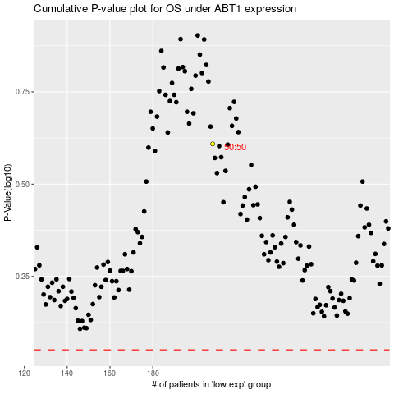

 |  |  |  |  |  | cases_OS | p_OS | rank | exp
 |  |  |  |  |  |  | cases_RFS | p_RFS | rank | exp

