ACAD8 _multivariate
Reported by Tex Li-Hsing Chi. tex@gate.sinica.edu.tw 2019-08-22

Table 2. The clinicopathological features of HNSCC cohort and ACAD8 expression. (Chi square test)
Cutoff at -0.529 (32.9%)
 |  | ACAD8 expression |  | ACAD8 expression |  | (Optimised)
 | Features | Low | (%) | High | (%) | Case no | P-value | Remark | Matthews
Gender | Female | 103 | 24.8 | 203 | 48.9 | 415 | 0.5977 | 0 | 0
2 | Male | 33 | 8 | 76 | 18.3
Age at diagnosis | <=65y | 83 | 20 | 191 | 46 | 415 | 0.1647 | 0 | 0
4 | >65y | 53 | 12.8 | 88 | 21.2
Clinical T Status | T1+T2 | 43 | 10.4 | 106 | 25.5 | 415 | 0.2453 | 0 | 0
6 | T3+T4 | 93 | 22.4 | 173 | 41.7
Clinical N Status | N0 | 62 | 14.9 | 154 | 37.1 | 415 | 0.0828 | 0 | 0
8 | N1-3 | 74 | 17.8 | 125 | 30.1
Clinical M Status | M0 | 133 | 32 | 279 | 67.2 | 415 | 0.0347 | 1 | 0
10 | M1 | 3 | 0.7 | 0 | 0
Clinical Stage | Stage I+II | 27 | 6.5 | 75 | 18.1 | 415 | 0.15 | 0 | 0
12 | Stage III+IV | 109 | 26.3 | 204 | 49.2
Surgical Margin status | Negative | 104 | 25.1 | 214 | 51.6 | 415 | 1 | 0 | 0
14 | Positive | 32 | 7.7 | 65 | 15.7
Tobacco Exposure | Low | 43 | 10.4 | 118 | 28.4 | 415 | 0.0415 | 1 | 0
16 | High | 93 | 22.4 | 161 | 38.8

Table 3. Univariate/Multivariate Cox's proportional hazards regression analyses on OS time of ACAD8 gene expression in HNSCC

 |  | Univariate |  |  |  | Multivariate
 | Features | HR | CI95%(L) | CI95%(H) | P-value | HR | CI95%(L) | CI95%(H) | P-value
1 | Female | 1 |  |  |  | 1
Gender | Male | 1.157 | 0.843 | 1.587 | 0.367 | 1.183 | 0.845 | 1.655 | 0.327
11 | <=65y | 1 |  |  |  | 1
Age at diagnosis | >65y | 1.329 | 0.99 | 1.784 | 0.058 | 1.343 | 0.987 | 1.828 | 0.061
12 | T1+T2 | 1 |  |  |  | 1
Clinical T Status | T3+T4 | 1.409 | 1.028 | 1.931 | 0.033 | 2.169 | 1.148 | 4.1 | 0.017
13 | N0 | 1 |  |  |  | 1
Clinical N Status | N1-3 | 1.185 | 0.89 | 1.577 | 0.246 | 1.22 | 0.854 | 1.743 | 0.275
14 | M0 | 1 |  |  |  | 1
Clinical M Status | M1 | 4.097 | 1.009 | 16.644 | 0.049 | 7.32 | 1.579 | 33.924 | 0.011
15 | Stage I+II | 1 |  |  |  | 1
Clinical Stage | Stage III+IV | 1.245 | 0.882 | 1.759 | 0.213 | 0.504 | 0.234 | 1.082 | 0.079
16 | Negative | 1 |  |  |  | 1
Surgical Margin status | Positive | 1.591 | 1.155 | 2.191 | 0.004 | 1.675 | 1.213 | 2.313 | 0.002
17 | Low | 1 |  |  |  | 1
Tobacco Exposure | High | 1.364 | 1.008 | 1.844 | 0.044 | 1.379 | 0.997 | 1.906 | 0.052
18 | Low | 1 |  |  |  | 1
RNAseq(z-score) | High | 0.616 | 0.462 | 0.823 | 0.001 | 0.688 | 0.512 | 0.924 | 0.013

Table 4. Univariate/Multivariate Cox's proportional hazards regression analyses on RFS time of ACAD8 gene expression in HNSCC

 |  | Univariate |  |  |  | Multivariate
 | Features | HR | CI95%(L) | CI95%(H) | P-value | HR | CI95%(L) | CI95%(H) | P-value
1 | Female | 1 |  |  |  | 1
Gender | Male | 1.157 | 0.843 | 1.587 | 0.367 | 1.183 | 0.845 | 1.655 | 0.327
11 | <=65y | 1 |  |  |  | 1
Age at diagnosis | >65y | 1.329 | 0.99 | 1.784 | 0.058 | 1.343 | 0.987 | 1.828 | 0.061
12 | T1+T2 | 1 |  |  |  | 1
Clinical T Status | T3+T4 | 1.409 | 1.028 | 1.931 | 0.033 | 2.169 | 1.148 | 4.1 | 0.017
13 | N0 | 1 |  |  |  | 1
Clinical N Status | N1-3 | 1.185 | 0.89 | 1.577 | 0.246 | 1.22 | 0.854 | 1.743 | 0.275
14 | M0 | 1 |  |  |  | 1
Clinical M Status | M1 | 4.097 | 1.009 | 16.644 | 0.049 | 7.32 | 1.579 | 33.924 | 0.011
15 | Stage I+II | 1 |  |  |  | 1
Clinical Stage | Stage III+IV | 1.245 | 0.882 | 1.759 | 0.213 | 0.504 | 0.234 | 1.082 | 0.079
16 | Negative | 1 |  |  |  | 1
Surgical Margin status | Positive | 1.591 | 1.155 | 2.191 | 0.004 | 1.675 | 1.213 | 2.313 | 0.002
17 | Low | 1 |  |  |  | 1
Tobacco Exposure | High | 1.364 | 1.008 | 1.844 | 0.044 | 1.379 | 0.997 | 1.906 | 0.052
18 | Low | 1 |  |  |  | 1
RNAseq(z-score) | High | 0.616 | 0.462 | 0.823 | 0.001 | 0.688 | 0.512 | 0.924 | 0.013

Kaplan-Meier survival estimate: Cutoff at -0.529 (32.9%)

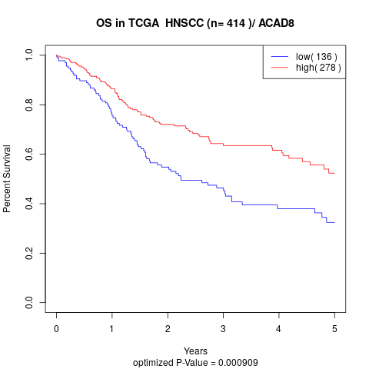

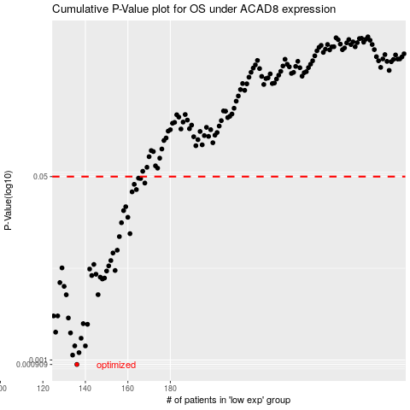

 |  |  |  |  |  | cases_OS | p_OS | rank | exp
 |  |  |  |  |  | 136 | 0.000909 | 295 | -0.52929991989
 |  |  |  |  |  | 134 | 0.00111 | 312 | -0.5320451586
 |  |  |  |  |  | 137 | 0.00117 | 329 | -0.52888621046
 |  |  |  |  |  | 135 | 0.00135 | 253 | -0.53078663872
 |  |  |  |  |  | 140 | 0.00135 | 255 | -0.51287539222
 |  |  |  |  |  | 138 | 0.00159 | 300 | -0.52262259707
 |  |  |  |  |  | 133 | 0.00178 | 214 | -0.53590029802
 |  |  |  |  |  | 126 | 0.00181 | 327 | -0.54664040549
 |  |  |  |  |  | 141 | 0.00214 | 271 | -0.51226457792
 |  |  |  |  |  | 139 | 0.00217 | 191 | -0.51842436869
 |  |  |  |  |  | 132 | 0.00245 | 180 | -0.53692060559
 |  |  |  |  |  | 125 | 0.00256 | 176 | -0.54731920516
 |  |  |  |  |  | 127 | 0.00256 | 182 | -0.54206061581
 |  |  |  |  |  | 131 | 0.00402 | 198 | -0.53815804474
 |  |  |  |  |  | 146 | 0.00403 | 122 | -0.50603047756
 |  |  |  |  |  | 130 | 0.00481 | 322 | -0.5385585787
 |  |  |  |  |  | 128 | 0.00521 | 116 | -0.54084583845
 |  |  |  |  |  | 148 | 0.00563 | 154 | -0.5001262907
 |  |  |  |  |  | 149 | 0.00574 | 388 | -0.49846196667
 |  |  |  |  |  | 147 | 0.00585 | 212 | -0.50525207142
 |  |  |  |  |  | 143 | 0.00606 | 134 | -0.50763419447
 |  |  |  |  |  | 145 | 0.00623 | 210 | -0.50738069863
 |  |  |  |  |  | 150 | 0.00667 | 374 | -0.49242813329
 |  |  |  |  |  | 154 | 0.00675 | 110 | -0.4760663208
 |  |  |  |  |  | 142 | 0.00696 | 278 | -0.50919574992
 |  |  |  |  |  | 129 | 0.00713 | 204 | -0.53915410947
 |  |  |  |  |  | 151 | 0.00744 | 393 | -0.48466567964
 |  |  |  |  |  | 144 | 0.00768 | 118 | -0.50755830383
 |  |  |  |  |  | 152 | 0.00834 | 299 | -0.48051382887
 |  |  |  |  |  | 153 | 0.0098 | 229 | -0.47962105975
 |  |  |  |  |  | 155 | 0.0104 | 189 | -0.47604576709
 |  |  |  |  |  | 156 | 0.0139 | 127 | -0.45856456758
 |  |  |  |  |  | 161 | 0.0148 | 245 | -0.44420964107
 |  |  |  |  |  | 157 | 0.0187 | 112 | -0.45718061732
 |  |  |  |  |  | 160 | 0.021 | 159 | -0.44510451827
 |  |  |  |  |  | 158 | 0.0242 | 146 | -0.45154362878
 |  |  |  |  |  | 159 | 0.0263 | 265 | -0.44664393894
 |  |  |  |  |  | 162 | 0.0361 | 156 | -0.4289724858
 |  |  |  |  |  | 164 | 0.0379 | 105 | -0.42571393118
 |  |  |  |  |  | 163 | 0.0424 | 401 | -0.42768339885
 |  |  |  |  |  | 168 | 0.0436 | 362 | -0.41825293204
 |  |  |  |  |  | 166 | 0.048 | 37 | -0.42328332243
 |  |  |  |  |  | 165 | 0.0484 | 228 | -0.42557637939
 |  |  |  |  |  |  | cases_RFS | p_RFS | rank | exp
 |  |  |  |  |  |  | 135 | 0.000909 | 253 | -0.53078663872
 |  |  |  |  |  |  | 133 | 0.00111 | 214 | -0.53590029802
 |  |  |  |  |  |  | 136 | 0.00117 | 295 | -0.52929991989
 |  |  |  |  |  |  | 139 | 0.00135 | 191 | -0.51842436869
 |  |  |  |  |  |  | 134 | 0.00135 | 312 | -0.5320451586
 |  |  |  |  |  |  | 137 | 0.00159 | 329 | -0.52888621046
 |  |  |  |  |  |  | 132 | 0.00178 | 180 | -0.53692060559
 |  |  |  |  |  |  | 125 | 0.00181 | 176 | -0.54731920516
 |  |  |  |  |  |  | 140 | 0.00214 | 255 | -0.51287539222
 |  |  |  |  |  |  | 138 | 0.00217 | 300 | -0.52262259707
 |  |  |  |  |  |  | 131 | 0.00245 | 198 | -0.53815804474
 |  |  |  |  |  |  |  | 0.00256 | 113 | -0.54913372943
 |  |  |  |  |  |  | 126 | 0.00256 | 327 | -0.54664040549
 |  |  |  |  |  |  | 130 | 0.00402 | 322 | -0.5385585787
 |  |  |  |  |  |  | 145 | 0.00403 | 210 | -0.50738069863
 |  |  |  |  |  |  | 129 | 0.00481 | 204 | -0.53915410947
 |  |  |  |  |  |  | 127 | 0.00521 | 182 | -0.54206061581
 |  |  |  |  |  |  | 147 | 0.00563 | 212 | -0.50525207142
 |  |  |  |  |  |  | 148 | 0.00574 | 154 | -0.5001262907
 |  |  |  |  |  |  | 146 | 0.00585 | 122 | -0.50603047756
 |  |  |  |  |  |  | 142 | 0.00606 | 278 | -0.50919574992
 |  |  |  |  |  |  | 144 | 0.00623 | 118 | -0.50755830383
 |  |  |  |  |  |  | 149 | 0.00667 | 388 | -0.49846196667
 |  |  |  |  |  |  | 153 | 0.00675 | 229 | -0.47962105975
 |  |  |  |  |  |  | 141 | 0.00696 | 271 | -0.51226457792
 |  |  |  |  |  |  | 128 | 0.00713 | 116 | -0.54084583845
 |  |  |  |  |  |  | 150 | 0.00744 | 374 | -0.49242813329
 |  |  |  |  |  |  | 143 | 0.00768 | 134 | -0.50763419447
 |  |  |  |  |  |  | 151 | 0.00834 | 393 | -0.48466567964
 |  |  |  |  |  |  | 152 | 0.0098 | 299 | -0.48051382887
 |  |  |  |  |  |  | 154 | 0.0104 | 110 | -0.4760663208
 |  |  |  |  |  |  | 155 | 0.0139 | 189 | -0.47604576709
 |  |  |  |  |  |  | 160 | 0.0148 | 159 | -0.44510451827
 |  |  |  |  |  |  | 156 | 0.0187 | 127 | -0.45856456758
 |  |  |  |  |  |  | 159 | 0.021 | 265 | -0.44664393894
 |  |  |  |  |  |  | 157 | 0.0242 | 112 | -0.45718061732
 |  |  |  |  |  |  | 158 | 0.0263 | 146 | -0.45154362878
 |  |  |  |  |  |  | 161 | 0.0361 | 245 | -0.44420964107
 |  |  |  |  |  |  | 163 | 0.0379 | 401 | -0.42768339885
 |  |  |  |  |  |  | 162 | 0.0424 | 156 | -0.4289724858
 |  |  |  |  |  |  | 167 | 0.0436 | 1 | -0.41865715514
 |  |  |  |  |  |  | 165 | 0.048 | 228 | -0.42557637939
 |  |  |  |  |  |  | 164 | 0.0484 | 105 | -0.42571393118

