ACAD9 _multivariate
Reported by Tex Li-Hsing Chi. tex@gate.sinica.edu.tw 2019-08-22

Table 2. The clinicopathological features of HNSCC cohort and ACAD9 expression. (Chi square test)
Cutoff at -0.197 (49.8%)
 |  | ACAD9 expression |  | ACAD9 expression |  | (Optimised)
 | Features | Low | (%) | High | (%) | Case no | P-value | Remark | Matthews
Gender | Female | 139 | 33.5 | 167 | 40.2 | 415 | 0.0034 | 1 | 0
2 | Male | 68 | 16.4 | 41 | 9.9
Age at diagnosis | <=65y | 133 | 32 | 141 | 34 | 415 | 0.5111 | 0 | 0
4 | >65y | 74 | 17.8 | 67 | 16.1
Clinical T Status | T1+T2 | 74 | 17.8 | 75 | 18.1 | 415 | 1 | 0 | 0
6 | T3+T4 | 133 | 32 | 133 | 32
Clinical N Status | N0 | 112 | 27 | 104 | 25.1 | 415 | 0.4599 | 0 | 0
8 | N1-3 | 95 | 22.9 | 104 | 25.1
Clinical M Status | M0 | 206 | 49.6 | 206 | 49.6 | 415 | 1 | 0 | 0
10 | M1 | 1 | 0.2 | 2 | 0.5
Clinical Stage | Stage I+II | 57 | 13.7 | 45 | 10.8 | 415 | 0.1998 | 0 | 0
12 | Stage III+IV | 150 | 36.1 | 163 | 39.3
Surgical Margin status | Negative | 157 | 37.8 | 161 | 38.8 | 415 | 0.729 | 0 | 0
14 | Positive | 50 | 12 | 47 | 11.3
Tobacco Exposure | Low | 89 | 21.4 | 72 | 17.3 | 415 | 0.0872 | 0 | 0
16 | High | 118 | 28.4 | 136 | 32.8

Table 3. Univariate/Multivariate Cox's proportional hazards regression analyses on OS time of ACAD9 gene expression in HNSCC

 |  | Univariate |  |  |  | Multivariate
 | Features | HR | CI95%(L) | CI95%(H) | P-value | HR | CI95%(L) | CI95%(H) | P-value
1 | Female | 1 |  |  |  | 1
Gender | Male | 1.157 | 0.843 | 1.587 | 0.367 | 1.225 | 0.874 | 1.718 | 0.238
11 | <=65y | 1 |  |  |  | 1
Age at diagnosis | >65y | 1.329 | 0.99 | 1.784 | 0.058 | 1.381 | 1.016 | 1.877 | 0.039
12 | T1+T2 | 1 |  |  |  | 1
Clinical T Status | T3+T4 | 1.409 | 1.028 | 1.931 | 0.033 | 2.265 | 1.193 | 4.298 | 0.012
13 | N0 | 1 |  |  |  | 1
Clinical N Status | N1-3 | 1.185 | 0.89 | 1.577 | 0.246 | 1.244 | 0.872 | 1.775 | 0.229
14 | M0 | 1 |  |  |  | 1
Clinical M Status | M1 | 4.097 | 1.009 | 16.644 | 0.049 | 9.6 | 2.092 | 44.054 | 0.004
15 | Stage I+II | 1 |  |  |  | 1
Clinical Stage | Stage III+IV | 1.245 | 0.882 | 1.759 | 0.213 | 0.49 | 0.227 | 1.054 | 0.068
16 | Negative | 1 |  |  |  | 1
Surgical Margin status | Positive | 1.591 | 1.155 | 2.191 | 0.004 | 1.692 | 1.222 | 2.341 | 0.002
17 | Low | 1 |  |  |  | 1
Tobacco Exposure | High | 1.364 | 1.008 | 1.844 | 0.044 | 1.448 | 1.051 | 1.995 | 0.023
18 | Low | 1 |  |  |  | 1
RNAseq(z-score) | High | 1.038 | 0.78 | 1.382 | 0.797 | 1.125 | 0.839 | 1.509 | 0.431

Table 4. Univariate/Multivariate Cox's proportional hazards regression analyses on RFS time of ACAD9 gene expression in HNSCC

 |  | Univariate |  |  |  | Multivariate
 | Features | HR | CI95%(L) | CI95%(H) | P-value | HR | CI95%(L) | CI95%(H) | P-value
1 | Female | 1 |  |  |  | 1
Gender | Male | 1.157 | 0.843 | 1.587 | 0.367 | 1.225 | 0.874 | 1.718 | 0.238
11 | <=65y | 1 |  |  |  | 1
Age at diagnosis | >65y | 1.329 | 0.99 | 1.784 | 0.058 | 1.381 | 1.016 | 1.877 | 0.039
12 | T1+T2 | 1 |  |  |  | 1
Clinical T Status | T3+T4 | 1.409 | 1.028 | 1.931 | 0.033 | 2.265 | 1.193 | 4.298 | 0.012
13 | N0 | 1 |  |  |  | 1
Clinical N Status | N1-3 | 1.185 | 0.89 | 1.577 | 0.246 | 1.244 | 0.872 | 1.775 | 0.229
14 | M0 | 1 |  |  |  | 1
Clinical M Status | M1 | 4.097 | 1.009 | 16.644 | 0.049 | 9.6 | 2.092 | 44.054 | 0.004
15 | Stage I+II | 1 |  |  |  | 1
Clinical Stage | Stage III+IV | 1.245 | 0.882 | 1.759 | 0.213 | 0.49 | 0.227 | 1.054 | 0.068
16 | Negative | 1 |  |  |  | 1
Surgical Margin status | Positive | 1.591 | 1.155 | 2.191 | 0.004 | 1.692 | 1.222 | 2.341 | 0.002
17 | Low | 1 |  |  |  | 1
Tobacco Exposure | High | 1.364 | 1.008 | 1.844 | 0.044 | 1.448 | 1.051 | 1.995 | 0.023
18 | Low | 1 |  |  |  | 1
RNAseq(z-score) | High | 1.038 | 0.78 | 1.382 | 0.797 | 1.125 | 0.839 | 1.509 | 0.431

Kaplan-Meier survival estimate: Cutoff at -0.197 (49.8%)



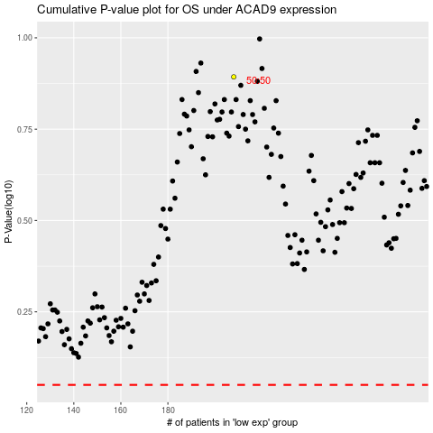

 |  |  |  |  |  | cases_OS | p_OS | rank | exp
 |  |  |  |  |  |  | cases_RFS | p_RFS | rank | exp

