ACADM _multivariate
Reported by Tex Li-Hsing Chi. tex@gate.sinica.edu.tw 2019-08-22

Table 2. The clinicopathological features of HNSCC cohort and ACADM expression. (Chi square test)
Cutoff at -0.319 (43.0%)
 |  | ACADM expression |  | ACADM expression |  | (Optimised)
 | Features | Low | (%) | High | (%) | Case no | P-value | Remark | Matthews
Gender | Female | 133 | 32 | 173 | 41.7 | 415 | 0.7778 | 0 | 0
2 | Male | 45 | 10.8 | 64 | 15.4
Age at diagnosis | <=65y | 112 | 27 | 162 | 39 | 415 | 0.2929 | 0 | 0
4 | >65y | 66 | 15.9 | 75 | 18.1
Clinical T Status | T1+T2 | 56 | 13.5 | 93 | 22.4 | 415 | 0.1256 | 0 | 0
6 | T3+T4 | 122 | 29.4 | 144 | 34.7
Clinical N Status | N0 | 96 | 23.1 | 120 | 28.9 | 415 | 0.5709 | 0 | 0
8 | N1-3 | 82 | 19.8 | 117 | 28.2
Clinical M Status | M0 | 178 | 42.9 | 234 | 56.4 | 415 | 0.2634 | 0 | 0
10 | M1 | 0 | 0 | 3 | 0.7
Clinical Stage | Stage I+II | 44 | 10.6 | 58 | 14 | 415 | 1 | 0 | 0
12 | Stage III+IV | 134 | 32.3 | 179 | 43.1
Surgical Margin status | Negative | 140 | 33.7 | 178 | 42.9 | 415 | 0.4144 | 0 | 0
14 | Positive | 38 | 9.2 | 59 | 14.2
Tobacco Exposure | Low | 71 | 17.1 | 90 | 21.7 | 415 | 0.7602 | 0 | 0
16 | High | 107 | 25.8 | 147 | 35.4

Table 3. Univariate/Multivariate Cox's proportional hazards regression analyses on OS time of ACADM gene expression in HNSCC

 |  | Univariate |  |  |  | Multivariate
 | Features | HR | CI95%(L) | CI95%(H) | P-value | HR | CI95%(L) | CI95%(H) | P-value
1 | Female | 1 |  |  |  | 1
Gender | Male | 1.157 | 0.843 | 1.587 | 0.367 | 1.203 | 0.86 | 1.683 | 0.281
11 | <=65y | 1 |  |  |  | 1
Age at diagnosis | >65y | 1.329 | 0.99 | 1.784 | 0.058 | 1.342 | 0.986 | 1.829 | 0.062
12 | T1+T2 | 1 |  |  |  | 1
Clinical T Status | T3+T4 | 1.409 | 1.028 | 1.931 | 0.033 | 2.076 | 1.094 | 3.937 | 0.025
13 | N0 | 1 |  |  |  | 1
Clinical N Status | N1-3 | 1.185 | 0.89 | 1.577 | 0.246 | 1.223 | 0.857 | 1.745 | 0.268
14 | M0 | 1 |  |  |  | 1
Clinical M Status | M1 | 4.097 | 1.009 | 16.644 | 0.049 | 10.17 | 2.213 | 46.736 | 0.003
15 | Stage I+II | 1 |  |  |  | 1
Clinical Stage | Stage III+IV | 1.245 | 0.882 | 1.759 | 0.213 | 0.539 | 0.251 | 1.16 | 0.114
16 | Negative | 1 |  |  |  | 1
Surgical Margin status | Positive | 1.591 | 1.155 | 2.191 | 0.004 | 1.691 | 1.224 | 2.338 | 0.001
17 | Low | 1 |  |  |  | 1
Tobacco Exposure | High | 1.364 | 1.008 | 1.844 | 0.044 | 1.458 | 1.056 | 2.012 | 0.022
18 | Low | 1 |  |  |  | 1
RNAseq(z-score) | High | 0.741 | 0.556 | 0.987 | 0.04 | 0.755 | 0.564 | 1.012 | 0.06

Table 4. Univariate/Multivariate Cox's proportional hazards regression analyses on RFS time of ACADM gene expression in HNSCC

 |  | Univariate |  |  |  | Multivariate
 | Features | HR | CI95%(L) | CI95%(H) | P-value | HR | CI95%(L) | CI95%(H) | P-value
1 | Female | 1 |  |  |  | 1
Gender | Male | 1.157 | 0.843 | 1.587 | 0.367 | 1.203 | 0.86 | 1.683 | 0.281
11 | <=65y | 1 |  |  |  | 1
Age at diagnosis | >65y | 1.329 | 0.99 | 1.784 | 0.058 | 1.342 | 0.986 | 1.829 | 0.062
12 | T1+T2 | 1 |  |  |  | 1
Clinical T Status | T3+T4 | 1.409 | 1.028 | 1.931 | 0.033 | 2.076 | 1.094 | 3.937 | 0.025
13 | N0 | 1 |  |  |  | 1
Clinical N Status | N1-3 | 1.185 | 0.89 | 1.577 | 0.246 | 1.223 | 0.857 | 1.745 | 0.268
14 | M0 | 1 |  |  |  | 1
Clinical M Status | M1 | 4.097 | 1.009 | 16.644 | 0.049 | 10.17 | 2.213 | 46.736 | 0.003
15 | Stage I+II | 1 |  |  |  | 1
Clinical Stage | Stage III+IV | 1.245 | 0.882 | 1.759 | 0.213 | 0.539 | 0.251 | 1.16 | 0.114
16 | Negative | 1 |  |  |  | 1
Surgical Margin status | Positive | 1.591 | 1.155 | 2.191 | 0.004 | 1.691 | 1.224 | 2.338 | 0.001
17 | Low | 1 |  |  |  | 1
Tobacco Exposure | High | 1.364 | 1.008 | 1.844 | 0.044 | 1.458 | 1.056 | 2.012 | 0.022
18 | Low | 1 |  |  |  | 1
RNAseq(z-score) | High | 0.741 | 0.556 | 0.987 | 0.04 | 0.755 | 0.564 | 1.012 | 0.06

Kaplan-Meier survival estimate: Cutoff at -0.319 (43.0%)



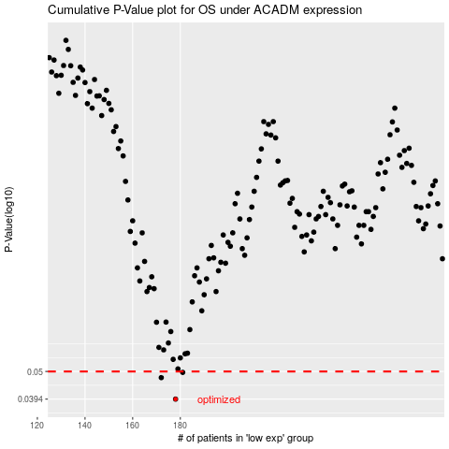

 |  |  |  |  |  | cases_OS | p_OS | rank | exp
 |  |  |  |  |  | 178 | 0.0394 | 50 | -0.31915966581
 |  |  |  |  |  | 172 | 0.0474 | 242 | -0.33229630888
 |  |  |  |  |  | 181 | 0.0496 | 337 | -0.31317868513
 |  |  |  |  |  |  | cases_RFS | p_RFS | rank | exp
 |  |  |  |  |  |  | 177 | 0.0394 | 241 | -0.32069638802
 |  |  |  |  |  |  | 171 | 0.0474 | 23 | -0.33244677993
 |  |  |  |  |  |  | 180 | 0.0496 | 275 | -0.31349457685

