ACAN _multivariate
Reported by Tex Li-Hsing Chi. tex@gate.sinica.edu.tw 2019-08-22

Table 2. The clinicopathological features of HNSCC cohort and ACAN expression. (Chi square test)
Cutoff at -0.216 (49.8%)
 |  | ACAN expression |  | ACAN expression |  | (Optimised)
 | Features | Low | (%) | High | (%) | Case no | P-value | Remark | Matthews
Gender | Female | 156 | 37.6 | 150 | 36.1 | 415 | 0.5222 | 0 | 0
2 | Male | 51 | 12.3 | 58 | 14
Age at diagnosis | <=65y | 138 | 33.3 | 136 | 32.8 | 415 | 0.8634 | 0 | 0
4 | >65y | 69 | 16.6 | 72 | 17.3
Clinical T Status | T1+T2 | 85 | 20.5 | 64 | 15.4 | 415 | 0.0372 | 1 | 0
6 | T3+T4 | 122 | 29.4 | 144 | 34.7
Clinical N Status | N0 | 102 | 24.6 | 114 | 27.5 | 415 | 0.3031 | 0 | 0
8 | N1-3 | 105 | 25.3 | 94 | 22.7
Clinical M Status | M0 | 204 | 49.2 | 208 | 50.1 | 415 | 0.1232 | 0 | 0
10 | M1 | 3 | 0.7 | 0 | 0
Clinical Stage | Stage I+II | 56 | 13.5 | 46 | 11.1 | 415 | 0.2918 | 0 | 0
12 | Stage III+IV | 151 | 36.4 | 162 | 39
Surgical Margin status | Negative | 160 | 38.6 | 158 | 38.1 | 415 | 0.8167 | 0 | 0
14 | Positive | 47 | 11.3 | 50 | 12
Tobacco Exposure | Low | 78 | 18.8 | 83 | 20 | 415 | 0.6873 | 0 | 0
16 | High | 129 | 31.1 | 125 | 30.1

Table 3. Univariate/Multivariate Cox's proportional hazards regression analyses on OS time of ACAN gene expression in HNSCC

 |  | Univariate |  |  |  | Multivariate
 | Features | HR | CI95%(L) | CI95%(H) | P-value | HR | CI95%(L) | CI95%(H) | P-value
1 | Female | 1 |  |  |  | 1
Gender | Male | 1.157 | 0.843 | 1.587 | 0.367 | 1.205 | 0.863 | 1.684 | 0.273
11 | <=65y | 1 |  |  |  | 1
Age at diagnosis | >65y | 1.329 | 0.99 | 1.784 | 0.058 | 1.386 | 1.02 | 1.883 | 0.037
12 | T1+T2 | 1 |  |  |  | 1
Clinical T Status | T3+T4 | 1.409 | 1.028 | 1.931 | 0.033 | 2.237 | 1.181 | 4.237 | 0.013
13 | N0 | 1 |  |  |  | 1
Clinical N Status | N1-3 | 1.185 | 0.89 | 1.577 | 0.246 | 1.23 | 0.861 | 1.756 | 0.255
14 | M0 | 1 |  |  |  | 1
Clinical M Status | M1 | 4.097 | 1.009 | 16.644 | 0.049 | 9.074 | 1.973 | 41.738 | 0.005
15 | Stage I+II | 1 |  |  |  | 1
Clinical Stage | Stage III+IV | 1.245 | 0.882 | 1.759 | 0.213 | 0.504 | 0.235 | 1.082 | 0.079
16 | Negative | 1 |  |  |  | 1
Surgical Margin status | Positive | 1.591 | 1.155 | 2.191 | 0.004 | 1.676 | 1.213 | 2.316 | 0.002
17 | Low | 1 |  |  |  | 1
Tobacco Exposure | High | 1.364 | 1.008 | 1.844 | 0.044 | 1.442 | 1.047 | 1.987 | 0.025
18 | Low | 1 |  |  |  | 1
RNAseq(z-score) | High | 0.902 | 0.677 | 1.201 | 0.479 | 0.903 | 0.675 | 1.208 | 0.491

Table 4. Univariate/Multivariate Cox's proportional hazards regression analyses on RFS time of ACAN gene expression in HNSCC

 |  | Univariate |  |  |  | Multivariate
 | Features | HR | CI95%(L) | CI95%(H) | P-value | HR | CI95%(L) | CI95%(H) | P-value
1 | Female | 1 |  |  |  | 1
Gender | Male | 1.157 | 0.843 | 1.587 | 0.367 | 1.205 | 0.863 | 1.684 | 0.273
11 | <=65y | 1 |  |  |  | 1
Age at diagnosis | >65y | 1.329 | 0.99 | 1.784 | 0.058 | 1.386 | 1.02 | 1.883 | 0.037
12 | T1+T2 | 1 |  |  |  | 1
Clinical T Status | T3+T4 | 1.409 | 1.028 | 1.931 | 0.033 | 2.237 | 1.181 | 4.237 | 0.013
13 | N0 | 1 |  |  |  | 1
Clinical N Status | N1-3 | 1.185 | 0.89 | 1.577 | 0.246 | 1.23 | 0.861 | 1.756 | 0.255
14 | M0 | 1 |  |  |  | 1
Clinical M Status | M1 | 4.097 | 1.009 | 16.644 | 0.049 | 9.074 | 1.973 | 41.738 | 0.005
15 | Stage I+II | 1 |  |  |  | 1
Clinical Stage | Stage III+IV | 1.245 | 0.882 | 1.759 | 0.213 | 0.504 | 0.235 | 1.082 | 0.079
16 | Negative | 1 |  |  |  | 1
Surgical Margin status | Positive | 1.591 | 1.155 | 2.191 | 0.004 | 1.676 | 1.213 | 2.316 | 0.002
17 | Low | 1 |  |  |  | 1
Tobacco Exposure | High | 1.364 | 1.008 | 1.844 | 0.044 | 1.442 | 1.047 | 1.987 | 0.025
18 | Low | 1 |  |  |  | 1
RNAseq(z-score) | High | 0.902 | 0.677 | 1.201 | 0.479 | 0.903 | 0.675 | 1.208 | 0.491

Kaplan-Meier survival estimate: Cutoff at -0.216 (49.8%)



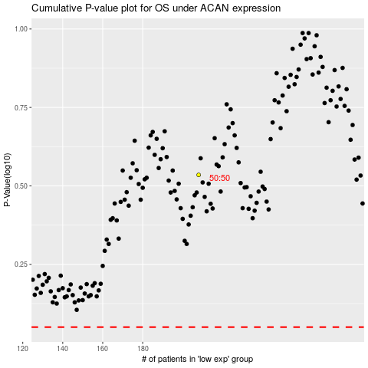

 |  |  |  |  |  | cases_OS | p_OS | rank | exp
 |  |  |  |  |  |  | cases_RFS | p_RFS | rank | exp

