ACAT1 _multivariate
Reported by Tex Li-Hsing Chi. tex@gate.sinica.edu.tw 2019-08-22

Table 2. The clinicopathological features of HNSCC cohort and ACAT1 expression. (Chi square test)
Cutoff at -0.252 (49.8%)
 |  | ACAT1 expression |  | ACAT1 expression |  | (Optimised)
 | Features | Low | (%) | High | (%) | Case no | P-value | Remark | Matthews
Gender | Female | 160 | 38.6 | 146 | 35.2 | 415 | 0.1254 | 0 | 0
2 | Male | 47 | 11.3 | 62 | 14.9
Age at diagnosis | <=65y | 139 | 33.5 | 135 | 32.5 | 415 | 0.7044 | 0 | 0
4 | >65y | 68 | 16.4 | 73 | 17.6
Clinical T Status | T1+T2 | 71 | 17.1 | 78 | 18.8 | 415 | 0.5638 | 0 | 0
6 | T3+T4 | 136 | 32.8 | 130 | 31.3
Clinical N Status | N0 | 100 | 24.1 | 116 | 28 | 415 | 0.1548 | 0 | 0
8 | N1-3 | 107 | 25.8 | 92 | 22.2
Clinical M Status | M0 | 206 | 49.6 | 206 | 49.6 | 415 | 1 | 0 | 0
10 | M1 | 1 | 0.2 | 2 | 0.5
Clinical Stage | Stage I+II | 45 | 10.8 | 57 | 13.7 | 415 | 0.2202 | 0 | 0
12 | Stage III+IV | 162 | 39 | 151 | 36.4
Surgical Margin status | Negative | 160 | 38.6 | 158 | 38.1 | 415 | 0.8167 | 0 | 0
14 | Positive | 47 | 11.3 | 50 | 12
Tobacco Exposure | Low | 82 | 19.8 | 79 | 19 | 415 | 0.763 | 0 | 0
16 | High | 125 | 30.1 | 129 | 31.1

Table 3. Univariate/Multivariate Cox's proportional hazards regression analyses on OS time of ACAT1 gene expression in HNSCC

 |  | Univariate |  |  |  | Multivariate
 | Features | HR | CI95%(L) | CI95%(H) | P-value | HR | CI95%(L) | CI95%(H) | P-value
1 | Female | 1 |  |  |  | 1
Gender | Male | 1.157 | 0.843 | 1.587 | 0.367 | 1.199 | 0.856 | 1.681 | 0.292
11 | <=65y | 1 |  |  |  | 1
Age at diagnosis | >65y | 1.329 | 0.99 | 1.784 | 0.058 | 1.391 | 1.023 | 1.891 | 0.035
12 | T1+T2 | 1 |  |  |  | 1
Clinical T Status | T3+T4 | 1.409 | 1.028 | 1.931 | 0.033 | 2.201 | 1.164 | 4.162 | 0.015
13 | N0 | 1 |  |  |  | 1
Clinical N Status | N1-3 | 1.185 | 0.89 | 1.577 | 0.246 | 1.24 | 0.869 | 1.77 | 0.235
14 | M0 | 1 |  |  |  | 1
Clinical M Status | M1 | 4.097 | 1.009 | 16.644 | 0.049 | 9.382 | 2.045 | 43.056 | 0.004
15 | Stage I+II | 1 |  |  |  | 1
Clinical Stage | Stage III+IV | 1.245 | 0.882 | 1.759 | 0.213 | 0.506 | 0.235 | 1.088 | 0.081
16 | Negative | 1 |  |  |  | 1
Surgical Margin status | Positive | 1.591 | 1.155 | 2.191 | 0.004 | 1.671 | 1.21 | 2.309 | 0.002
17 | Low | 1 |  |  |  | 1
Tobacco Exposure | High | 1.364 | 1.008 | 1.844 | 0.044 | 1.452 | 1.053 | 2.002 | 0.023
18 | Low | 1 |  |  |  | 1
RNAseq(z-score) | High | 1.031 | 0.772 | 1.376 | 0.838 | 1.013 | 0.755 | 1.36 | 0.932

Table 4. Univariate/Multivariate Cox's proportional hazards regression analyses on RFS time of ACAT1 gene expression in HNSCC

 |  | Univariate |  |  |  | Multivariate
 | Features | HR | CI95%(L) | CI95%(H) | P-value | HR | CI95%(L) | CI95%(H) | P-value
1 | Female | 1 |  |  |  | 1
Gender | Male | 1.157 | 0.843 | 1.587 | 0.367 | 1.199 | 0.856 | 1.681 | 0.292
11 | <=65y | 1 |  |  |  | 1
Age at diagnosis | >65y | 1.329 | 0.99 | 1.784 | 0.058 | 1.391 | 1.023 | 1.891 | 0.035
12 | T1+T2 | 1 |  |  |  | 1
Clinical T Status | T3+T4 | 1.409 | 1.028 | 1.931 | 0.033 | 2.201 | 1.164 | 4.162 | 0.015
13 | N0 | 1 |  |  |  | 1
Clinical N Status | N1-3 | 1.185 | 0.89 | 1.577 | 0.246 | 1.24 | 0.869 | 1.77 | 0.235
14 | M0 | 1 |  |  |  | 1
Clinical M Status | M1 | 4.097 | 1.009 | 16.644 | 0.049 | 9.382 | 2.045 | 43.056 | 0.004
15 | Stage I+II | 1 |  |  |  | 1
Clinical Stage | Stage III+IV | 1.245 | 0.882 | 1.759 | 0.213 | 0.506 | 0.235 | 1.088 | 0.081
16 | Negative | 1 |  |  |  | 1
Surgical Margin status | Positive | 1.591 | 1.155 | 2.191 | 0.004 | 1.671 | 1.21 | 2.309 | 0.002
17 | Low | 1 |  |  |  | 1
Tobacco Exposure | High | 1.364 | 1.008 | 1.844 | 0.044 | 1.452 | 1.053 | 2.002 | 0.023
18 | Low | 1 |  |  |  | 1
RNAseq(z-score) | High | 1.031 | 0.772 | 1.376 | 0.838 | 1.013 | 0.755 | 1.36 | 0.932

Kaplan-Meier survival estimate: Cutoff at -0.252 (49.8%)



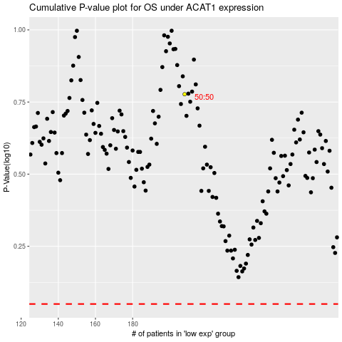

 |  |  |  |  |  | cases_OS | p_OS | rank | exp
 |  |  |  |  |  |  | cases_RFS | p_RFS | rank | exp

