ACAT2 _multivariate
Reported by Tex Li-Hsing Chi. tex@gate.sinica.edu.tw 2019-08-22

Table 2. The clinicopathological features of HNSCC cohort and ACAT2 expression. (Chi square test)
Cutoff at -0.281 (49.8%)
 |  | ACAT2 expression |  | ACAT2 expression |  | (Optimised)
 | Features | Low | (%) | High | (%) | Case no | P-value | Remark | Matthews
Gender | Female | 136 | 32.8 | 170 | 41 | 415 | 3e-04 | 1 | 0
2 | Male | 71 | 17.1 | 38 | 9.2
Age at diagnosis | <=65y | 124 | 29.9 | 150 | 36.1 | 415 | 0.0116 | 1 | 0
4 | >65y | 83 | 20 | 58 | 14
Clinical T Status | T1+T2 | 72 | 17.3 | 77 | 18.6 | 415 | 0.7095 | 0 | 0
6 | T3+T4 | 135 | 32.5 | 131 | 31.6
Clinical N Status | N0 | 117 | 28.2 | 99 | 23.9 | 415 | 0.0852 | 1 | 0
8 | N1-3 | 90 | 21.7 | 109 | 26.3
Clinical M Status | M0 | 205 | 49.4 | 207 | 49.9 | 415 | 0.6232 | 0 | 0
10 | M1 | 2 | 0.5 | 1 | 0.2
Clinical Stage | Stage I+II | 55 | 13.3 | 47 | 11.3 | 415 | 0.4087 | 0 | 0
12 | Stage III+IV | 152 | 36.6 | 161 | 38.8
Surgical Margin status | Negative | 160 | 38.6 | 158 | 38.1 | 415 | 0.8167 | 0 | 0
14 | Positive | 47 | 11.3 | 50 | 12
Tobacco Exposure | Low | 100 | 24.1 | 61 | 14.7 | 415 | 1e-04 | 1 | 0
16 | High | 107 | 25.8 | 147 | 35.4

Table 3. Univariate/Multivariate Cox's proportional hazards regression analyses on OS time of ACAT2 gene expression in HNSCC

 |  | Univariate |  |  |  | Multivariate
 | Features | HR | CI95%(L) | CI95%(H) | P-value | HR | CI95%(L) | CI95%(H) | P-value
1 | Female | 1 |  |  |  | 1
Gender | Male | 1.157 | 0.843 | 1.587 | 0.367 | 1.245 | 0.888 | 1.747 | 0.204
11 | <=65y | 1 |  |  |  | 1
Age at diagnosis | >65y | 1.329 | 0.99 | 1.784 | 0.058 | 1.416 | 1.04 | 1.928 | 0.027
12 | T1+T2 | 1 |  |  |  | 1
Clinical T Status | T3+T4 | 1.409 | 1.028 | 1.931 | 0.033 | 2.288 | 1.207 | 4.337 | 0.011
13 | N0 | 1 |  |  |  | 1
Clinical N Status | N1-3 | 1.185 | 0.89 | 1.577 | 0.246 | 1.243 | 0.871 | 1.774 | 0.231
14 | M0 | 1 |  |  |  | 1
Clinical M Status | M1 | 4.097 | 1.009 | 16.644 | 0.049 | 10.131 | 2.2 | 46.657 | 0.003
15 | Stage I+II | 1 |  |  |  | 1
Clinical Stage | Stage III+IV | 1.245 | 0.882 | 1.759 | 0.213 | 0.479 | 0.223 | 1.032 | 0.06
16 | Negative | 1 |  |  |  | 1
Surgical Margin status | Positive | 1.591 | 1.155 | 2.191 | 0.004 | 1.679 | 1.215 | 2.322 | 0.002
17 | Low | 1 |  |  |  | 1
Tobacco Exposure | High | 1.364 | 1.008 | 1.844 | 0.044 | 1.405 | 1.015 | 1.944 | 0.041
18 | Low | 1 |  |  |  | 1
RNAseq(z-score) | High | 1.157 | 0.866 | 1.546 | 0.325 | 1.224 | 0.9 | 1.664 | 0.197

Table 4. Univariate/Multivariate Cox's proportional hazards regression analyses on RFS time of ACAT2 gene expression in HNSCC

 |  | Univariate |  |  |  | Multivariate
 | Features | HR | CI95%(L) | CI95%(H) | P-value | HR | CI95%(L) | CI95%(H) | P-value
1 | Female | 1 |  |  |  | 1
Gender | Male | 1.157 | 0.843 | 1.587 | 0.367 | 1.245 | 0.888 | 1.747 | 0.204
11 | <=65y | 1 |  |  |  | 1
Age at diagnosis | >65y | 1.329 | 0.99 | 1.784 | 0.058 | 1.416 | 1.04 | 1.928 | 0.027
12 | T1+T2 | 1 |  |  |  | 1
Clinical T Status | T3+T4 | 1.409 | 1.028 | 1.931 | 0.033 | 2.288 | 1.207 | 4.337 | 0.011
13 | N0 | 1 |  |  |  | 1
Clinical N Status | N1-3 | 1.185 | 0.89 | 1.577 | 0.246 | 1.243 | 0.871 | 1.774 | 0.231
14 | M0 | 1 |  |  |  | 1
Clinical M Status | M1 | 4.097 | 1.009 | 16.644 | 0.049 | 10.131 | 2.2 | 46.657 | 0.003
15 | Stage I+II | 1 |  |  |  | 1
Clinical Stage | Stage III+IV | 1.245 | 0.882 | 1.759 | 0.213 | 0.479 | 0.223 | 1.032 | 0.06
16 | Negative | 1 |  |  |  | 1
Surgical Margin status | Positive | 1.591 | 1.155 | 2.191 | 0.004 | 1.679 | 1.215 | 2.322 | 0.002
17 | Low | 1 |  |  |  | 1
Tobacco Exposure | High | 1.364 | 1.008 | 1.844 | 0.044 | 1.405 | 1.015 | 1.944 | 0.041
18 | Low | 1 |  |  |  | 1
RNAseq(z-score) | High | 1.157 | 0.866 | 1.546 | 0.325 | 1.224 | 0.9 | 1.664 | 0.197

Kaplan-Meier survival estimate: Cutoff at -0.281 (49.8%)



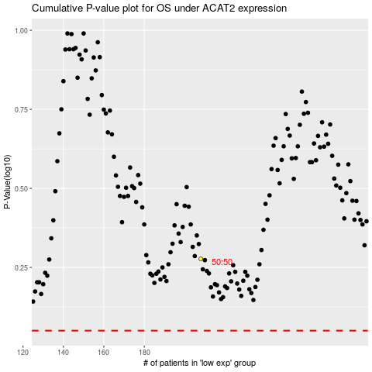

 |  |  |  |  |  | cases_OS | p_OS | rank | exp
 |  |  |  |  |  |  | cases_RFS | p_RFS | rank | exp

