ACBD3 _multivariate
Reported by Tex Li-Hsing Chi. tex@gate.sinica.edu.tw 2019-08-22

Table 2. The clinicopathological features of HNSCC cohort and ACBD3 expression. (Chi square test)
Cutoff at -0.054 (50.0%)
 |  | ACBD3 expression |  | ACBD3 expression |  | (Optimised)
 | Features | Low | (%) | High | (%) | Case no | P-value | Remark | Matthews
Gender | Female | 161 | 38.8 | 145 | 34.9 | 415 | 0.0792 | 0 | 0
2 | Male | 46 | 11.1 | 63 | 15.2
Age at diagnosis | <=65y | 142 | 34.2 | 132 | 31.8 | 415 | 0.3167 | 0 | 0
4 | >65y | 65 | 15.7 | 76 | 18.3
Clinical T Status | T1+T2 | 80 | 19.3 | 69 | 16.6 | 415 | 0.2891 | 0 | 0
6 | T3+T4 | 127 | 30.6 | 139 | 33.5
Clinical N Status | N0 | 100 | 24.1 | 116 | 28 | 415 | 0.1548 | 0 | 0
8 | N1-3 | 107 | 25.8 | 92 | 22.2
Clinical M Status | M0 | 204 | 49.2 | 208 | 50.1 | 415 | 0.1232 | 0 | 0
10 | M1 | 3 | 0.7 | 0 | 0
Clinical Stage | Stage I+II | 51 | 12.3 | 51 | 12.3 | 415 | 1 | 0 | 0
12 | Stage III+IV | 156 | 37.6 | 157 | 37.8
Surgical Margin status | Negative | 155 | 37.3 | 163 | 39.3 | 415 | 0.4187 | 0 | 0
14 | Positive | 52 | 12.5 | 45 | 10.8
Tobacco Exposure | Low | 86 | 20.7 | 75 | 18.1 | 415 | 0.2687 | 0 | 0
16 | High | 121 | 29.2 | 133 | 32

Table 3. Univariate/Multivariate Cox's proportional hazards regression analyses on OS time of ACBD3 gene expression in HNSCC

 |  | Univariate |  |  |  | Multivariate
 | Features | HR | CI95%(L) | CI95%(H) | P-value | HR | CI95%(L) | CI95%(H) | P-value
1 | Female | 1 |  |  |  | 1
Gender | Male | 1.157 | 0.843 | 1.587 | 0.367 | 1.192 | 0.851 | 1.669 | 0.307
11 | <=65y | 1 |  |  |  | 1
Age at diagnosis | >65y | 1.329 | 0.99 | 1.784 | 0.058 | 1.395 | 1.026 | 1.897 | 0.034
12 | T1+T2 | 1 |  |  |  | 1
Clinical T Status | T3+T4 | 1.409 | 1.028 | 1.931 | 0.033 | 2.196 | 1.161 | 4.153 | 0.016
13 | N0 | 1 |  |  |  | 1
Clinical N Status | N1-3 | 1.185 | 0.89 | 1.577 | 0.246 | 1.248 | 0.874 | 1.783 | 0.223
14 | M0 | 1 |  |  |  | 1
Clinical M Status | M1 | 4.097 | 1.009 | 16.644 | 0.049 | 9.624 | 2.09 | 44.309 | 0.004
15 | Stage I+II | 1 |  |  |  | 1
Clinical Stage | Stage III+IV | 1.245 | 0.882 | 1.759 | 0.213 | 0.505 | 0.235 | 1.085 | 0.08
16 | Negative | 1 |  |  |  | 1
Surgical Margin status | Positive | 1.591 | 1.155 | 2.191 | 0.004 | 1.672 | 1.21 | 2.31 | 0.002
17 | Low | 1 |  |  |  | 1
Tobacco Exposure | High | 1.364 | 1.008 | 1.844 | 0.044 | 1.448 | 1.051 | 1.995 | 0.024
18 | Low | 1 |  |  |  | 1
RNAseq(z-score) | High | 1.061 | 0.795 | 1.416 | 0.686 | 1.061 | 0.791 | 1.423 | 0.695

Table 4. Univariate/Multivariate Cox's proportional hazards regression analyses on RFS time of ACBD3 gene expression in HNSCC

 |  | Univariate |  |  |  | Multivariate
 | Features | HR | CI95%(L) | CI95%(H) | P-value | HR | CI95%(L) | CI95%(H) | P-value
1 | Female | 1 |  |  |  | 1
Gender | Male | 1.157 | 0.843 | 1.587 | 0.367 | 1.192 | 0.851 | 1.669 | 0.307
11 | <=65y | 1 |  |  |  | 1
Age at diagnosis | >65y | 1.329 | 0.99 | 1.784 | 0.058 | 1.395 | 1.026 | 1.897 | 0.034
12 | T1+T2 | 1 |  |  |  | 1
Clinical T Status | T3+T4 | 1.409 | 1.028 | 1.931 | 0.033 | 2.196 | 1.161 | 4.153 | 0.016
13 | N0 | 1 |  |  |  | 1
Clinical N Status | N1-3 | 1.185 | 0.89 | 1.577 | 0.246 | 1.248 | 0.874 | 1.783 | 0.223
14 | M0 | 1 |  |  |  | 1
Clinical M Status | M1 | 4.097 | 1.009 | 16.644 | 0.049 | 9.624 | 2.09 | 44.309 | 0.004
15 | Stage I+II | 1 |  |  |  | 1
Clinical Stage | Stage III+IV | 1.245 | 0.882 | 1.759 | 0.213 | 0.505 | 0.235 | 1.085 | 0.08
16 | Negative | 1 |  |  |  | 1
Surgical Margin status | Positive | 1.591 | 1.155 | 2.191 | 0.004 | 1.672 | 1.21 | 2.31 | 0.002
17 | Low | 1 |  |  |  | 1
Tobacco Exposure | High | 1.364 | 1.008 | 1.844 | 0.044 | 1.448 | 1.051 | 1.995 | 0.024
18 | Low | 1 |  |  |  | 1
RNAseq(z-score) | High | 1.061 | 0.795 | 1.416 | 0.686 | 1.061 | 0.791 | 1.423 | 0.695

Kaplan-Meier survival estimate: Cutoff at -0.054 (50.0%)



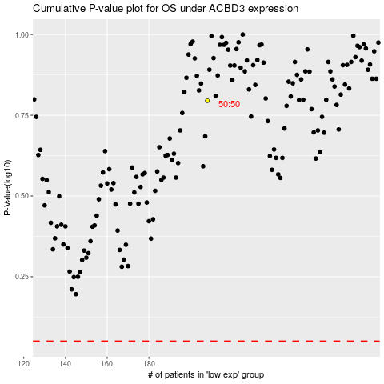

 |  |  |  |  |  | cases_OS | p_OS | rank | exp
 |  |  |  |  |  |  | cases_RFS | p_RFS | rank | exp

