ACBD5 _multivariate
Reported by Tex Li-Hsing Chi. tex@gate.sinica.edu.tw 2019-08-22

Table 2. The clinicopathological features of HNSCC cohort and ACBD5 expression. (Chi square test)
Cutoff at -0.172 (50.0%)
 |  | ACBD5 expression |  | ACBD5 expression |  | (Optimised)
 | Features | Low | (%) | High | (%) | Case no | P-value | Remark | Matthews
Gender | Female | 161 | 38.8 | 145 | 34.9 | 415 | 0.0792 | 0 | 0
2 | Male | 46 | 11.1 | 63 | 15.2
Age at diagnosis | <=65y | 141 | 34 | 133 | 32 | 415 | 0.4272 | 0 | 0
4 | >65y | 66 | 15.9 | 75 | 18.1
Clinical T Status | T1+T2 | 68 | 16.4 | 81 | 19.5 | 415 | 0.2336 | 0 | 0
6 | T3+T4 | 139 | 33.5 | 127 | 30.6
Clinical N Status | N0 | 109 | 26.3 | 107 | 25.8 | 415 | 0.8812 | 0 | 0
8 | N1-3 | 98 | 23.6 | 101 | 24.3
Clinical M Status | M0 | 206 | 49.6 | 206 | 49.6 | 415 | 1 | 0 | 0
10 | M1 | 1 | 0.2 | 2 | 0.5
Clinical Stage | Stage I+II | 47 | 11.3 | 55 | 13.3 | 415 | 0.4413 | 0 | 0
12 | Stage III+IV | 160 | 38.6 | 153 | 36.9
Surgical Margin status | Negative | 155 | 37.3 | 163 | 39.3 | 415 | 0.4187 | 0 | 0
14 | Positive | 52 | 12.5 | 45 | 10.8
Tobacco Exposure | Low | 80 | 19.3 | 81 | 19.5 | 415 | 1 | 0 | 0
16 | High | 127 | 30.6 | 127 | 30.6

Table 3. Univariate/Multivariate Cox's proportional hazards regression analyses on OS time of ACBD5 gene expression in HNSCC

 |  | Univariate |  |  |  | Multivariate
 | Features | HR | CI95%(L) | CI95%(H) | P-value | HR | CI95%(L) | CI95%(H) | P-value
1 | Female | 1 |  |  |  | 1
Gender | Male | 1.157 | 0.843 | 1.587 | 0.367 | 1.215 | 0.868 | 1.701 | 0.256
11 | <=65y | 1 |  |  |  | 1
Age at diagnosis | >65y | 1.329 | 0.99 | 1.784 | 0.058 | 1.393 | 1.025 | 1.894 | 0.034
12 | T1+T2 | 1 |  |  |  | 1
Clinical T Status | T3+T4 | 1.409 | 1.028 | 1.931 | 0.033 | 2.202 | 1.165 | 4.163 | 0.015
13 | N0 | 1 |  |  |  | 1
Clinical N Status | N1-3 | 1.185 | 0.89 | 1.577 | 0.246 | 1.256 | 0.88 | 1.794 | 0.21
14 | M0 | 1 |  |  |  | 1
Clinical M Status | M1 | 4.097 | 1.009 | 16.644 | 0.049 | 9.517 | 2.075 | 43.655 | 0.004
15 | Stage I+II | 1 |  |  |  | 1
Clinical Stage | Stage III+IV | 1.245 | 0.882 | 1.759 | 0.213 | 0.502 | 0.234 | 1.077 | 0.077
16 | Negative | 1 |  |  |  | 1
Surgical Margin status | Positive | 1.591 | 1.155 | 2.191 | 0.004 | 1.646 | 1.19 | 2.277 | 0.003
17 | Low | 1 |  |  |  | 1
Tobacco Exposure | High | 1.364 | 1.008 | 1.844 | 0.044 | 1.478 | 1.07 | 2.042 | 0.018
18 | Low | 1 |  |  |  | 1
RNAseq(z-score) | High | 0.857 | 0.643 | 1.143 | 0.294 | 0.853 | 0.638 | 1.141 | 0.284

Table 4. Univariate/Multivariate Cox's proportional hazards regression analyses on RFS time of ACBD5 gene expression in HNSCC

 |  | Univariate |  |  |  | Multivariate
 | Features | HR | CI95%(L) | CI95%(H) | P-value | HR | CI95%(L) | CI95%(H) | P-value
1 | Female | 1 |  |  |  | 1
Gender | Male | 1.157 | 0.843 | 1.587 | 0.367 | 1.215 | 0.868 | 1.701 | 0.256
11 | <=65y | 1 |  |  |  | 1
Age at diagnosis | >65y | 1.329 | 0.99 | 1.784 | 0.058 | 1.393 | 1.025 | 1.894 | 0.034
12 | T1+T2 | 1 |  |  |  | 1
Clinical T Status | T3+T4 | 1.409 | 1.028 | 1.931 | 0.033 | 2.202 | 1.165 | 4.163 | 0.015
13 | N0 | 1 |  |  |  | 1
Clinical N Status | N1-3 | 1.185 | 0.89 | 1.577 | 0.246 | 1.256 | 0.88 | 1.794 | 0.21
14 | M0 | 1 |  |  |  | 1
Clinical M Status | M1 | 4.097 | 1.009 | 16.644 | 0.049 | 9.517 | 2.075 | 43.655 | 0.004
15 | Stage I+II | 1 |  |  |  | 1
Clinical Stage | Stage III+IV | 1.245 | 0.882 | 1.759 | 0.213 | 0.502 | 0.234 | 1.077 | 0.077
16 | Negative | 1 |  |  |  | 1
Surgical Margin status | Positive | 1.591 | 1.155 | 2.191 | 0.004 | 1.646 | 1.19 | 2.277 | 0.003
17 | Low | 1 |  |  |  | 1
Tobacco Exposure | High | 1.364 | 1.008 | 1.844 | 0.044 | 1.478 | 1.07 | 2.042 | 0.018
18 | Low | 1 |  |  |  | 1
RNAseq(z-score) | High | 0.857 | 0.643 | 1.143 | 0.294 | 0.853 | 0.638 | 1.141 | 0.284

Kaplan-Meier survival estimate: Cutoff at -0.172 (50.0%)



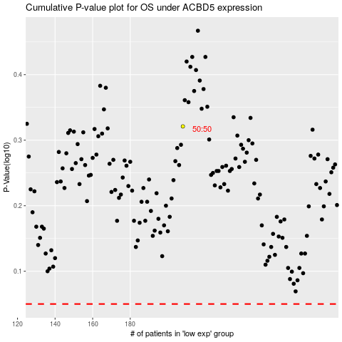

 |  |  |  |  |  | cases_OS | p_OS | rank | exp
 |  |  |  |  |  |  | cases_RFS | p_RFS | rank | exp

