ACBD7 _multivariate
Reported by Tex Li-Hsing Chi. tex@gate.sinica.edu.tw 2019-08-22

Table 2. The clinicopathological features of HNSCC cohort and ACBD7 expression. (Chi square test)
Cutoff at -0.35 (49.8%)
 |  | ACBD7 expression |  | ACBD7 expression |  | (Optimised)
 | Features | Low | (%) | High | (%) | Case no | P-value | Remark | Matthews
Gender | Female | 131 | 31.6 | 175 | 42.2 | 415 | 0 | 1 | 0
2 | Male | 76 | 18.3 | 33 | 8
Age at diagnosis | <=65y | 130 | 31.3 | 144 | 34.7 | 415 | 0.2009 | 0 | 0
4 | >65y | 77 | 18.6 | 64 | 15.4
Clinical T Status | T1+T2 | 75 | 18.1 | 74 | 17.8 | 415 | 0.9707 | 0 | 0
6 | T3+T4 | 132 | 31.8 | 134 | 32.3
Clinical N Status | N0 | 114 | 27.5 | 102 | 24.6 | 415 | 0.2576 | 1 | 0
8 | N1-3 | 93 | 22.4 | 106 | 25.5
Clinical M Status | M0 | 206 | 49.6 | 206 | 49.6 | 415 | 1 | 0 | 0
10 | M1 | 1 | 0.2 | 2 | 0.5
Clinical Stage | Stage I+II | 59 | 14.2 | 43 | 10.4 | 415 | 0.0822 | 0 | 0
12 | Stage III+IV | 148 | 35.7 | 165 | 39.8
Surgical Margin status | Negative | 162 | 39 | 156 | 37.6 | 415 | 0.4867 | 0 | 0
14 | Positive | 45 | 10.8 | 52 | 12.5
Tobacco Exposure | Low | 103 | 24.8 | 58 | 14 | 415 | 0 | 1 | 0
16 | High | 104 | 25.1 | 150 | 36.1

Table 3. Univariate/Multivariate Cox's proportional hazards regression analyses on OS time of ACBD7 gene expression in HNSCC

 |  | Univariate |  |  |  | Multivariate
 | Features | HR | CI95%(L) | CI95%(H) | P-value | HR | CI95%(L) | CI95%(H) | P-value
1 | Female | 1 |  |  |  | 1
Gender | Male | 1.157 | 0.843 | 1.587 | 0.367 | 1.243 | 0.881 | 1.752 | 0.215
11 | <=65y | 1 |  |  |  | 1
Age at diagnosis | >65y | 1.329 | 0.99 | 1.784 | 0.058 | 1.396 | 1.027 | 1.898 | 0.033
12 | T1+T2 | 1 |  |  |  | 1
Clinical T Status | T3+T4 | 1.409 | 1.028 | 1.931 | 0.033 | 2.274 | 1.198 | 4.318 | 0.012
13 | N0 | 1 |  |  |  | 1
Clinical N Status | N1-3 | 1.185 | 0.89 | 1.577 | 0.246 | 1.245 | 0.872 | 1.776 | 0.228
14 | M0 | 1 |  |  |  | 1
Clinical M Status | M1 | 4.097 | 1.009 | 16.644 | 0.049 | 9.688 | 2.11 | 44.487 | 0.004
15 | Stage I+II | 1 |  |  |  | 1
Clinical Stage | Stage III+IV | 1.245 | 0.882 | 1.759 | 0.213 | 0.481 | 0.222 | 1.041 | 0.063
16 | Negative | 1 |  |  |  | 1
Surgical Margin status | Positive | 1.591 | 1.155 | 2.191 | 0.004 | 1.674 | 1.211 | 2.313 | 0.002
17 | Low | 1 |  |  |  | 1
Tobacco Exposure | High | 1.364 | 1.008 | 1.844 | 0.044 | 1.421 | 1.027 | 1.966 | 0.034
18 | Low | 1 |  |  |  | 1
RNAseq(z-score) | High | 1.086 | 0.815 | 1.446 | 0.573 | 1.14 | 0.837 | 1.553 | 0.407

Table 4. Univariate/Multivariate Cox's proportional hazards regression analyses on RFS time of ACBD7 gene expression in HNSCC

 |  | Univariate |  |  |  | Multivariate
 | Features | HR | CI95%(L) | CI95%(H) | P-value | HR | CI95%(L) | CI95%(H) | P-value
1 | Female | 1 |  |  |  | 1
Gender | Male | 1.157 | 0.843 | 1.587 | 0.367 | 1.243 | 0.881 | 1.752 | 0.215
11 | <=65y | 1 |  |  |  | 1
Age at diagnosis | >65y | 1.329 | 0.99 | 1.784 | 0.058 | 1.396 | 1.027 | 1.898 | 0.033
12 | T1+T2 | 1 |  |  |  | 1
Clinical T Status | T3+T4 | 1.409 | 1.028 | 1.931 | 0.033 | 2.274 | 1.198 | 4.318 | 0.012
13 | N0 | 1 |  |  |  | 1
Clinical N Status | N1-3 | 1.185 | 0.89 | 1.577 | 0.246 | 1.245 | 0.872 | 1.776 | 0.228
14 | M0 | 1 |  |  |  | 1
Clinical M Status | M1 | 4.097 | 1.009 | 16.644 | 0.049 | 9.688 | 2.11 | 44.487 | 0.004
15 | Stage I+II | 1 |  |  |  | 1
Clinical Stage | Stage III+IV | 1.245 | 0.882 | 1.759 | 0.213 | 0.481 | 0.222 | 1.041 | 0.063
16 | Negative | 1 |  |  |  | 1
Surgical Margin status | Positive | 1.591 | 1.155 | 2.191 | 0.004 | 1.674 | 1.211 | 2.313 | 0.002
17 | Low | 1 |  |  |  | 1
Tobacco Exposure | High | 1.364 | 1.008 | 1.844 | 0.044 | 1.421 | 1.027 | 1.966 | 0.034
18 | Low | 1 |  |  |  | 1
RNAseq(z-score) | High | 1.086 | 0.815 | 1.446 | 0.573 | 1.14 | 0.837 | 1.553 | 0.407

Kaplan-Meier survival estimate: Cutoff at -0.35 (49.8%)



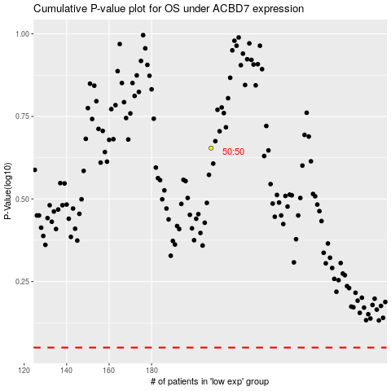

 |  |  |  |  |  | cases_OS | p_OS | rank | exp
 |  |  |  |  |  |  | cases_RFS | p_RFS | rank | exp

