ACD _multivariate
Reported by Tex Li-Hsing Chi. tex@gate.sinica.edu.tw 2019-08-22

Table 2. The clinicopathological features of HNSCC cohort and ACD expression. (Chi square test)
Cutoff at -0.088 (49.8%)
 |  | ACD expression |  | ACD expression |  | (Optimised)
 | Features | Low | (%) | High | (%) | Case no | P-value | Remark | Matthews
Gender | Female | 147 | 35.4 | 159 | 38.3 | 415 | 0.2523 | 0 | 0
2 | Male | 60 | 14.5 | 49 | 11.8
Age at diagnosis | <=65y | 128 | 30.8 | 146 | 35.2 | 415 | 0.0904 | 0 | 0
4 | >65y | 79 | 19 | 62 | 14.9
Clinical T Status | T1+T2 | 83 | 20 | 66 | 15.9 | 415 | 0.0941 | 0 | 0
6 | T3+T4 | 124 | 29.9 | 142 | 34.2
Clinical N Status | N0 | 111 | 26.7 | 105 | 25.3 | 415 | 0.5875 | 0 | 0
8 | N1-3 | 96 | 23.1 | 103 | 24.8
Clinical M Status | M0 | 207 | 49.9 | 205 | 49.4 | 415 | 0.2482 | 0 | 0
10 | M1 | 0 | 0 | 3 | 0.7
Clinical Stage | Stage I+II | 57 | 13.7 | 45 | 10.8 | 415 | 0.1998 | 0 | 0
12 | Stage III+IV | 150 | 36.1 | 163 | 39.3
Surgical Margin status | Negative | 150 | 36.1 | 168 | 40.5 | 415 | 0.0492 | 1 | 0
14 | Positive | 57 | 13.7 | 40 | 9.6
Tobacco Exposure | Low | 90 | 21.7 | 71 | 17.1 | 415 | 0.0559 | 0 | 0
16 | High | 117 | 28.2 | 137 | 33

Table 3. Univariate/Multivariate Cox's proportional hazards regression analyses on OS time of ACD gene expression in HNSCC

 |  | Univariate |  |  |  | Multivariate
 | Features | HR | CI95%(L) | CI95%(H) | P-value | HR | CI95%(L) | CI95%(H) | P-value
1 | Female | 1 |  |  |  | 1
Gender | Male | 1.157 | 0.843 | 1.587 | 0.367 | 1.196 | 0.855 | 1.672 | 0.295
11 | <=65y | 1 |  |  |  | 1
Age at diagnosis | >65y | 1.329 | 0.99 | 1.784 | 0.058 | 1.393 | 1.025 | 1.893 | 0.034
12 | T1+T2 | 1 |  |  |  | 1
Clinical T Status | T3+T4 | 1.409 | 1.028 | 1.931 | 0.033 | 2.168 | 1.145 | 4.107 | 0.018
13 | N0 | 1 |  |  |  | 1
Clinical N Status | N1-3 | 1.185 | 0.89 | 1.577 | 0.246 | 1.235 | 0.866 | 1.763 | 0.244
14 | M0 | 1 |  |  |  | 1
Clinical M Status | M1 | 4.097 | 1.009 | 16.644 | 0.049 | 8.865 | 1.913 | 41.076 | 0.005
15 | Stage I+II | 1 |  |  |  | 1
Clinical Stage | Stage III+IV | 1.245 | 0.882 | 1.759 | 0.213 | 0.511 | 0.238 | 1.099 | 0.086
16 | Negative | 1 |  |  |  | 1
Surgical Margin status | Positive | 1.591 | 1.155 | 2.191 | 0.004 | 1.683 | 1.217 | 2.326 | 0.002
17 | Low | 1 |  |  |  | 1
Tobacco Exposure | High | 1.364 | 1.008 | 1.844 | 0.044 | 1.432 | 1.035 | 1.98 | 0.03
18 | Low | 1 |  |  |  | 1
RNAseq(z-score) | High | 1.16 | 0.871 | 1.544 | 0.311 | 1.097 | 0.818 | 1.472 | 0.535

Table 4. Univariate/Multivariate Cox's proportional hazards regression analyses on RFS time of ACD gene expression in HNSCC

 |  | Univariate |  |  |  | Multivariate
 | Features | HR | CI95%(L) | CI95%(H) | P-value | HR | CI95%(L) | CI95%(H) | P-value
1 | Female | 1 |  |  |  | 1
Gender | Male | 1.157 | 0.843 | 1.587 | 0.367 | 1.196 | 0.855 | 1.672 | 0.295
11 | <=65y | 1 |  |  |  | 1
Age at diagnosis | >65y | 1.329 | 0.99 | 1.784 | 0.058 | 1.393 | 1.025 | 1.893 | 0.034
12 | T1+T2 | 1 |  |  |  | 1
Clinical T Status | T3+T4 | 1.409 | 1.028 | 1.931 | 0.033 | 2.168 | 1.145 | 4.107 | 0.018
13 | N0 | 1 |  |  |  | 1
Clinical N Status | N1-3 | 1.185 | 0.89 | 1.577 | 0.246 | 1.235 | 0.866 | 1.763 | 0.244
14 | M0 | 1 |  |  |  | 1
Clinical M Status | M1 | 4.097 | 1.009 | 16.644 | 0.049 | 8.865 | 1.913 | 41.076 | 0.005
15 | Stage I+II | 1 |  |  |  | 1
Clinical Stage | Stage III+IV | 1.245 | 0.882 | 1.759 | 0.213 | 0.511 | 0.238 | 1.099 | 0.086
16 | Negative | 1 |  |  |  | 1
Surgical Margin status | Positive | 1.591 | 1.155 | 2.191 | 0.004 | 1.683 | 1.217 | 2.326 | 0.002
17 | Low | 1 |  |  |  | 1
Tobacco Exposure | High | 1.364 | 1.008 | 1.844 | 0.044 | 1.432 | 1.035 | 1.98 | 0.03
18 | Low | 1 |  |  |  | 1
RNAseq(z-score) | High | 1.16 | 0.871 | 1.544 | 0.311 | 1.097 | 0.818 | 1.472 | 0.535

Kaplan-Meier survival estimate: Cutoff at -0.088 (49.8%)



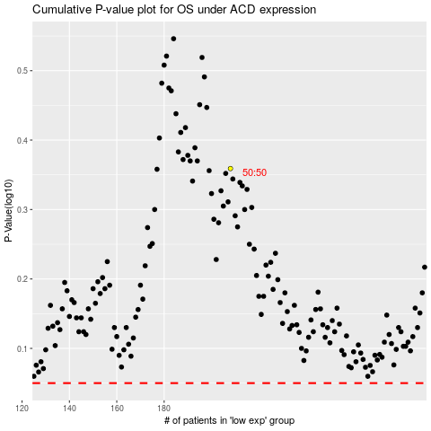

 |  |  |  |  |  | cases_OS | p_OS | rank | exp
 |  |  |  |  |  |  | cases_RFS | p_RFS | rank | exp

