ACHE _multivariate
Reported by Tex Li-Hsing Chi. tex@gate.sinica.edu.tw 2019-08-22

Table 2. The clinicopathological features of HNSCC cohort and ACHE expression. (Chi square test)
Cutoff at -0.286 (50.0%)
 |  | ACHE expression |  | ACHE expression |  | (Optimised)
 | Features | Low | (%) | High | (%) | Case no | P-value | Remark | Matthews
Gender | Female | 146 | 35.2 | 160 | 38.6 | 415 | 0.1714 | 0 | 0
2 | Male | 61 | 14.7 | 48 | 11.6
Age at diagnosis | <=65y | 129 | 31.1 | 145 | 34.9 | 415 | 0.1372 | 0 | 0
4 | >65y | 78 | 18.8 | 63 | 15.2
Clinical T Status | T1+T2 | 64 | 15.4 | 85 | 20.5 | 415 | 0.0445 | 1 | 0
6 | T3+T4 | 143 | 34.5 | 123 | 29.6
Clinical N Status | N0 | 108 | 26 | 108 | 26 | 415 | 1 | 0 | 0
8 | N1-3 | 99 | 23.9 | 100 | 24.1
Clinical M Status | M0 | 205 | 49.4 | 207 | 49.9 | 415 | 0.6232 | 0 | 0
10 | M1 | 2 | 0.5 | 1 | 0.2
Clinical Stage | Stage I+II | 42 | 10.1 | 60 | 14.5 | 415 | 0.0561 | 0 | 0
12 | Stage III+IV | 165 | 39.8 | 148 | 35.7
Surgical Margin status | Negative | 154 | 37.1 | 164 | 39.5 | 415 | 0.2984 | 0 | 0
14 | Positive | 53 | 12.8 | 44 | 10.6
Tobacco Exposure | Low | 84 | 20.2 | 77 | 18.6 | 415 | 0.4816 | 0 | 0
16 | High | 123 | 29.6 | 131 | 31.6

Table 3. Univariate/Multivariate Cox's proportional hazards regression analyses on OS time of ACHE gene expression in HNSCC

 |  | Univariate |  |  |  | Multivariate
 | Features | HR | CI95%(L) | CI95%(H) | P-value | HR | CI95%(L) | CI95%(H) | P-value
1 | Female | 1 |  |  |  | 1
Gender | Male | 1.157 | 0.843 | 1.587 | 0.367 | 1.209 | 0.866 | 1.69 | 0.265
11 | <=65y | 1 |  |  |  | 1
Age at diagnosis | >65y | 1.329 | 0.99 | 1.784 | 0.058 | 1.403 | 1.031 | 1.909 | 0.031
12 | T1+T2 | 1 |  |  |  | 1
Clinical T Status | T3+T4 | 1.409 | 1.028 | 1.931 | 0.033 | 2.208 | 1.167 | 4.177 | 0.015
13 | N0 | 1 |  |  |  | 1
Clinical N Status | N1-3 | 1.185 | 0.89 | 1.577 | 0.246 | 1.233 | 0.864 | 1.76 | 0.249
14 | M0 | 1 |  |  |  | 1
Clinical M Status | M1 | 4.097 | 1.009 | 16.644 | 0.049 | 9.734 | 2.117 | 44.757 | 0.003
15 | Stage I+II | 1 |  |  |  | 1
Clinical Stage | Stage III+IV | 1.245 | 0.882 | 1.759 | 0.213 | 0.511 | 0.238 | 1.097 | 0.085
16 | Negative | 1 |  |  |  | 1
Surgical Margin status | Positive | 1.591 | 1.155 | 2.191 | 0.004 | 1.673 | 1.211 | 2.311 | 0.002
17 | Low | 1 |  |  |  | 1
Tobacco Exposure | High | 1.364 | 1.008 | 1.844 | 0.044 | 1.443 | 1.047 | 1.988 | 0.025
18 | Low | 1 |  |  |  | 1
RNAseq(z-score) | High | 1.041 | 0.781 | 1.388 | 0.785 | 1.108 | 0.827 | 1.485 | 0.491

Table 4. Univariate/Multivariate Cox's proportional hazards regression analyses on RFS time of ACHE gene expression in HNSCC

 |  | Univariate |  |  |  | Multivariate
 | Features | HR | CI95%(L) | CI95%(H) | P-value | HR | CI95%(L) | CI95%(H) | P-value
1 | Female | 1 |  |  |  | 1
Gender | Male | 1.157 | 0.843 | 1.587 | 0.367 | 1.209 | 0.866 | 1.69 | 0.265
11 | <=65y | 1 |  |  |  | 1
Age at diagnosis | >65y | 1.329 | 0.99 | 1.784 | 0.058 | 1.403 | 1.031 | 1.909 | 0.031
12 | T1+T2 | 1 |  |  |  | 1
Clinical T Status | T3+T4 | 1.409 | 1.028 | 1.931 | 0.033 | 2.208 | 1.167 | 4.177 | 0.015
13 | N0 | 1 |  |  |  | 1
Clinical N Status | N1-3 | 1.185 | 0.89 | 1.577 | 0.246 | 1.233 | 0.864 | 1.76 | 0.249
14 | M0 | 1 |  |  |  | 1
Clinical M Status | M1 | 4.097 | 1.009 | 16.644 | 0.049 | 9.734 | 2.117 | 44.757 | 0.003
15 | Stage I+II | 1 |  |  |  | 1
Clinical Stage | Stage III+IV | 1.245 | 0.882 | 1.759 | 0.213 | 0.511 | 0.238 | 1.097 | 0.085
16 | Negative | 1 |  |  |  | 1
Surgical Margin status | Positive | 1.591 | 1.155 | 2.191 | 0.004 | 1.673 | 1.211 | 2.311 | 0.002
17 | Low | 1 |  |  |  | 1
Tobacco Exposure | High | 1.364 | 1.008 | 1.844 | 0.044 | 1.443 | 1.047 | 1.988 | 0.025
18 | Low | 1 |  |  |  | 1
RNAseq(z-score) | High | 1.041 | 0.781 | 1.388 | 0.785 | 1.108 | 0.827 | 1.485 | 0.491

Kaplan-Meier survival estimate: Cutoff at -0.286 (50.0%)



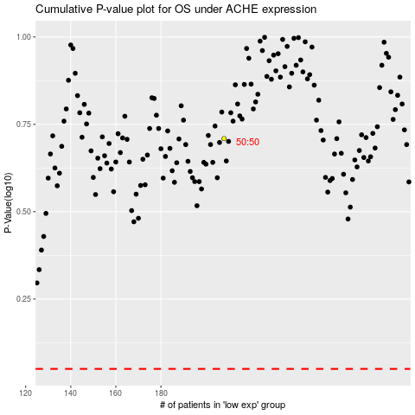

 |  |  |  |  |  | cases_OS | p_OS | rank | exp
 |  |  |  |  |  |  | cases_RFS | p_RFS | rank | exp

