ACLY _multivariate
Reported by Tex Li-Hsing Chi. tex@gate.sinica.edu.tw 2019-08-22

Table 2. The clinicopathological features of HNSCC cohort and ACLY expression. (Chi square test)
Cutoff at 0.116 (52.9%)
 |  | ACLY expression |  | ACLY expression |  | (Optimised)
 | Features | Low | (%) | High | (%) | Case no | P-value | Remark | Matthews
Gender | Female | 158 | 38.1 | 148 | 35.7 | 415 | 0.5056 | 0 | 0
2 | Male | 61 | 14.7 | 48 | 11.6
Age at diagnosis | <=65y | 153 | 36.9 | 121 | 29.2 | 415 | 0.1007 | 0 | 0
4 | >65y | 66 | 15.9 | 75 | 18.1
Clinical T Status | T1+T2 | 95 | 22.9 | 54 | 13 | 415 | 0.0011 | 1 | 0
6 | T3+T4 | 124 | 29.9 | 142 | 34.2
Clinical N Status | N0 | 116 | 28 | 100 | 24.1 | 415 | 0.7656 | 0 | 0
8 | N1-3 | 103 | 24.8 | 96 | 23.1
Clinical M Status | M0 | 217 | 52.3 | 195 | 47 | 415 | 1 | 0 | 0
10 | M1 | 2 | 0.5 | 1 | 0.2
Clinical Stage | Stage I+II | 63 | 15.2 | 39 | 9.4 | 415 | 0.0476 | 1 | 0
12 | Stage III+IV | 156 | 37.6 | 157 | 37.8
Surgical Margin status | Negative | 165 | 39.8 | 153 | 36.9 | 415 | 0.5619 | 0 | 0
14 | Positive | 54 | 13 | 43 | 10.4
Tobacco Exposure | Low | 92 | 22.2 | 69 | 16.6 | 415 | 0.1595 | 0 | 0
16 | High | 127 | 30.6 | 127 | 30.6

Table 3. Univariate/Multivariate Cox's proportional hazards regression analyses on OS time of ACLY gene expression in HNSCC

 |  | Univariate |  |  |  | Multivariate
 | Features | HR | CI95%(L) | CI95%(H) | P-value | HR | CI95%(L) | CI95%(H) | P-value
1 | Female | 1 |  |  |  | 1
Gender | Male | 1.157 | 0.843 | 1.587 | 0.367 | 1.253 | 0.894 | 1.755 | 0.19
11 | <=65y | 1 |  |  |  | 1
Age at diagnosis | >65y | 1.329 | 0.99 | 1.784 | 0.058 | 1.335 | 0.978 | 1.82 | 0.068
12 | T1+T2 | 1 |  |  |  | 1
Clinical T Status | T3+T4 | 1.409 | 1.028 | 1.931 | 0.033 | 2.094 | 1.106 | 3.964 | 0.023
13 | N0 | 1 |  |  |  | 1
Clinical N Status | N1-3 | 1.185 | 0.89 | 1.577 | 0.246 | 1.269 | 0.889 | 1.811 | 0.189
14 | M0 | 1 |  |  |  | 1
Clinical M Status | M1 | 4.097 | 1.009 | 16.644 | 0.049 | 9.266 | 2.021 | 42.491 | 0.004
15 | Stage I+II | 1 |  |  |  | 1
Clinical Stage | Stage III+IV | 1.245 | 0.882 | 1.759 | 0.213 | 0.519 | 0.242 | 1.113 | 0.092
16 | Negative | 1 |  |  |  | 1
Surgical Margin status | Positive | 1.591 | 1.155 | 2.191 | 0.004 | 1.724 | 1.246 | 2.386 | 0.001
17 | Low | 1 |  |  |  | 1
Tobacco Exposure | High | 1.364 | 1.008 | 1.844 | 0.044 | 1.449 | 1.051 | 1.998 | 0.023
18 | Low | 1 |  |  |  | 1
RNAseq(z-score) | High | 1.391 | 1.042 | 1.856 | 0.025 | 1.381 | 1.026 | 1.858 | 0.033

Table 4. Univariate/Multivariate Cox's proportional hazards regression analyses on RFS time of ACLY gene expression in HNSCC

 |  | Univariate |  |  |  | Multivariate
 | Features | HR | CI95%(L) | CI95%(H) | P-value | HR | CI95%(L) | CI95%(H) | P-value
1 | Female | 1 |  |  |  | 1
Gender | Male | 1.157 | 0.843 | 1.587 | 0.367 | 1.253 | 0.894 | 1.755 | 0.19
11 | <=65y | 1 |  |  |  | 1
Age at diagnosis | >65y | 1.329 | 0.99 | 1.784 | 0.058 | 1.335 | 0.978 | 1.82 | 0.068
12 | T1+T2 | 1 |  |  |  | 1
Clinical T Status | T3+T4 | 1.409 | 1.028 | 1.931 | 0.033 | 2.094 | 1.106 | 3.964 | 0.023
13 | N0 | 1 |  |  |  | 1
Clinical N Status | N1-3 | 1.185 | 0.89 | 1.577 | 0.246 | 1.269 | 0.889 | 1.811 | 0.189
14 | M0 | 1 |  |  |  | 1
Clinical M Status | M1 | 4.097 | 1.009 | 16.644 | 0.049 | 9.266 | 2.021 | 42.491 | 0.004
15 | Stage I+II | 1 |  |  |  | 1
Clinical Stage | Stage III+IV | 1.245 | 0.882 | 1.759 | 0.213 | 0.519 | 0.242 | 1.113 | 0.092
16 | Negative | 1 |  |  |  | 1
Surgical Margin status | Positive | 1.591 | 1.155 | 2.191 | 0.004 | 1.724 | 1.246 | 2.386 | 0.001
17 | Low | 1 |  |  |  | 1
Tobacco Exposure | High | 1.364 | 1.008 | 1.844 | 0.044 | 1.449 | 1.051 | 1.998 | 0.023
18 | Low | 1 |  |  |  | 1
RNAseq(z-score) | High | 1.391 | 1.042 | 1.856 | 0.025 | 1.381 | 1.026 | 1.858 | 0.033

Kaplan-Meier survival estimate: Cutoff at 0.116 (52.9%)

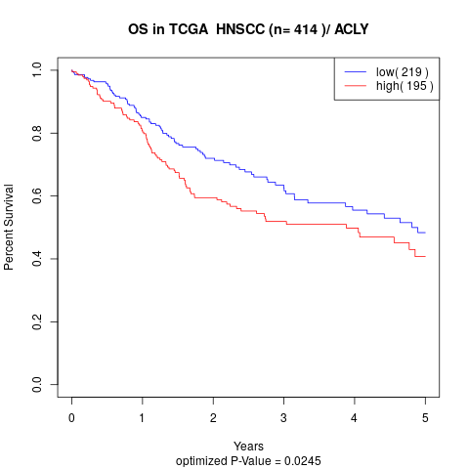

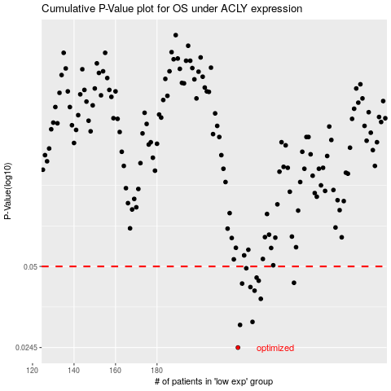

 |  |  |  |  |  | cases_OS | p_OS | rank | exp
 |  |  |  |  |  | 219 | 0.0245 | 56 | 0.11626810115
 |  |  |  |  |  | 220 | 0.0299 | 250 | 0.11665188223
 |  |  |  |  |  | 226 | 0.0307 | 137 | 0.14944843485
 |  |  |  |  |  | 230 | 0.0376 | 281 | 0.16082709727
 |  |  |  |  |  | 227 | 0.0404 | 278 | 0.15190555355
 |  |  |  |  |  | 225 | 0.0417 | 111 | 0.14100011893
 |  |  |  |  |  | 221 | 0.043 | 361 | 0.1201727637
 |  |  |  |  |  | 246 | 0.0433 | 64 | 0.26596838278
 |  |  |  |  |  | 229 | 0.0441 | 37 | 0.15990983517
 |  |  |  |  |  | 228 | 0.0453 | 25 | 0.15902036686
 |  |  |  |  |  | 223 | 0.0492 | 118 | 0.13469692462
 |  |  |  |  |  |  | cases_RFS | p_RFS | rank | exp
 |  |  |  |  |  |  | 218 | 0.0245 | 245 | 0.10716759734
 |  |  |  |  |  |  | 219 | 0.0299 | 56 | 0.11626810115
 |  |  |  |  |  |  | 225 | 0.0307 | 111 | 0.14100011893
 |  |  |  |  |  |  | 229 | 0.0376 | 37 | 0.15990983517
 |  |  |  |  |  |  | 226 | 0.0404 | 137 | 0.14944843485
 |  |  |  |  |  |  | 224 | 0.0417 | 35 | 0.13609161359
 |  |  |  |  |  |  | 220 | 0.043 | 250 | 0.11665188223
 |  |  |  |  |  |  | 245 | 0.0433 | 232 | 0.26445072124
 |  |  |  |  |  |  | 228 | 0.0441 | 25 | 0.15902036686
 |  |  |  |  |  |  | 227 | 0.0453 | 278 | 0.15190555355
 |  |  |  |  |  |  | 222 | 0.0492 | 386 | 0.12611590497

