ACN9 _multivariate
Reported by Tex Li-Hsing Chi. tex@gate.sinica.edu.tw 2019-08-22

Table 2. The clinicopathological features of HNSCC cohort and ACN9 expression. (Chi square test)
Cutoff at -0.237 (49.5%)
 |  | ACN9 expression |  | ACN9 expression |  | (Optimised)
 | Features | Low | (%) | High | (%) | Case no | P-value | Remark | Matthews
Gender | Female | 151 | 36.4 | 155 | 37.3 | 415 | 0.93 | 0 | 0
2 | Male | 55 | 13.3 | 54 | 13
Age at diagnosis | <=65y | 135 | 32.5 | 139 | 33.5 | 415 | 0.9159 | 0 | 0
4 | >65y | 71 | 17.1 | 70 | 16.9
Clinical T Status | T1+T2 | 72 | 17.3 | 77 | 18.6 | 415 | 0.7649 | 0 | 0
6 | T3+T4 | 134 | 32.3 | 132 | 31.8
Clinical N Status | N0 | 100 | 24.1 | 116 | 28 | 415 | 0.1867 | 0 | 0
8 | N1-3 | 106 | 25.5 | 93 | 22.4
Clinical M Status | M0 | 205 | 49.4 | 207 | 49.9 | 415 | 1 | 0 | 0
10 | M1 | 1 | 0.2 | 2 | 0.5
Clinical Stage | Stage I+II | 48 | 11.6 | 54 | 13 | 415 | 0.627 | 0 | 0
12 | Stage III+IV | 158 | 38.1 | 155 | 37.3
Surgical Margin status | Negative | 168 | 40.5 | 150 | 36.1 | 415 | 0.0205 | 1 | 0
14 | Positive | 38 | 9.2 | 59 | 14.2
Tobacco Exposure | Low | 88 | 21.2 | 73 | 17.6 | 415 | 0.1081 | 0 | 0
16 | High | 118 | 28.4 | 136 | 32.8

Table 3. Univariate/Multivariate Cox's proportional hazards regression analyses on OS time of ACN9 gene expression in HNSCC

 |  | Univariate |  |  |  | Multivariate
 | Features | HR | CI95%(L) | CI95%(H) | P-value | HR | CI95%(L) | CI95%(H) | P-value
1 | Female | 1 |  |  |  | 1
Gender | Male | 1.157 | 0.843 | 1.587 | 0.367 | 1.169 | 0.835 | 1.636 | 0.364
11 | <=65y | 1 |  |  |  | 1
Age at diagnosis | >65y | 1.329 | 0.99 | 1.784 | 0.058 | 1.395 | 1.026 | 1.896 | 0.034
12 | T1+T2 | 1 |  |  |  | 1
Clinical T Status | T3+T4 | 1.409 | 1.028 | 1.931 | 0.033 | 2.253 | 1.192 | 4.257 | 0.012
13 | N0 | 1 |  |  |  | 1
Clinical N Status | N1-3 | 1.185 | 0.89 | 1.577 | 0.246 | 1.304 | 0.91 | 1.866 | 0.148
14 | M0 | 1 |  |  |  | 1
Clinical M Status | M1 | 4.097 | 1.009 | 16.644 | 0.049 | 8.825 | 1.924 | 40.488 | 0.005
15 | Stage I+II | 1 |  |  |  | 1
Clinical Stage | Stage III+IV | 1.245 | 0.882 | 1.759 | 0.213 | 0.489 | 0.228 | 1.05 | 0.067
16 | Negative | 1 |  |  |  | 1
Surgical Margin status | Positive | 1.591 | 1.155 | 2.191 | 0.004 | 1.565 | 1.127 | 2.174 | 0.008
17 | Low | 1 |  |  |  | 1
Tobacco Exposure | High | 1.364 | 1.008 | 1.844 | 0.044 | 1.373 | 0.993 | 1.899 | 0.056
18 | Low | 1 |  |  |  | 1
RNAseq(z-score) | High | 1.479 | 1.107 | 1.976 | 0.008 | 1.393 | 1.032 | 1.88 | 0.031

Table 4. Univariate/Multivariate Cox's proportional hazards regression analyses on RFS time of ACN9 gene expression in HNSCC

 |  | Univariate |  |  |  | Multivariate
 | Features | HR | CI95%(L) | CI95%(H) | P-value | HR | CI95%(L) | CI95%(H) | P-value
1 | Female | 1 |  |  |  | 1
Gender | Male | 1.157 | 0.843 | 1.587 | 0.367 | 1.169 | 0.835 | 1.636 | 0.364
11 | <=65y | 1 |  |  |  | 1
Age at diagnosis | >65y | 1.329 | 0.99 | 1.784 | 0.058 | 1.395 | 1.026 | 1.896 | 0.034
12 | T1+T2 | 1 |  |  |  | 1
Clinical T Status | T3+T4 | 1.409 | 1.028 | 1.931 | 0.033 | 2.253 | 1.192 | 4.257 | 0.012
13 | N0 | 1 |  |  |  | 1
Clinical N Status | N1-3 | 1.185 | 0.89 | 1.577 | 0.246 | 1.304 | 0.91 | 1.866 | 0.148
14 | M0 | 1 |  |  |  | 1
Clinical M Status | M1 | 4.097 | 1.009 | 16.644 | 0.049 | 8.825 | 1.924 | 40.488 | 0.005
15 | Stage I+II | 1 |  |  |  | 1
Clinical Stage | Stage III+IV | 1.245 | 0.882 | 1.759 | 0.213 | 0.489 | 0.228 | 1.05 | 0.067
16 | Negative | 1 |  |  |  | 1
Surgical Margin status | Positive | 1.591 | 1.155 | 2.191 | 0.004 | 1.565 | 1.127 | 2.174 | 0.008
17 | Low | 1 |  |  |  | 1
Tobacco Exposure | High | 1.364 | 1.008 | 1.844 | 0.044 | 1.373 | 0.993 | 1.899 | 0.056
18 | Low | 1 |  |  |  | 1
RNAseq(z-score) | High | 1.479 | 1.107 | 1.976 | 0.008 | 1.393 | 1.032 | 1.88 | 0.031

Kaplan-Meier survival estimate: Cutoff at -0.237 (49.5%)

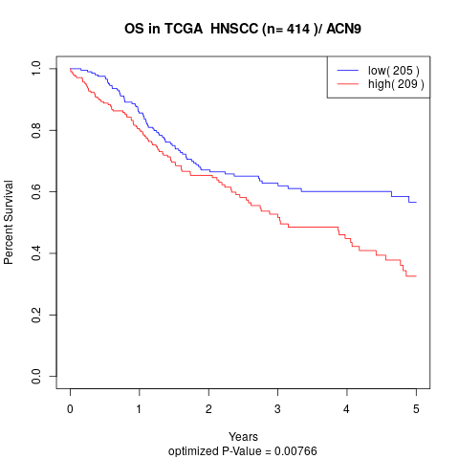

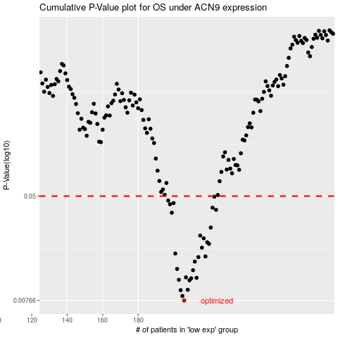

 |  |  |  |  |  | cases_OS | p_OS | rank | exp
 |  |  |  |  |  | 206 | 0.00766 | 198 | -0.23743360269
 |  |  |  |  |  | 205 | 0.0083 | 144 | -0.23898299402
 |  |  |  |  |  | 204 | 0.00922 | 343 | -0.24188729841
 |  |  |  |  |  | 208 | 0.00928 | 3 | -0.22405035072
 |  |  |  |  |  | 209 | 0.011 | 280 | -0.22183530026
 |  |  |  |  |  | 203 | 0.0111 | 303 | -0.24397508
 |  |  |  |  |  | 210 | 0.0114 | 275 | -0.20958674328
 |  |  |  |  |  | 213 | 0.0115 | 389 | -0.20335128328
 |  |  |  |  |  | 207 | 0.0116 | 329 | -0.23653700059
 |  |  |  |  |  | 211 | 0.0132 | 55 | -0.20667028401
 |  |  |  |  |  | 202 | 0.0135 | 18 | -0.25588472996
 |  |  |  |  |  | 212 | 0.0154 | 127 | -0.20364729067
 |  |  |  |  |  | 214 | 0.0167 | 241 | -0.20283362784
 |  |  |  |  |  | 218 | 0.0169 | 369 | -0.18471783261
 |  |  |  |  |  | 201 | 0.0178 | 166 | -0.25771296883
 |  |  |  |  |  | 216 | 0.0198 | 153 | -0.19362522405
 |  |  |  |  |  | 220 | 0.0212 | 23 | -0.17123233655
 |  |  |  |  |  | 219 | 0.0218 | 172 | -0.18386556013
 |  |  |  |  |  | 217 | 0.0234 | 140 | -0.18721816556
 |  |  |  |  |  | 215 | 0.0246 | 83 | -0.19802172028
 |  |  |  |  |  | 221 | 0.0284 | 99 | -0.17104858317
 |  |  |  |  |  | 199 | 0.0371 | 82 | -0.273454985
 |  |  |  |  |  | 224 | 0.0391 | 409 | -0.16566039069
 |  |  |  |  |  | 222 | 0.0406 | 90 | -0.16774388232
 |  |  |  |  |  | 198 | 0.0432 | 37 | -0.27785720117
 |  |  |  |  |  | 200 | 0.0441 | 271 | -0.27222090588
 |  |  |  |  |  | 197 | 0.0462 | 313 | -0.2824803504
 |  |  |  |  |  | 223 | 0.0495 | 400 | -0.16725554162
 |  |  |  |  |  |  | cases_RFS | p_RFS | rank | exp
 |  |  |  |  |  |  | 205 | 0.00766 | 144 | -0.23898299402
 |  |  |  |  |  |  | 204 | 0.0083 | 343 | -0.24188729841
 |  |  |  |  |  |  | 203 | 0.00922 | 303 | -0.24397508
 |  |  |  |  |  |  | 207 | 0.00928 | 329 | -0.23653700059
 |  |  |  |  |  |  | 208 | 0.011 | 3 | -0.22405035072
 |  |  |  |  |  |  | 202 | 0.0111 | 18 | -0.25588472996
 |  |  |  |  |  |  | 209 | 0.0114 | 280 | -0.22183530026
 |  |  |  |  |  |  | 212 | 0.0115 | 127 | -0.20364729067
 |  |  |  |  |  |  | 206 | 0.0116 | 198 | -0.23743360269
 |  |  |  |  |  |  | 210 | 0.0132 | 275 | -0.20958674328
 |  |  |  |  |  |  | 201 | 0.0135 | 166 | -0.25771296883
 |  |  |  |  |  |  | 211 | 0.0154 | 55 | -0.20667028401
 |  |  |  |  |  |  | 213 | 0.0167 | 389 | -0.20335128328
 |  |  |  |  |  |  | 217 | 0.0169 | 140 | -0.18721816556
 |  |  |  |  |  |  | 200 | 0.0178 | 271 | -0.27222090588
 |  |  |  |  |  |  | 215 | 0.0198 | 83 | -0.19802172028
 |  |  |  |  |  |  | 219 | 0.0212 | 172 | -0.18386556013
 |  |  |  |  |  |  | 218 | 0.0218 | 369 | -0.18471783261
 |  |  |  |  |  |  | 216 | 0.0234 | 153 | -0.19362522405
 |  |  |  |  |  |  | 214 | 0.0246 | 241 | -0.20283362784
 |  |  |  |  |  |  | 220 | 0.0284 | 23 | -0.17123233655
 |  |  |  |  |  |  | 198 | 0.0371 | 37 | -0.27785720117
 |  |  |  |  |  |  | 223 | 0.0391 | 400 | -0.16725554162
 |  |  |  |  |  |  | 221 | 0.0406 | 99 | -0.17104858317
 |  |  |  |  |  |  | 197 | 0.0432 | 313 | -0.2824803504
 |  |  |  |  |  |  | 199 | 0.0441 | 82 | -0.273454985
 |  |  |  |  |  |  | 196 | 0.0462 | 35 | -0.29280700432
 |  |  |  |  |  |  | 222 | 0.0495 | 90 | -0.16774388232

