ACOT11 _multivariate
Reported by Tex Li-Hsing Chi. tex@gate.sinica.edu.tw 2019-08-22

Table 2. The clinicopathological features of HNSCC cohort and ACOT11 expression. (Chi square test)
Cutoff at -0.223 (50.0%)
 |  | ACOT11 expression |  | ACOT11 expression |  | (Optimised)
 | Features | Low | (%) | High | (%) | Case no | P-value | Remark | Matthews
Gender | Female | 165 | 39.8 | 141 | 34 | 415 | 0.0081 | 1 | 0
2 | Male | 42 | 10.1 | 67 | 16.1
Age at diagnosis | <=65y | 140 | 33.7 | 134 | 32.3 | 415 | 0.5574 | 0 | 0
4 | >65y | 67 | 16.1 | 74 | 17.8
Clinical T Status | T1+T2 | 74 | 17.8 | 75 | 18.1 | 415 | 1 | 0 | 0
6 | T3+T4 | 133 | 32 | 133 | 32
Clinical N Status | N0 | 99 | 23.9 | 117 | 28.2 | 415 | 0.1054 | 0 | 0
8 | N1-3 | 108 | 26 | 91 | 21.9
Clinical M Status | M0 | 206 | 49.6 | 206 | 49.6 | 415 | 1 | 0 | 0
10 | M1 | 1 | 0.2 | 2 | 0.5
Clinical Stage | Stage I+II | 42 | 10.1 | 60 | 14.5 | 415 | 0.0561 | 0 | 0
12 | Stage III+IV | 165 | 39.8 | 148 | 35.7
Surgical Margin status | Negative | 151 | 36.4 | 167 | 40.2 | 415 | 0.0828 | 0 | 0
14 | Positive | 56 | 13.5 | 41 | 9.9
Tobacco Exposure | Low | 66 | 15.9 | 95 | 22.9 | 415 | 0.0048 | 1 | 0
16 | High | 141 | 34 | 113 | 27.2

Table 3. Univariate/Multivariate Cox's proportional hazards regression analyses on OS time of ACOT11 gene expression in HNSCC

 |  | Univariate |  |  |  | Multivariate
 | Features | HR | CI95%(L) | CI95%(H) | P-value | HR | CI95%(L) | CI95%(H) | P-value
1 | Female | 1 |  |  |  | 1
Gender | Male | 1.157 | 0.843 | 1.587 | 0.367 | 1.201 | 0.86 | 1.678 | 0.282
11 | <=65y | 1 |  |  |  | 1
Age at diagnosis | >65y | 1.329 | 0.99 | 1.784 | 0.058 | 1.394 | 1.025 | 1.895 | 0.034
12 | T1+T2 | 1 |  |  |  | 1
Clinical T Status | T3+T4 | 1.409 | 1.028 | 1.931 | 0.033 | 2.186 | 1.153 | 4.146 | 0.017
13 | N0 | 1 |  |  |  | 1
Clinical N Status | N1-3 | 1.185 | 0.89 | 1.577 | 0.246 | 1.243 | 0.871 | 1.774 | 0.231
14 | M0 | 1 |  |  |  | 1
Clinical M Status | M1 | 4.097 | 1.009 | 16.644 | 0.049 | 9.299 | 2.022 | 42.754 | 0.004
15 | Stage I+II | 1 |  |  |  | 1
Clinical Stage | Stage III+IV | 1.245 | 0.882 | 1.759 | 0.213 | 0.509 | 0.236 | 1.094 | 0.084
16 | Negative | 1 |  |  |  | 1
Surgical Margin status | Positive | 1.591 | 1.155 | 2.191 | 0.004 | 1.674 | 1.211 | 2.314 | 0.002
17 | Low | 1 |  |  |  | 1
Tobacco Exposure | High | 1.364 | 1.008 | 1.844 | 0.044 | 1.462 | 1.057 | 2.023 | 0.022
18 | Low | 1 |  |  |  | 1
RNAseq(z-score) | High | 0.993 | 0.745 | 1.322 | 0.96 | 1.036 | 0.772 | 1.391 | 0.813

Table 4. Univariate/Multivariate Cox's proportional hazards regression analyses on RFS time of ACOT11 gene expression in HNSCC

 |  | Univariate |  |  |  | Multivariate
 | Features | HR | CI95%(L) | CI95%(H) | P-value | HR | CI95%(L) | CI95%(H) | P-value
1 | Female | 1 |  |  |  | 1
Gender | Male | 1.157 | 0.843 | 1.587 | 0.367 | 1.201 | 0.86 | 1.678 | 0.282
11 | <=65y | 1 |  |  |  | 1
Age at diagnosis | >65y | 1.329 | 0.99 | 1.784 | 0.058 | 1.394 | 1.025 | 1.895 | 0.034
12 | T1+T2 | 1 |  |  |  | 1
Clinical T Status | T3+T4 | 1.409 | 1.028 | 1.931 | 0.033 | 2.186 | 1.153 | 4.146 | 0.017
13 | N0 | 1 |  |  |  | 1
Clinical N Status | N1-3 | 1.185 | 0.89 | 1.577 | 0.246 | 1.243 | 0.871 | 1.774 | 0.231
14 | M0 | 1 |  |  |  | 1
Clinical M Status | M1 | 4.097 | 1.009 | 16.644 | 0.049 | 9.299 | 2.022 | 42.754 | 0.004
15 | Stage I+II | 1 |  |  |  | 1
Clinical Stage | Stage III+IV | 1.245 | 0.882 | 1.759 | 0.213 | 0.509 | 0.236 | 1.094 | 0.084
16 | Negative | 1 |  |  |  | 1
Surgical Margin status | Positive | 1.591 | 1.155 | 2.191 | 0.004 | 1.674 | 1.211 | 2.314 | 0.002
17 | Low | 1 |  |  |  | 1
Tobacco Exposure | High | 1.364 | 1.008 | 1.844 | 0.044 | 1.462 | 1.057 | 2.023 | 0.022
18 | Low | 1 |  |  |  | 1
RNAseq(z-score) | High | 0.993 | 0.745 | 1.322 | 0.96 | 1.036 | 0.772 | 1.391 | 0.813

Kaplan-Meier survival estimate: Cutoff at -0.223 (50.0%)



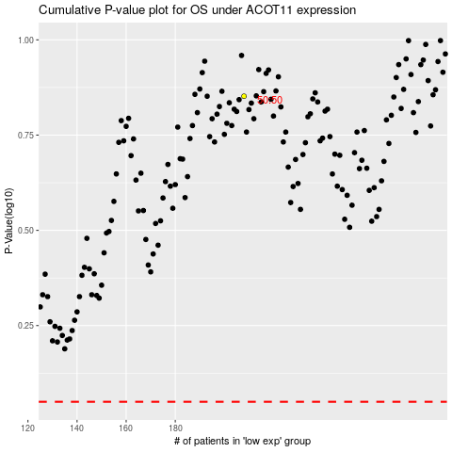

 |  |  |  |  |  | cases_OS | p_OS | rank | exp
 |  |  |  |  |  |  | cases_RFS | p_RFS | rank | exp

