ACOT13 _multivariate
Reported by Tex Li-Hsing Chi. tex@gate.sinica.edu.tw 2019-08-22

Table 2. The clinicopathological features of HNSCC cohort and ACOT13 expression. (Chi square test)
Cutoff at -0.165 (49.8%)
 |  | ACOT13 expression |  | ACOT13 expression |  | (Optimised)
 | Features | Low | (%) | High | (%) | Case no | P-value | Remark | Matthews
Gender | Female | 159 | 38.3 | 147 | 35.4 | 415 | 0.1905 | 0 | 0
2 | Male | 48 | 11.6 | 61 | 14.7
Age at diagnosis | <=65y | 137 | 33 | 137 | 33 | 415 | 1 | 0 | 0
4 | >65y | 70 | 16.9 | 71 | 17.1
Clinical T Status | T1+T2 | 67 | 16.1 | 82 | 19.8 | 415 | 0.1628 | 0 | 0
6 | T3+T4 | 140 | 33.7 | 126 | 30.4
Clinical N Status | N0 | 104 | 25.1 | 112 | 27 | 415 | 0.5243 | 0 | 0
8 | N1-3 | 103 | 24.8 | 96 | 23.1
Clinical M Status | M0 | 207 | 49.9 | 205 | 49.4 | 415 | 0.2482 | 0 | 0
10 | M1 | 0 | 0 | 3 | 0.7
Clinical Stage | Stage I+II | 49 | 11.8 | 53 | 12.8 | 415 | 0.7535 | 0 | 0
12 | Stage III+IV | 158 | 38.1 | 155 | 37.3
Surgical Margin status | Negative | 161 | 38.8 | 157 | 37.8 | 415 | 0.6429 | 0 | 0
14 | Positive | 46 | 11.1 | 51 | 12.3
Tobacco Exposure | Low | 77 | 18.6 | 84 | 20.2 | 415 | 0.5459 | 0 | 0
16 | High | 130 | 31.3 | 124 | 29.9

Table 3. Univariate/Multivariate Cox's proportional hazards regression analyses on OS time of ACOT13 gene expression in HNSCC

 |  | Univariate |  |  |  | Multivariate
 | Features | HR | CI95%(L) | CI95%(H) | P-value | HR | CI95%(L) | CI95%(H) | P-value
1 | Female | 1 |  |  |  | 1
Gender | Male | 1.157 | 0.843 | 1.587 | 0.367 | 1.193 | 0.853 | 1.67 | 0.303
11 | <=65y | 1 |  |  |  | 1
Age at diagnosis | >65y | 1.329 | 0.99 | 1.784 | 0.058 | 1.394 | 1.025 | 1.895 | 0.034
12 | T1+T2 | 1 |  |  |  | 1
Clinical T Status | T3+T4 | 1.409 | 1.028 | 1.931 | 0.033 | 2.232 | 1.178 | 4.229 | 0.014
13 | N0 | 1 |  |  |  | 1
Clinical N Status | N1-3 | 1.185 | 0.89 | 1.577 | 0.246 | 1.247 | 0.873 | 1.78 | 0.225
14 | M0 | 1 |  |  |  | 1
Clinical M Status | M1 | 4.097 | 1.009 | 16.644 | 0.049 | 9.136 | 1.985 | 42.06 | 0.005
15 | Stage I+II | 1 |  |  |  | 1
Clinical Stage | Stage III+IV | 1.245 | 0.882 | 1.759 | 0.213 | 0.499 | 0.232 | 1.073 | 0.075
16 | Negative | 1 |  |  |  | 1
Surgical Margin status | Positive | 1.591 | 1.155 | 2.191 | 0.004 | 1.665 | 1.205 | 2.302 | 0.002
17 | Low | 1 |  |  |  | 1
Tobacco Exposure | High | 1.364 | 1.008 | 1.844 | 0.044 | 1.454 | 1.055 | 2.004 | 0.022
18 | Low | 1 |  |  |  | 1
RNAseq(z-score) | High | 1.053 | 0.791 | 1.403 | 0.722 | 1.075 | 0.804 | 1.439 | 0.625

Table 4. Univariate/Multivariate Cox's proportional hazards regression analyses on RFS time of ACOT13 gene expression in HNSCC

 |  | Univariate |  |  |  | Multivariate
 | Features | HR | CI95%(L) | CI95%(H) | P-value | HR | CI95%(L) | CI95%(H) | P-value
1 | Female | 1 |  |  |  | 1
Gender | Male | 1.157 | 0.843 | 1.587 | 0.367 | 1.193 | 0.853 | 1.67 | 0.303
11 | <=65y | 1 |  |  |  | 1
Age at diagnosis | >65y | 1.329 | 0.99 | 1.784 | 0.058 | 1.394 | 1.025 | 1.895 | 0.034
12 | T1+T2 | 1 |  |  |  | 1
Clinical T Status | T3+T4 | 1.409 | 1.028 | 1.931 | 0.033 | 2.232 | 1.178 | 4.229 | 0.014
13 | N0 | 1 |  |  |  | 1
Clinical N Status | N1-3 | 1.185 | 0.89 | 1.577 | 0.246 | 1.247 | 0.873 | 1.78 | 0.225
14 | M0 | 1 |  |  |  | 1
Clinical M Status | M1 | 4.097 | 1.009 | 16.644 | 0.049 | 9.136 | 1.985 | 42.06 | 0.005
15 | Stage I+II | 1 |  |  |  | 1
Clinical Stage | Stage III+IV | 1.245 | 0.882 | 1.759 | 0.213 | 0.499 | 0.232 | 1.073 | 0.075
16 | Negative | 1 |  |  |  | 1
Surgical Margin status | Positive | 1.591 | 1.155 | 2.191 | 0.004 | 1.665 | 1.205 | 2.302 | 0.002
17 | Low | 1 |  |  |  | 1
Tobacco Exposure | High | 1.364 | 1.008 | 1.844 | 0.044 | 1.454 | 1.055 | 2.004 | 0.022
18 | Low | 1 |  |  |  | 1
RNAseq(z-score) | High | 1.053 | 0.791 | 1.403 | 0.722 | 1.075 | 0.804 | 1.439 | 0.625

Kaplan-Meier survival estimate: Cutoff at -0.165 (49.8%)



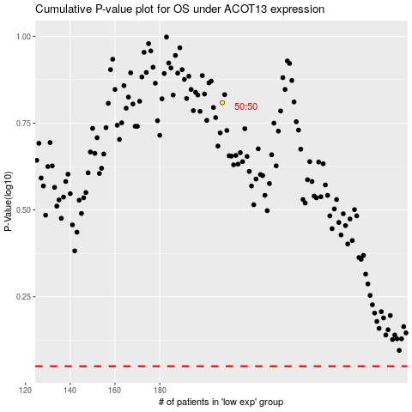

 |  |  |  |  |  | cases_OS | p_OS | rank | exp
 |  |  |  |  |  |  | cases_RFS | p_RFS | rank | exp

