ACOT2 _multivariate
Reported by Tex Li-Hsing Chi. tex@gate.sinica.edu.tw 2019-08-22

Table 2. The clinicopathological features of HNSCC cohort and ACOT2 expression. (Chi square test)
Cutoff at -0.176 (49.8%)
 |  | ACOT2 expression |  | ACOT2 expression |  | (Optimised)
 | Features | Low | (%) | High | (%) | Case no | P-value | Remark | Matthews
Gender | Female | 143 | 34.5 | 163 | 39.3 | 415 | 0.0416 | 1 | 0
2 | Male | 64 | 15.4 | 45 | 10.8
Age at diagnosis | <=65y | 143 | 34.5 | 131 | 31.6 | 415 | 0.2269 | 0 | 0
4 | >65y | 64 | 15.4 | 77 | 18.6
Clinical T Status | T1+T2 | 79 | 19 | 70 | 16.9 | 415 | 0.3924 | 0 | 0
6 | T3+T4 | 128 | 30.8 | 138 | 33.3
Clinical N Status | N0 | 112 | 27 | 104 | 25.1 | 415 | 0.4599 | 0 | 0
8 | N1-3 | 95 | 22.9 | 104 | 25.1
Clinical M Status | M0 | 205 | 49.4 | 207 | 49.9 | 415 | 0.6232 | 0 | 0
10 | M1 | 2 | 0.5 | 1 | 0.2
Clinical Stage | Stage I+II | 53 | 12.8 | 49 | 11.8 | 415 | 0.7113 | 0 | 0
12 | Stage III+IV | 154 | 37.1 | 159 | 38.3
Surgical Margin status | Negative | 158 | 38.1 | 160 | 38.6 | 415 | 0.9081 | 0 | 0
14 | Positive | 49 | 11.8 | 48 | 11.6
Tobacco Exposure | Low | 94 | 22.7 | 67 | 16.1 | 415 | 0.0065 | 1 | 0
16 | High | 113 | 27.2 | 141 | 34

Table 3. Univariate/Multivariate Cox's proportional hazards regression analyses on OS time of ACOT2 gene expression in HNSCC

 |  | Univariate |  |  |  | Multivariate
 | Features | HR | CI95%(L) | CI95%(H) | P-value | HR | CI95%(L) | CI95%(H) | P-value
1 | Female | 1 |  |  |  | 1
Gender | Male | 1.157 | 0.843 | 1.587 | 0.367 | 1.194 | 0.855 | 1.668 | 0.298
11 | <=65y | 1 |  |  |  | 1
Age at diagnosis | >65y | 1.329 | 0.99 | 1.784 | 0.058 | 1.41 | 1.035 | 1.92 | 0.029
12 | T1+T2 | 1 |  |  |  | 1
Clinical T Status | T3+T4 | 1.409 | 1.028 | 1.931 | 0.033 | 2.251 | 1.188 | 4.266 | 0.013
13 | N0 | 1 |  |  |  | 1
Clinical N Status | N1-3 | 1.185 | 0.89 | 1.577 | 0.246 | 1.25 | 0.875 | 1.784 | 0.22
14 | M0 | 1 |  |  |  | 1
Clinical M Status | M1 | 4.097 | 1.009 | 16.644 | 0.049 | 9.472 | 2.066 | 43.432 | 0.004
15 | Stage I+II | 1 |  |  |  | 1
Clinical Stage | Stage III+IV | 1.245 | 0.882 | 1.759 | 0.213 | 0.495 | 0.23 | 1.064 | 0.072
16 | Negative | 1 |  |  |  | 1
Surgical Margin status | Positive | 1.591 | 1.155 | 2.191 | 0.004 | 1.682 | 1.216 | 2.325 | 0.002
17 | Low | 1 |  |  |  | 1
Tobacco Exposure | High | 1.364 | 1.008 | 1.844 | 0.044 | 1.485 | 1.073 | 2.057 | 0.017
18 | Low | 1 |  |  |  | 1
RNAseq(z-score) | High | 1.015 | 0.762 | 1.353 | 0.917 | 0.888 | 0.661 | 1.193 | 0.43

Table 4. Univariate/Multivariate Cox's proportional hazards regression analyses on RFS time of ACOT2 gene expression in HNSCC

 |  | Univariate |  |  |  | Multivariate
 | Features | HR | CI95%(L) | CI95%(H) | P-value | HR | CI95%(L) | CI95%(H) | P-value
1 | Female | 1 |  |  |  | 1
Gender | Male | 1.157 | 0.843 | 1.587 | 0.367 | 1.194 | 0.855 | 1.668 | 0.298
11 | <=65y | 1 |  |  |  | 1
Age at diagnosis | >65y | 1.329 | 0.99 | 1.784 | 0.058 | 1.41 | 1.035 | 1.92 | 0.029
12 | T1+T2 | 1 |  |  |  | 1
Clinical T Status | T3+T4 | 1.409 | 1.028 | 1.931 | 0.033 | 2.251 | 1.188 | 4.266 | 0.013
13 | N0 | 1 |  |  |  | 1
Clinical N Status | N1-3 | 1.185 | 0.89 | 1.577 | 0.246 | 1.25 | 0.875 | 1.784 | 0.22
14 | M0 | 1 |  |  |  | 1
Clinical M Status | M1 | 4.097 | 1.009 | 16.644 | 0.049 | 9.472 | 2.066 | 43.432 | 0.004
15 | Stage I+II | 1 |  |  |  | 1
Clinical Stage | Stage III+IV | 1.245 | 0.882 | 1.759 | 0.213 | 0.495 | 0.23 | 1.064 | 0.072
16 | Negative | 1 |  |  |  | 1
Surgical Margin status | Positive | 1.591 | 1.155 | 2.191 | 0.004 | 1.682 | 1.216 | 2.325 | 0.002
17 | Low | 1 |  |  |  | 1
Tobacco Exposure | High | 1.364 | 1.008 | 1.844 | 0.044 | 1.485 | 1.073 | 2.057 | 0.017
18 | Low | 1 |  |  |  | 1
RNAseq(z-score) | High | 1.015 | 0.762 | 1.353 | 0.917 | 0.888 | 0.661 | 1.193 | 0.43

Kaplan-Meier survival estimate: Cutoff at -0.176 (49.8%)



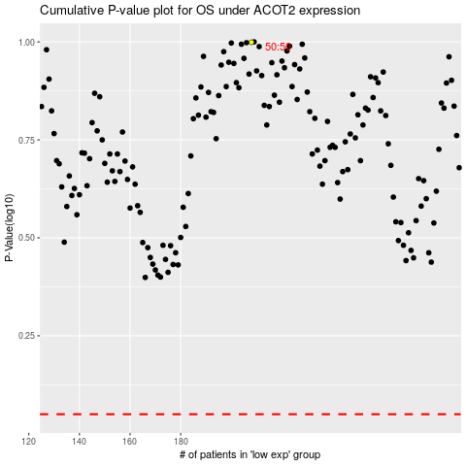

 |  |  |  |  |  | cases_OS | p_OS | rank | exp
 |  |  |  |  |  |  | cases_RFS | p_RFS | rank | exp

