ACOT7 _multivariate
Reported by Tex Li-Hsing Chi. tex@gate.sinica.edu.tw 2019-08-22

Table 2. The clinicopathological features of HNSCC cohort and ACOT7 expression. (Chi square test)
Cutoff at 0.186 (67.4%)
 |  | ACOT7 expression |  | ACOT7 expression |  | (Optimised)
 | Features | Low | (%) | High | (%) | Case no | P-value | Remark | Matthews
Gender | Female | 206 | 49.6 | 100 | 24.1 | 415 | 1 | 0 | 0
2 | Male | 74 | 17.8 | 35 | 8.4
Age at diagnosis | <=65y | 183 | 44.1 | 91 | 21.9 | 415 | 0.7623 | 0 | 0
4 | >65y | 97 | 23.4 | 44 | 10.6
Clinical T Status | T1+T2 | 110 | 26.5 | 39 | 9.4 | 415 | 0.0501 | 0 | 0
6 | T3+T4 | 170 | 41 | 96 | 23.1
Clinical N Status | N0 | 151 | 36.4 | 65 | 15.7 | 415 | 0.3176 | 0 | 0
8 | N1-3 | 129 | 31.1 | 70 | 16.9
Clinical M Status | M0 | 279 | 67.2 | 133 | 32 | 415 | 0.2481 | 0 | 0
10 | M1 | 1 | 0.2 | 2 | 0.5
Clinical Stage | Stage I+II | 75 | 18.1 | 27 | 6.5 | 415 | 0.1668 | 0 | 0
12 | Stage III+IV | 205 | 49.4 | 108 | 26
Surgical Margin status | Negative | 216 | 52 | 102 | 24.6 | 415 | 0.7123 | 0 | 0
14 | Positive | 64 | 15.4 | 33 | 8
Tobacco Exposure | Low | 112 | 27 | 49 | 11.8 | 415 | 0.5192 | 0 | 0
16 | High | 168 | 40.5 | 86 | 20.7

Table 3. Univariate/Multivariate Cox's proportional hazards regression analyses on OS time of ACOT7 gene expression in HNSCC

 |  | Univariate |  |  |  | Multivariate
 | Features | HR | CI95%(L) | CI95%(H) | P-value | HR | CI95%(L) | CI95%(H) | P-value
1 | Female | 1 |  |  |  | 1
Gender | Male | 1.157 | 0.843 | 1.587 | 0.367 | 1.199 | 0.859 | 1.675 | 0.286
11 | <=65y | 1 |  |  |  | 1
Age at diagnosis | >65y | 1.329 | 0.99 | 1.784 | 0.058 | 1.408 | 1.035 | 1.916 | 0.029
12 | T1+T2 | 1 |  |  |  | 1
Clinical T Status | T3+T4 | 1.409 | 1.028 | 1.931 | 0.033 | 2.094 | 1.104 | 3.973 | 0.024
13 | N0 | 1 |  |  |  | 1
Clinical N Status | N1-3 | 1.185 | 0.89 | 1.577 | 0.246 | 1.232 | 0.863 | 1.76 | 0.25
14 | M0 | 1 |  |  |  | 1
Clinical M Status | M1 | 4.097 | 1.009 | 16.644 | 0.049 | 8.477 | 1.839 | 39.072 | 0.006
15 | Stage I+II | 1 |  |  |  | 1
Clinical Stage | Stage III+IV | 1.245 | 0.882 | 1.759 | 0.213 | 0.524 | 0.244 | 1.126 | 0.098
16 | Negative | 1 |  |  |  | 1
Surgical Margin status | Positive | 1.591 | 1.155 | 2.191 | 0.004 | 1.643 | 1.188 | 2.273 | 0.003
17 | Low | 1 |  |  |  | 1
Tobacco Exposure | High | 1.364 | 1.008 | 1.844 | 0.044 | 1.442 | 1.046 | 1.989 | 0.026
18 | Low | 1 |  |  |  | 1
RNAseq(z-score) | High | 1.363 | 1.008 | 1.843 | 0.044 | 1.281 | 0.944 | 1.739 | 0.112

Table 4. Univariate/Multivariate Cox's proportional hazards regression analyses on RFS time of ACOT7 gene expression in HNSCC

 |  | Univariate |  |  |  | Multivariate
 | Features | HR | CI95%(L) | CI95%(H) | P-value | HR | CI95%(L) | CI95%(H) | P-value
1 | Female | 1 |  |  |  | 1
Gender | Male | 1.157 | 0.843 | 1.587 | 0.367 | 1.199 | 0.859 | 1.675 | 0.286
11 | <=65y | 1 |  |  |  | 1
Age at diagnosis | >65y | 1.329 | 0.99 | 1.784 | 0.058 | 1.408 | 1.035 | 1.916 | 0.029
12 | T1+T2 | 1 |  |  |  | 1
Clinical T Status | T3+T4 | 1.409 | 1.028 | 1.931 | 0.033 | 2.094 | 1.104 | 3.973 | 0.024
13 | N0 | 1 |  |  |  | 1
Clinical N Status | N1-3 | 1.185 | 0.89 | 1.577 | 0.246 | 1.232 | 0.863 | 1.76 | 0.25
14 | M0 | 1 |  |  |  | 1
Clinical M Status | M1 | 4.097 | 1.009 | 16.644 | 0.049 | 8.477 | 1.839 | 39.072 | 0.006
15 | Stage I+II | 1 |  |  |  | 1
Clinical Stage | Stage III+IV | 1.245 | 0.882 | 1.759 | 0.213 | 0.524 | 0.244 | 1.126 | 0.098
16 | Negative | 1 |  |  |  | 1
Surgical Margin status | Positive | 1.591 | 1.155 | 2.191 | 0.004 | 1.643 | 1.188 | 2.273 | 0.003
17 | Low | 1 |  |  |  | 1
Tobacco Exposure | High | 1.364 | 1.008 | 1.844 | 0.044 | 1.442 | 1.046 | 1.989 | 0.026
18 | Low | 1 |  |  |  | 1
RNAseq(z-score) | High | 1.363 | 1.008 | 1.843 | 0.044 | 1.281 | 0.944 | 1.739 | 0.112

Kaplan-Meier survival estimate: Cutoff at 0.186 (67.4%)



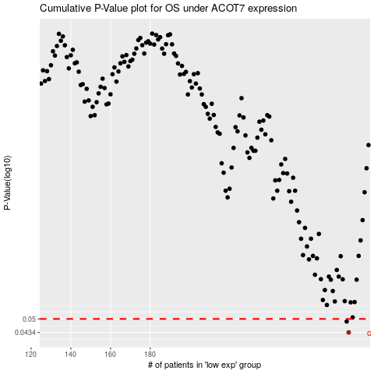

 |  |  |  |  |  | cases_OS | p_OS | rank | exp
 |  |  |  |  |  | 280 | 0.0434 | 364 | 0.18586230346
 |  |  |  |  |  | 279 | 0.0487 | 147 | 0.18265315909
 |  |  |  |  |  |  | cases_RFS | p_RFS | rank | exp
 |  |  |  |  |  |  | 279 | 0.0434 | 147 | 0.18265315909
 |  |  |  |  |  |  | 278 | 0.0487 | 160 | 0.18252007642

