ACOT9 _multivariate
Reported by Tex Li-Hsing Chi. tex@gate.sinica.edu.tw 2019-08-22

Table 2. The clinicopathological features of HNSCC cohort and ACOT9 expression. (Chi square test)
Cutoff at -0.446 (30.4%)
 |  | ACOT9 expression |  | ACOT9 expression |  | (Optimised)
 | Features | Low | (%) | High | (%) | Case no | P-value | Remark | Matthews
Gender | Female | 103 | 24.8 | 203 | 48.9 | 415 | 0.0199 | 1 | 0
2 | Male | 23 | 5.5 | 86 | 20.7
Age at diagnosis | <=65y | 90 | 21.7 | 184 | 44.3 | 415 | 0.155 | 0 | 0
4 | >65y | 36 | 8.7 | 105 | 25.3
Clinical T Status | T1+T2 | 48 | 11.6 | 101 | 24.3 | 415 | 0.6148 | 0 | 0
6 | T3+T4 | 78 | 18.8 | 188 | 45.3
Clinical N Status | N0 | 61 | 14.7 | 155 | 37.3 | 415 | 0.3832 | 0 | 0
8 | N1-3 | 65 | 15.7 | 134 | 32.3
Clinical M Status | M0 | 126 | 30.4 | 286 | 68.9 | 415 | 0.5566 | 0 | 0
10 | M1 | 0 | 0 | 3 | 0.7
Clinical Stage | Stage I+II | 28 | 6.7 | 74 | 17.8 | 415 | 0.5405 | 0 | 0
12 | Stage III+IV | 98 | 23.6 | 215 | 51.8
Surgical Margin status | Negative | 95 | 22.9 | 223 | 53.7 | 415 | 0.7063 | 0 | 0
14 | Positive | 31 | 7.5 | 66 | 15.9
Tobacco Exposure | Low | 45 | 10.8 | 116 | 28 | 415 | 0.4435 | 0 | 0
16 | High | 81 | 19.5 | 173 | 41.7

Table 3. Univariate/Multivariate Cox's proportional hazards regression analyses on OS time of ACOT9 gene expression in HNSCC

 |  | Univariate |  |  |  | Multivariate
 | Features | HR | CI95%(L) | CI95%(H) | P-value | HR | CI95%(L) | CI95%(H) | P-value
1 | Female | 1 |  |  |  | 1
Gender | Male | 1.157 | 0.843 | 1.587 | 0.367 | 1.142 | 0.816 | 1.597 | 0.439
11 | <=65y | 1 |  |  |  | 1
Age at diagnosis | >65y | 1.329 | 0.99 | 1.784 | 0.058 | 1.33 | 0.977 | 1.811 | 0.07
12 | T1+T2 | 1 |  |  |  | 1
Clinical T Status | T3+T4 | 1.409 | 1.028 | 1.931 | 0.033 | 1.968 | 1.035 | 3.741 | 0.039
13 | N0 | 1 |  |  |  | 1
Clinical N Status | N1-3 | 1.185 | 0.89 | 1.577 | 0.246 | 1.227 | 0.861 | 1.748 | 0.259
14 | M0 | 1 |  |  |  | 1
Clinical M Status | M1 | 4.097 | 1.009 | 16.644 | 0.049 | 7.436 | 1.607 | 34.398 | 0.01
15 | Stage I+II | 1 |  |  |  | 1
Clinical Stage | Stage III+IV | 1.245 | 0.882 | 1.759 | 0.213 | 0.582 | 0.269 | 1.259 | 0.169
16 | Negative | 1 |  |  |  | 1
Surgical Margin status | Positive | 1.591 | 1.155 | 2.191 | 0.004 | 1.663 | 1.204 | 2.295 | 0.002
17 | Low | 1 |  |  |  | 1
Tobacco Exposure | High | 1.364 | 1.008 | 1.844 | 0.044 | 1.48 | 1.074 | 2.039 | 0.017
18 | Low | 1 |  |  |  | 1
RNAseq(z-score) | High | 1.557 | 1.125 | 2.156 | 0.008 | 1.499 | 1.069 | 2.101 | 0.019

Table 4. Univariate/Multivariate Cox's proportional hazards regression analyses on RFS time of ACOT9 gene expression in HNSCC

 |  | Univariate |  |  |  | Multivariate
 | Features | HR | CI95%(L) | CI95%(H) | P-value | HR | CI95%(L) | CI95%(H) | P-value
1 | Female | 1 |  |  |  | 1
Gender | Male | 1.157 | 0.843 | 1.587 | 0.367 | 1.142 | 0.816 | 1.597 | 0.439
11 | <=65y | 1 |  |  |  | 1
Age at diagnosis | >65y | 1.329 | 0.99 | 1.784 | 0.058 | 1.33 | 0.977 | 1.811 | 0.07
12 | T1+T2 | 1 |  |  |  | 1
Clinical T Status | T3+T4 | 1.409 | 1.028 | 1.931 | 0.033 | 1.968 | 1.035 | 3.741 | 0.039
13 | N0 | 1 |  |  |  | 1
Clinical N Status | N1-3 | 1.185 | 0.89 | 1.577 | 0.246 | 1.227 | 0.861 | 1.748 | 0.259
14 | M0 | 1 |  |  |  | 1
Clinical M Status | M1 | 4.097 | 1.009 | 16.644 | 0.049 | 7.436 | 1.607 | 34.398 | 0.01
15 | Stage I+II | 1 |  |  |  | 1
Clinical Stage | Stage III+IV | 1.245 | 0.882 | 1.759 | 0.213 | 0.582 | 0.269 | 1.259 | 0.169
16 | Negative | 1 |  |  |  | 1
Surgical Margin status | Positive | 1.591 | 1.155 | 2.191 | 0.004 | 1.663 | 1.204 | 2.295 | 0.002
17 | Low | 1 |  |  |  | 1
Tobacco Exposure | High | 1.364 | 1.008 | 1.844 | 0.044 | 1.48 | 1.074 | 2.039 | 0.017
18 | Low | 1 |  |  |  | 1
RNAseq(z-score) | High | 1.557 | 1.125 | 2.156 | 0.008 | 1.499 | 1.069 | 2.101 | 0.019

Kaplan-Meier survival estimate: Cutoff at -0.446 (30.4%)

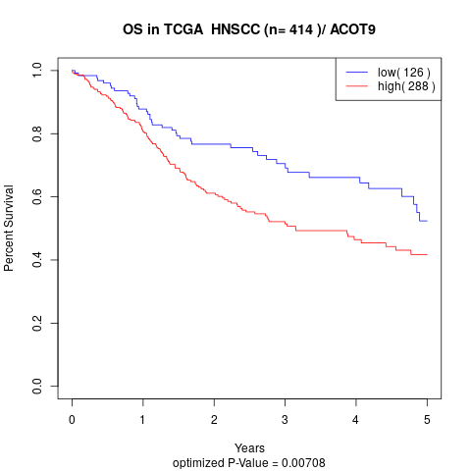

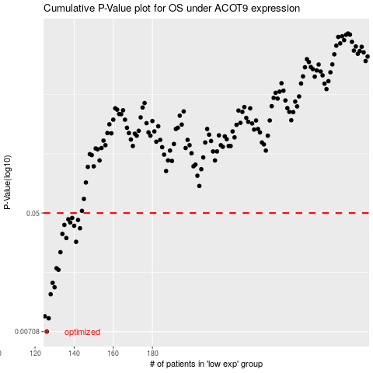

 |  |  |  |  |  | cases_OS | p_OS | rank | exp
 |  |  |  |  |  | 126 | 0.00708 | 273 | -0.44550811943
 |  |  |  |  |  | 127 | 0.00881 | 191 | -0.4450229779
 |  |  |  |  |  | 125 | 0.00911 | 126 | -0.45043195182
 |  |  |  |  |  | 128 | 0.0131 | 322 | -0.4271323014
 |  |  |  |  |  | 130 | 0.0147 | 339 | -0.41596276368
 |  |  |  |  |  | 129 | 0.0158 | 313 | -0.4214619965
 |  |  |  |  |  | 132 | 0.0196 | 284 | -0.41349507512
 |  |  |  |  |  | 131 | 0.0201 | 173 | -0.41420822531
 |  |  |  |  |  | 133 | 0.0262 | 58 | -0.41221124735
 |  |  |  |  |  | 141 | 0.0311 | 225 | -0.38942113985
 |  |  |  |  |  | 136 | 0.0331 | 204 | -0.40685133858
 |  |  |  |  |  | 134 | 0.0354 | 275 | -0.41040738144
 |  |  |  |  |  | 143 | 0.0389 | 138 | -0.38248773525
 |  |  |  |  |  | 140 | 0.0405 | 45 | -0.39762866415
 |  |  |  |  |  | 135 | 0.0411 | 169 | -0.40867225922
 |  |  |  |  |  | 138 | 0.0428 | 279 | -0.40013492265
 |  |  |  |  |  | 142 | 0.0446 | 194 | -0.38373876545
 |  |  |  |  |  | 137 | 0.0451 | 298 | -0.40068460978
 |  |  |  |  |  | 139 | 0.0461 | 178 | -0.40010658555
 |  |  |  |  |  |  | cases_RFS | p_RFS | rank | exp
 |  |  |  |  |  |  | 125 | 0.00708 | 126 | -0.45043195182
 |  |  |  |  |  |  | 126 | 0.00881 | 273 | -0.44550811943
 |  |  |  |  |  |  |  | 0.00911 | 393 | -0.45383397733
 |  |  |  |  |  |  | 127 | 0.0131 | 191 | -0.4450229779
 |  |  |  |  |  |  | 129 | 0.0147 | 313 | -0.4214619965
 |  |  |  |  |  |  | 128 | 0.0158 | 322 | -0.4271323014
 |  |  |  |  |  |  | 131 | 0.0196 | 173 | -0.41420822531
 |  |  |  |  |  |  | 130 | 0.0201 | 339 | -0.41596276368
 |  |  |  |  |  |  | 132 | 0.0262 | 284 | -0.41349507512
 |  |  |  |  |  |  | 140 | 0.0311 | 45 | -0.39762866415
 |  |  |  |  |  |  | 135 | 0.0331 | 169 | -0.40867225922
 |  |  |  |  |  |  | 133 | 0.0354 | 58 | -0.41221124735
 |  |  |  |  |  |  | 142 | 0.0389 | 194 | -0.38373876545
 |  |  |  |  |  |  | 139 | 0.0405 | 178 | -0.40010658555
 |  |  |  |  |  |  | 134 | 0.0411 | 275 | -0.41040738144
 |  |  |  |  |  |  | 137 | 0.0428 | 298 | -0.40068460978
 |  |  |  |  |  |  | 141 | 0.0446 | 225 | -0.38942113985
 |  |  |  |  |  |  | 136 | 0.0451 | 204 | -0.40685133858
 |  |  |  |  |  |  | 138 | 0.0461 | 279 | -0.40013492265

