ACP5 _multivariate
Reported by Tex Li-Hsing Chi. tex@gate.sinica.edu.tw 2019-08-22

Table 2. The clinicopathological features of HNSCC cohort and ACP5 expression. (Chi square test)
Cutoff at -0.219 (50.0%)
 |  | ACP5 expression |  | ACP5 expression |  | (Optimised)
 | Features | Low | (%) | High | (%) | Case no | P-value | Remark | Matthews
Gender | Female | 167 | 40.2 | 139 | 33.5 | 415 | 0.002 | 1 | 0
2 | Male | 40 | 9.6 | 69 | 16.6
Age at diagnosis | <=65y | 144 | 34.7 | 130 | 31.3 | 415 | 0.1568 | 0 | 0
4 | >65y | 63 | 15.2 | 78 | 18.8
Clinical T Status | T1+T2 | 79 | 19 | 70 | 16.9 | 415 | 0.3924 | 0 | 0
6 | T3+T4 | 128 | 30.8 | 138 | 33.3
Clinical N Status | N0 | 116 | 28 | 100 | 24.1 | 415 | 0.1273 | 1 | 0
8 | N1-3 | 91 | 21.9 | 108 | 26
Clinical M Status | M0 | 205 | 49.4 | 207 | 49.9 | 415 | 0.6232 | 0 | 0
10 | M1 | 2 | 0.5 | 1 | 0.2
Clinical Stage | Stage I+II | 53 | 12.8 | 49 | 11.8 | 415 | 0.7113 | 0 | 0
12 | Stage III+IV | 154 | 37.1 | 159 | 38.3
Surgical Margin status | Negative | 157 | 37.8 | 161 | 38.8 | 415 | 0.729 | 0 | 0
14 | Positive | 50 | 12 | 47 | 11.3
Tobacco Exposure | Low | 77 | 18.6 | 84 | 20.2 | 415 | 0.5459 | 0 | 0
16 | High | 130 | 31.3 | 124 | 29.9

Table 3. Univariate/Multivariate Cox's proportional hazards regression analyses on OS time of ACP5 gene expression in HNSCC

 |  | Univariate |  |  |  | Multivariate
 | Features | HR | CI95%(L) | CI95%(H) | P-value | HR | CI95%(L) | CI95%(H) | P-value
1 | Female | 1 |  |  |  | 1
Gender | Male | 1.157 | 0.843 | 1.587 | 0.367 | 1.279 | 0.91 | 1.799 | 0.157
11 | <=65y | 1 |  |  |  | 1
Age at diagnosis | >65y | 1.329 | 0.99 | 1.784 | 0.058 | 1.412 | 1.039 | 1.92 | 0.028
12 | T1+T2 | 1 |  |  |  | 1
Clinical T Status | T3+T4 | 1.409 | 1.028 | 1.931 | 0.033 | 2.301 | 1.214 | 4.359 | 0.011
13 | N0 | 1 |  |  |  | 1
Clinical N Status | N1-3 | 1.185 | 0.89 | 1.577 | 0.246 | 1.277 | 0.894 | 1.826 | 0.179
14 | M0 | 1 |  |  |  | 1
Clinical M Status | M1 | 4.097 | 1.009 | 16.644 | 0.049 | 9.623 | 2.098 | 44.146 | 0.004
15 | Stage I+II | 1 |  |  |  | 1
Clinical Stage | Stage III+IV | 1.245 | 0.882 | 1.759 | 0.213 | 0.471 | 0.219 | 1.015 | 0.055
16 | Negative | 1 |  |  |  | 1
Surgical Margin status | Positive | 1.591 | 1.155 | 2.191 | 0.004 | 1.673 | 1.21 | 2.312 | 0.002
17 | Low | 1 |  |  |  | 1
Tobacco Exposure | High | 1.364 | 1.008 | 1.844 | 0.044 | 1.436 | 1.042 | 1.979 | 0.027
18 | Low | 1 |  |  |  | 1
RNAseq(z-score) | High | 0.824 | 0.618 | 1.099 | 0.187 | 0.76 | 0.564 | 1.025 | 0.072

Table 4. Univariate/Multivariate Cox's proportional hazards regression analyses on RFS time of ACP5 gene expression in HNSCC

 |  | Univariate |  |  |  | Multivariate
 | Features | HR | CI95%(L) | CI95%(H) | P-value | HR | CI95%(L) | CI95%(H) | P-value
1 | Female | 1 |  |  |  | 1
Gender | Male | 1.157 | 0.843 | 1.587 | 0.367 | 1.279 | 0.91 | 1.799 | 0.157
11 | <=65y | 1 |  |  |  | 1
Age at diagnosis | >65y | 1.329 | 0.99 | 1.784 | 0.058 | 1.412 | 1.039 | 1.92 | 0.028
12 | T1+T2 | 1 |  |  |  | 1
Clinical T Status | T3+T4 | 1.409 | 1.028 | 1.931 | 0.033 | 2.301 | 1.214 | 4.359 | 0.011
13 | N0 | 1 |  |  |  | 1
Clinical N Status | N1-3 | 1.185 | 0.89 | 1.577 | 0.246 | 1.277 | 0.894 | 1.826 | 0.179
14 | M0 | 1 |  |  |  | 1
Clinical M Status | M1 | 4.097 | 1.009 | 16.644 | 0.049 | 9.623 | 2.098 | 44.146 | 0.004
15 | Stage I+II | 1 |  |  |  | 1
Clinical Stage | Stage III+IV | 1.245 | 0.882 | 1.759 | 0.213 | 0.471 | 0.219 | 1.015 | 0.055
16 | Negative | 1 |  |  |  | 1
Surgical Margin status | Positive | 1.591 | 1.155 | 2.191 | 0.004 | 1.673 | 1.21 | 2.312 | 0.002
17 | Low | 1 |  |  |  | 1
Tobacco Exposure | High | 1.364 | 1.008 | 1.844 | 0.044 | 1.436 | 1.042 | 1.979 | 0.027
18 | Low | 1 |  |  |  | 1
RNAseq(z-score) | High | 0.824 | 0.618 | 1.099 | 0.187 | 0.76 | 0.564 | 1.025 | 0.072

Kaplan-Meier survival estimate: Cutoff at -0.219 (50.0%)



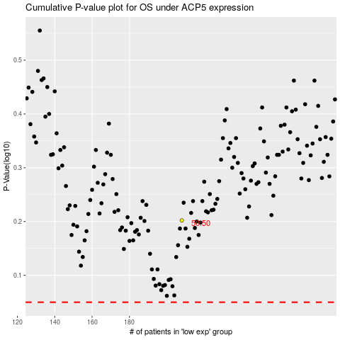

 |  |  |  |  |  | cases_OS | p_OS | rank | exp
 |  |  |  |  |  |  | cases_RFS | p_RFS | rank | exp

