ACPP _multivariate
Reported by Tex Li-Hsing Chi. tex@gate.sinica.edu.tw 2019-08-22

Table 2. The clinicopathological features of HNSCC cohort and ACPP expression. (Chi square test)
Cutoff at -0.372 (49.8%)
 |  | ACPP expression |  | ACPP expression |  | (Optimised)
 | Features | Low | (%) | High | (%) | Case no | P-value | Remark | Matthews
Gender | Female | 150 | 36.1 | 156 | 37.6 | 415 | 0.6344 | 0 | 0
2 | Male | 57 | 13.7 | 52 | 12.5
Age at diagnosis | <=65y | 136 | 32.8 | 138 | 33.3 | 415 | 0.9719 | 0 | 0
4 | >65y | 71 | 17.1 | 70 | 16.9
Clinical T Status | T1+T2 | 62 | 14.9 | 87 | 21 | 415 | 0.0156 | 1 | 0
6 | T3+T4 | 145 | 34.9 | 121 | 29.2
Clinical N Status | N0 | 95 | 22.9 | 121 | 29.2 | 415 | 0.0162 | 1 | 0
8 | N1-3 | 112 | 27 | 87 | 21
Clinical M Status | M0 | 205 | 49.4 | 207 | 49.9 | 415 | 0.6232 | 0 | 0
10 | M1 | 2 | 0.5 | 1 | 0.2
Clinical Stage | Stage I+II | 42 | 10.1 | 60 | 14.5 | 415 | 0.0561 | 0 | 0
12 | Stage III+IV | 165 | 39.8 | 148 | 35.7
Surgical Margin status | Negative | 162 | 39 | 156 | 37.6 | 415 | 0.4867 | 0 | 0
14 | Positive | 45 | 10.8 | 52 | 12.5
Tobacco Exposure | Low | 80 | 19.3 | 81 | 19.5 | 415 | 1 | 0 | 0
16 | High | 127 | 30.6 | 127 | 30.6

Table 3. Univariate/Multivariate Cox's proportional hazards regression analyses on OS time of ACPP gene expression in HNSCC

 |  | Univariate |  |  |  | Multivariate
 | Features | HR | CI95%(L) | CI95%(H) | P-value | HR | CI95%(L) | CI95%(H) | P-value
1 | Female | 1 |  |  |  | 1
Gender | Male | 1.157 | 0.843 | 1.587 | 0.367 | 1.207 | 0.863 | 1.689 | 0.272
11 | <=65y | 1 |  |  |  | 1
Age at diagnosis | >65y | 1.329 | 0.99 | 1.784 | 0.058 | 1.395 | 1.025 | 1.898 | 0.034
12 | T1+T2 | 1 |  |  |  | 1
Clinical T Status | T3+T4 | 1.409 | 1.028 | 1.931 | 0.033 | 2.137 | 1.127 | 4.05 | 0.02
13 | N0 | 1 |  |  |  | 1
Clinical N Status | N1-3 | 1.185 | 0.89 | 1.577 | 0.246 | 1.214 | 0.848 | 1.736 | 0.289
14 | M0 | 1 |  |  |  | 1
Clinical M Status | M1 | 4.097 | 1.009 | 16.644 | 0.049 | 8.862 | 1.927 | 40.767 | 0.005
15 | Stage I+II | 1 |  |  |  | 1
Clinical Stage | Stage III+IV | 1.245 | 0.882 | 1.759 | 0.213 | 0.513 | 0.239 | 1.103 | 0.087
16 | Negative | 1 |  |  |  | 1
Surgical Margin status | Positive | 1.591 | 1.155 | 2.191 | 0.004 | 1.696 | 1.226 | 2.346 | 0.001
17 | Low | 1 |  |  |  | 1
Tobacco Exposure | High | 1.364 | 1.008 | 1.844 | 0.044 | 1.458 | 1.057 | 2.011 | 0.022
18 | Low | 1 |  |  |  | 1
RNAseq(z-score) | High | 0.817 | 0.613 | 1.089 | 0.168 | 0.847 | 0.632 | 1.135 | 0.267

Table 4. Univariate/Multivariate Cox's proportional hazards regression analyses on RFS time of ACPP gene expression in HNSCC

 |  | Univariate |  |  |  | Multivariate
 | Features | HR | CI95%(L) | CI95%(H) | P-value | HR | CI95%(L) | CI95%(H) | P-value
1 | Female | 1 |  |  |  | 1
Gender | Male | 1.157 | 0.843 | 1.587 | 0.367 | 1.207 | 0.863 | 1.689 | 0.272
11 | <=65y | 1 |  |  |  | 1
Age at diagnosis | >65y | 1.329 | 0.99 | 1.784 | 0.058 | 1.395 | 1.025 | 1.898 | 0.034
12 | T1+T2 | 1 |  |  |  | 1
Clinical T Status | T3+T4 | 1.409 | 1.028 | 1.931 | 0.033 | 2.137 | 1.127 | 4.05 | 0.02
13 | N0 | 1 |  |  |  | 1
Clinical N Status | N1-3 | 1.185 | 0.89 | 1.577 | 0.246 | 1.214 | 0.848 | 1.736 | 0.289
14 | M0 | 1 |  |  |  | 1
Clinical M Status | M1 | 4.097 | 1.009 | 16.644 | 0.049 | 8.862 | 1.927 | 40.767 | 0.005
15 | Stage I+II | 1 |  |  |  | 1
Clinical Stage | Stage III+IV | 1.245 | 0.882 | 1.759 | 0.213 | 0.513 | 0.239 | 1.103 | 0.087
16 | Negative | 1 |  |  |  | 1
Surgical Margin status | Positive | 1.591 | 1.155 | 2.191 | 0.004 | 1.696 | 1.226 | 2.346 | 0.001
17 | Low | 1 |  |  |  | 1
Tobacco Exposure | High | 1.364 | 1.008 | 1.844 | 0.044 | 1.458 | 1.057 | 2.011 | 0.022
18 | Low | 1 |  |  |  | 1
RNAseq(z-score) | High | 0.817 | 0.613 | 1.089 | 0.168 | 0.847 | 0.632 | 1.135 | 0.267

Kaplan-Meier survival estimate: Cutoff at -0.372 (49.8%)



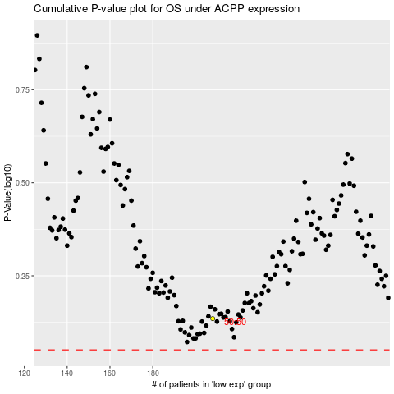

 |  |  |  |  |  | cases_OS | p_OS | rank | exp
 |  |  |  |  |  |  | cases_RFS | p_RFS | rank | exp

