ACSL4 _multivariate
Reported by Tex Li-Hsing Chi. tex@gate.sinica.edu.tw 2019-08-22

Table 2. The clinicopathological features of HNSCC cohort and ACSL4 expression. (Chi square test)
Cutoff at -0.085 (50.0%)
 |  | ACSL4 expression |  | ACSL4 expression |  | (Optimised)
 | Features | Low | (%) | High | (%) | Case no | P-value | Remark | Matthews
Gender | Female | 158 | 38.1 | 148 | 35.7 | 415 | 0.2774 | 0 | 0
2 | Male | 49 | 11.8 | 60 | 14.5
Age at diagnosis | <=65y | 136 | 32.8 | 138 | 33.3 | 415 | 0.9719 | 0 | 0
4 | >65y | 71 | 17.1 | 70 | 16.9
Clinical T Status | T1+T2 | 71 | 17.1 | 78 | 18.8 | 415 | 0.5638 | 0 | 0
6 | T3+T4 | 136 | 32.8 | 130 | 31.3
Clinical N Status | N0 | 110 | 26.5 | 106 | 25.5 | 415 | 0.7294 | 0 | 0
8 | N1-3 | 97 | 23.4 | 102 | 24.6
Clinical M Status | M0 | 204 | 49.2 | 208 | 50.1 | 415 | 0.1232 | 0 | 0
10 | M1 | 3 | 0.7 | 0 | 0
Clinical Stage | Stage I+II | 44 | 10.6 | 58 | 14 | 415 | 0.1459 | 0 | 0
12 | Stage III+IV | 163 | 39.3 | 150 | 36.1
Surgical Margin status | Negative | 160 | 38.6 | 158 | 38.1 | 415 | 0.8167 | 0 | 0
14 | Positive | 47 | 11.3 | 50 | 12
Tobacco Exposure | Low | 81 | 19.5 | 80 | 19.3 | 415 | 0.9199 | 0 | 0
16 | High | 126 | 30.4 | 128 | 30.8

Table 3. Univariate/Multivariate Cox's proportional hazards regression analyses on OS time of ACSL4 gene expression in HNSCC

 |  | Univariate |  |  |  | Multivariate
 | Features | HR | CI95%(L) | CI95%(H) | P-value | HR | CI95%(L) | CI95%(H) | P-value
1 | Female | 1 |  |  |  | 1
Gender | Male | 1.157 | 0.843 | 1.587 | 0.367 | 1.203 | 0.861 | 1.68 | 0.278
11 | <=65y | 1 |  |  |  | 1
Age at diagnosis | >65y | 1.329 | 0.99 | 1.784 | 0.058 | 1.395 | 1.026 | 1.896 | 0.033
12 | T1+T2 | 1 |  |  |  | 1
Clinical T Status | T3+T4 | 1.409 | 1.028 | 1.931 | 0.033 | 2.18 | 1.153 | 4.122 | 0.017
13 | N0 | 1 |  |  |  | 1
Clinical N Status | N1-3 | 1.185 | 0.89 | 1.577 | 0.246 | 1.228 | 0.861 | 1.754 | 0.257
14 | M0 | 1 |  |  |  | 1
Clinical M Status | M1 | 4.097 | 1.009 | 16.644 | 0.049 | 9.944 | 2.157 | 45.85 | 0.003
15 | Stage I+II | 1 |  |  |  | 1
Clinical Stage | Stage III+IV | 1.245 | 0.882 | 1.759 | 0.213 | 0.518 | 0.241 | 1.115 | 0.093
16 | Negative | 1 |  |  |  | 1
Surgical Margin status | Positive | 1.591 | 1.155 | 2.191 | 0.004 | 1.654 | 1.196 | 2.287 | 0.002
17 | Low | 1 |  |  |  | 1
Tobacco Exposure | High | 1.364 | 1.008 | 1.844 | 0.044 | 1.455 | 1.056 | 2.003 | 0.022
18 | Low | 1 |  |  |  | 1
RNAseq(z-score) | High | 1.137 | 0.853 | 1.515 | 0.381 | 1.132 | 0.846 | 1.514 | 0.406

Table 4. Univariate/Multivariate Cox's proportional hazards regression analyses on RFS time of ACSL4 gene expression in HNSCC

 |  | Univariate |  |  |  | Multivariate
 | Features | HR | CI95%(L) | CI95%(H) | P-value | HR | CI95%(L) | CI95%(H) | P-value
1 | Female | 1 |  |  |  | 1
Gender | Male | 1.157 | 0.843 | 1.587 | 0.367 | 1.203 | 0.861 | 1.68 | 0.278
11 | <=65y | 1 |  |  |  | 1
Age at diagnosis | >65y | 1.329 | 0.99 | 1.784 | 0.058 | 1.395 | 1.026 | 1.896 | 0.033
12 | T1+T2 | 1 |  |  |  | 1
Clinical T Status | T3+T4 | 1.409 | 1.028 | 1.931 | 0.033 | 2.18 | 1.153 | 4.122 | 0.017
13 | N0 | 1 |  |  |  | 1
Clinical N Status | N1-3 | 1.185 | 0.89 | 1.577 | 0.246 | 1.228 | 0.861 | 1.754 | 0.257
14 | M0 | 1 |  |  |  | 1
Clinical M Status | M1 | 4.097 | 1.009 | 16.644 | 0.049 | 9.944 | 2.157 | 45.85 | 0.003
15 | Stage I+II | 1 |  |  |  | 1
Clinical Stage | Stage III+IV | 1.245 | 0.882 | 1.759 | 0.213 | 0.518 | 0.241 | 1.115 | 0.093
16 | Negative | 1 |  |  |  | 1
Surgical Margin status | Positive | 1.591 | 1.155 | 2.191 | 0.004 | 1.654 | 1.196 | 2.287 | 0.002
17 | Low | 1 |  |  |  | 1
Tobacco Exposure | High | 1.364 | 1.008 | 1.844 | 0.044 | 1.455 | 1.056 | 2.003 | 0.022
18 | Low | 1 |  |  |  | 1
RNAseq(z-score) | High | 1.137 | 0.853 | 1.515 | 0.381 | 1.132 | 0.846 | 1.514 | 0.406

Kaplan-Meier survival estimate: Cutoff at -0.085 (50.0%)



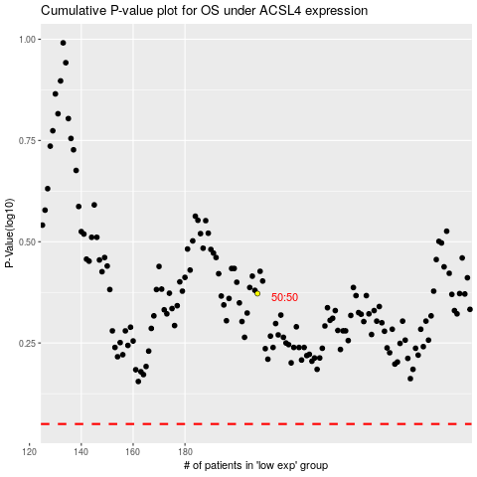

 |  |  |  |  |  | cases_OS | p_OS | rank | exp
 |  |  |  |  |  |  | cases_RFS | p_RFS | rank | exp

