ACSM5 _multivariate
Reported by Tex Li-Hsing Chi. tex@gate.sinica.edu.tw 2019-08-22

Table 2. The clinicopathological features of HNSCC cohort and ACSM5 expression. (Chi square test)
Cutoff at -0.307 (50.0%)
 |  | ACSM5 expression |  | ACSM5 expression |  | (Optimised)
 | Features | Low | (%) | High | (%) | Case no | P-value | Remark | Matthews
Gender | Female | 154 | 37.1 | 152 | 36.6 | 415 | 0.8463 | 0 | 0
2 | Male | 53 | 12.8 | 56 | 13.5
Age at diagnosis | <=65y | 140 | 33.7 | 134 | 32.3 | 415 | 0.5574 | 0 | 0
4 | >65y | 67 | 16.1 | 74 | 17.8
Clinical T Status | T1+T2 | 67 | 16.1 | 82 | 19.8 | 415 | 0.1628 | 0 | 0
6 | T3+T4 | 140 | 33.7 | 126 | 30.4
Clinical N Status | N0 | 118 | 28.4 | 98 | 23.6 | 415 | 0.0551 | 1 | 0
8 | N1-3 | 89 | 21.4 | 110 | 26.5
Clinical M Status | M0 | 205 | 49.4 | 207 | 49.9 | 415 | 0.6232 | 0 | 0
10 | M1 | 2 | 0.5 | 1 | 0.2
Clinical Stage | Stage I+II | 50 | 12 | 52 | 12.5 | 415 | 0.9315 | 0 | 0
12 | Stage III+IV | 157 | 37.8 | 156 | 37.6
Surgical Margin status | Negative | 155 | 37.3 | 163 | 39.3 | 415 | 0.4187 | 0 | 0
14 | Positive | 52 | 12.5 | 45 | 10.8
Tobacco Exposure | Low | 78 | 18.8 | 83 | 20 | 415 | 0.6873 | 0 | 0
16 | High | 129 | 31.1 | 125 | 30.1

Table 3. Univariate/Multivariate Cox's proportional hazards regression analyses on OS time of ACSM5 gene expression in HNSCC

 |  | Univariate |  |  |  | Multivariate
 | Features | HR | CI95%(L) | CI95%(H) | P-value | HR | CI95%(L) | CI95%(H) | P-value
1 | Female | 1 |  |  |  | 1
Gender | Male | 1.157 | 0.843 | 1.587 | 0.367 | 1.199 | 0.857 | 1.676 | 0.29
11 | <=65y | 1 |  |  |  | 1
Age at diagnosis | >65y | 1.329 | 0.99 | 1.784 | 0.058 | 1.394 | 1.025 | 1.895 | 0.034
12 | T1+T2 | 1 |  |  |  | 1
Clinical T Status | T3+T4 | 1.409 | 1.028 | 1.931 | 0.033 | 2.198 | 1.162 | 4.157 | 0.015
13 | N0 | 1 |  |  |  | 1
Clinical N Status | N1-3 | 1.185 | 0.89 | 1.577 | 0.246 | 1.247 | 0.872 | 1.784 | 0.227
14 | M0 | 1 |  |  |  | 1
Clinical M Status | M1 | 4.097 | 1.009 | 16.644 | 0.049 | 9.339 | 2.035 | 42.862 | 0.004
15 | Stage I+II | 1 |  |  |  | 1
Clinical Stage | Stage III+IV | 1.245 | 0.882 | 1.759 | 0.213 | 0.504 | 0.235 | 1.083 | 0.079
16 | Negative | 1 |  |  |  | 1
Surgical Margin status | Positive | 1.591 | 1.155 | 2.191 | 0.004 | 1.665 | 1.203 | 2.305 | 0.002
17 | Low | 1 |  |  |  | 1
Tobacco Exposure | High | 1.364 | 1.008 | 1.844 | 0.044 | 1.45 | 1.052 | 1.999 | 0.023
18 | Low | 1 |  |  |  | 1
RNAseq(z-score) | High | 0.914 | 0.687 | 1.217 | 0.539 | 0.968 | 0.723 | 1.295 | 0.824

Table 4. Univariate/Multivariate Cox's proportional hazards regression analyses on RFS time of ACSM5 gene expression in HNSCC

 |  | Univariate |  |  |  | Multivariate
 | Features | HR | CI95%(L) | CI95%(H) | P-value | HR | CI95%(L) | CI95%(H) | P-value
1 | Female | 1 |  |  |  | 1
Gender | Male | 1.157 | 0.843 | 1.587 | 0.367 | 1.199 | 0.857 | 1.676 | 0.29
11 | <=65y | 1 |  |  |  | 1
Age at diagnosis | >65y | 1.329 | 0.99 | 1.784 | 0.058 | 1.394 | 1.025 | 1.895 | 0.034
12 | T1+T2 | 1 |  |  |  | 1
Clinical T Status | T3+T4 | 1.409 | 1.028 | 1.931 | 0.033 | 2.198 | 1.162 | 4.157 | 0.015
13 | N0 | 1 |  |  |  | 1
Clinical N Status | N1-3 | 1.185 | 0.89 | 1.577 | 0.246 | 1.247 | 0.872 | 1.784 | 0.227
14 | M0 | 1 |  |  |  | 1
Clinical M Status | M1 | 4.097 | 1.009 | 16.644 | 0.049 | 9.339 | 2.035 | 42.862 | 0.004
15 | Stage I+II | 1 |  |  |  | 1
Clinical Stage | Stage III+IV | 1.245 | 0.882 | 1.759 | 0.213 | 0.504 | 0.235 | 1.083 | 0.079
16 | Negative | 1 |  |  |  | 1
Surgical Margin status | Positive | 1.591 | 1.155 | 2.191 | 0.004 | 1.665 | 1.203 | 2.305 | 0.002
17 | Low | 1 |  |  |  | 1
Tobacco Exposure | High | 1.364 | 1.008 | 1.844 | 0.044 | 1.45 | 1.052 | 1.999 | 0.023
18 | Low | 1 |  |  |  | 1
RNAseq(z-score) | High | 0.914 | 0.687 | 1.217 | 0.539 | 0.968 | 0.723 | 1.295 | 0.824

Kaplan-Meier survival estimate: Cutoff at -0.307 (50.0%)



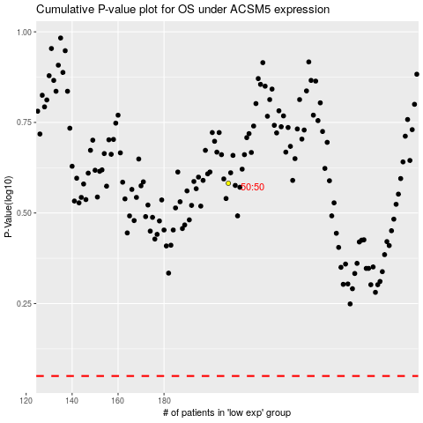

 |  |  |  |  |  | cases_OS | p_OS | rank | exp
 |  |  |  |  |  |  | cases_RFS | p_RFS | rank | exp

