ACTA2 _multivariate
Reported by Tex Li-Hsing Chi. tex@gate.sinica.edu.tw 2019-08-22

Table 2. The clinicopathological features of HNSCC cohort and ACTA2 expression. (Chi square test)
Cutoff at -0.289 (49.8%)
 |  | ACTA2 expression |  | ACTA2 expression |  | (Optimised)
 | Features | Low | (%) | High | (%) | Case no | P-value | Remark | Matthews
Gender | Female | 157 | 37.8 | 149 | 35.9 | 415 | 0.3881 | 0 | 0
2 | Male | 50 | 12 | 59 | 14.2
Age at diagnosis | <=65y | 145 | 34.9 | 129 | 31.1 | 415 | 0.1046 | 0 | 0
4 | >65y | 62 | 14.9 | 79 | 19
Clinical T Status | T1+T2 | 86 | 20.7 | 63 | 15.2 | 415 | 0.0221 | 1 | 0
6 | T3+T4 | 121 | 29.2 | 145 | 34.9
Clinical N Status | N0 | 114 | 27.5 | 102 | 24.6 | 415 | 0.2576 | 1 | 0
8 | N1-3 | 93 | 22.4 | 106 | 25.5
Clinical M Status | M0 | 204 | 49.2 | 208 | 50.1 | 415 | 0.1232 | 0 | 0
10 | M1 | 3 | 0.7 | 0 | 0
Clinical Stage | Stage I+II | 58 | 14 | 44 | 10.6 | 415 | 0.131 | 0 | 0
12 | Stage III+IV | 149 | 35.9 | 164 | 39.5
Surgical Margin status | Negative | 158 | 38.1 | 160 | 38.6 | 415 | 0.9081 | 0 | 0
14 | Positive | 49 | 11.8 | 48 | 11.6
Tobacco Exposure | Low | 83 | 20 | 78 | 18.8 | 415 | 0.6152 | 0 | 0
16 | High | 124 | 29.9 | 130 | 31.3

Table 3. Univariate/Multivariate Cox's proportional hazards regression analyses on OS time of ACTA2 gene expression in HNSCC

 |  | Univariate |  |  |  | Multivariate
 | Features | HR | CI95%(L) | CI95%(H) | P-value | HR | CI95%(L) | CI95%(H) | P-value
1 | Female | 1 |  |  |  | 1
Gender | Male | 1.157 | 0.843 | 1.587 | 0.367 | 1.207 | 0.863 | 1.687 | 0.272
11 | <=65y | 1 |  |  |  | 1
Age at diagnosis | >65y | 1.329 | 0.99 | 1.784 | 0.058 | 1.396 | 1.027 | 1.897 | 0.033
12 | T1+T2 | 1 |  |  |  | 1
Clinical T Status | T3+T4 | 1.409 | 1.028 | 1.931 | 0.033 | 2.267 | 1.195 | 4.301 | 0.012
13 | N0 | 1 |  |  |  | 1
Clinical N Status | N1-3 | 1.185 | 0.89 | 1.577 | 0.246 | 1.257 | 0.88 | 1.796 | 0.208
14 | M0 | 1 |  |  |  | 1
Clinical M Status | M1 | 4.097 | 1.009 | 16.644 | 0.049 | 8.951 | 1.946 | 41.174 | 0.005
15 | Stage I+II | 1 |  |  |  | 1
Clinical Stage | Stage III+IV | 1.245 | 0.882 | 1.759 | 0.213 | 0.495 | 0.23 | 1.063 | 0.071
16 | Negative | 1 |  |  |  | 1
Surgical Margin status | Positive | 1.591 | 1.155 | 2.191 | 0.004 | 1.666 | 1.205 | 2.301 | 0.002
17 | Low | 1 |  |  |  | 1
Tobacco Exposure | High | 1.364 | 1.008 | 1.844 | 0.044 | 1.452 | 1.053 | 2.001 | 0.023
18 | Low | 1 |  |  |  | 1
RNAseq(z-score) | High | 0.914 | 0.687 | 1.218 | 0.54 | 0.872 | 0.652 | 1.168 | 0.359

Table 4. Univariate/Multivariate Cox's proportional hazards regression analyses on RFS time of ACTA2 gene expression in HNSCC

 |  | Univariate |  |  |  | Multivariate
 | Features | HR | CI95%(L) | CI95%(H) | P-value | HR | CI95%(L) | CI95%(H) | P-value
1 | Female | 1 |  |  |  | 1
Gender | Male | 1.157 | 0.843 | 1.587 | 0.367 | 1.207 | 0.863 | 1.687 | 0.272
11 | <=65y | 1 |  |  |  | 1
Age at diagnosis | >65y | 1.329 | 0.99 | 1.784 | 0.058 | 1.396 | 1.027 | 1.897 | 0.033
12 | T1+T2 | 1 |  |  |  | 1
Clinical T Status | T3+T4 | 1.409 | 1.028 | 1.931 | 0.033 | 2.267 | 1.195 | 4.301 | 0.012
13 | N0 | 1 |  |  |  | 1
Clinical N Status | N1-3 | 1.185 | 0.89 | 1.577 | 0.246 | 1.257 | 0.88 | 1.796 | 0.208
14 | M0 | 1 |  |  |  | 1
Clinical M Status | M1 | 4.097 | 1.009 | 16.644 | 0.049 | 8.951 | 1.946 | 41.174 | 0.005
15 | Stage I+II | 1 |  |  |  | 1
Clinical Stage | Stage III+IV | 1.245 | 0.882 | 1.759 | 0.213 | 0.495 | 0.23 | 1.063 | 0.071
16 | Negative | 1 |  |  |  | 1
Surgical Margin status | Positive | 1.591 | 1.155 | 2.191 | 0.004 | 1.666 | 1.205 | 2.301 | 0.002
17 | Low | 1 |  |  |  | 1
Tobacco Exposure | High | 1.364 | 1.008 | 1.844 | 0.044 | 1.452 | 1.053 | 2.001 | 0.023
18 | Low | 1 |  |  |  | 1
RNAseq(z-score) | High | 0.914 | 0.687 | 1.218 | 0.54 | 0.872 | 0.652 | 1.168 | 0.359

Kaplan-Meier survival estimate: Cutoff at -0.289 (49.8%)



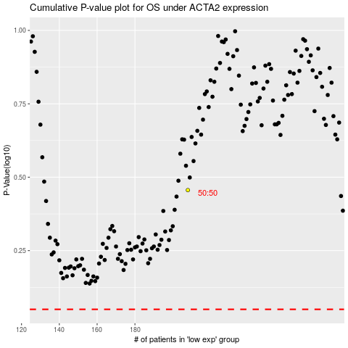

 |  |  |  |  |  | cases_OS | p_OS | rank | exp
 |  |  |  |  |  |  | cases_RFS | p_RFS | rank | exp

